PCDHGA10 _multivariate
Reported by Tex Li-Hsing Chi. tex@gate.sinica.edu.tw 2019-08-17

Table 2. The clinicopathological features of HNSCC cohort and PCDHGA10 expression. (Chi square test)
Cutoff at -0.319 (54.6%)
 |  | PCDHGA10 expression |  | PCDHGA10 expression |  | (Optimised)
 | Features | Low | (%) | High | (%) | Case no | P-value | Remark | Matthews
Gender | Female | 173 | 41.7 | 133 | 32 | 415 | 0.2511 | 0 | 0
2 | Male | 54 | 13 | 55 | 13.3
Age at diagnosis | <=65y | 157 | 37.8 | 117 | 28.2 | 415 | 0.1678 | 0 | 0
4 | >65y | 70 | 16.9 | 71 | 17.1
Clinical T Status | T1+T2 | 81 | 19.5 | 68 | 16.4 | 415 | 0.9998 | 0 | 0
6 | T3+T4 | 146 | 35.2 | 120 | 28.9
Clinical N Status | N0 | 107 | 25.8 | 109 | 26.3 | 415 | 0.0355 | 1 | 0
8 | N1-3 | 120 | 28.9 | 79 | 19
Clinical M Status | M0 | 224 | 54 | 188 | 45.3 | 415 | 0.2548 | 0 | 0
10 | M1 | 3 | 0.7 | 0 | 0
Clinical Stage | Stage I+II | 47 | 11.3 | 55 | 13.3 | 415 | 0.0575 | 0 | 0
12 | Stage III+IV | 180 | 43.4 | 133 | 32
Surgical Margin status | Negative | 172 | 41.4 | 146 | 35.2 | 415 | 0.7269 | 0 | 0
14 | Positive | 55 | 13.3 | 42 | 10.1
Tobacco Exposure | Low | 81 | 19.5 | 80 | 19.3 | 415 | 0.1581 | 0 | 0
16 | High | 146 | 35.2 | 108 | 26

Table 3. Univariate/Multivariate Cox's proportional hazards regression analyses on OS time of PCDHGA10 gene expression in HNSCC

 |  | Univariate |  |  |  | Multivariate
 | Features | HR | CI95%(L) | CI95%(H) | P-value | HR | CI95%(L) | CI95%(H) | P-value
1 | Female | 1 |  |  |  | 1
Gender | Male | 1.157 | 0.843 | 1.587 | 0.367 | 1.171 | 0.837 | 1.637 | 0.357
11 | <=65y | 1 |  |  |  | 1
Age at diagnosis | >65y | 1.329 | 0.99 | 1.784 | 0.058 | 1.382 | 1.015 | 1.883 | 0.04
12 | T1+T2 | 1 |  |  |  | 1
Clinical T Status | T3+T4 | 1.409 | 1.028 | 1.931 | 0.033 | 2.073 | 1.094 | 3.931 | 0.025
13 | N0 | 1 |  |  |  | 1
Clinical N Status | N1-3 | 1.185 | 0.89 | 1.577 | 0.246 | 1.284 | 0.899 | 1.835 | 0.17
14 | M0 | 1 |  |  |  | 1
Clinical M Status | M1 | 4.097 | 1.009 | 16.644 | 0.049 | 10.159 | 2.214 | 46.622 | 0.003
15 | Stage I+II | 1 |  |  |  | 1
Clinical Stage | Stage III+IV | 1.245 | 0.882 | 1.759 | 0.213 | 0.545 | 0.253 | 1.176 | 0.122
16 | Negative | 1 |  |  |  | 1
Surgical Margin status | Positive | 1.591 | 1.155 | 2.191 | 0.004 | 1.636 | 1.184 | 2.26 | 0.003
17 | Low | 1 |  |  |  | 1
Tobacco Exposure | High | 1.364 | 1.008 | 1.844 | 0.044 | 1.453 | 1.054 | 2.001 | 0.022
18 | Low | 1 |  |  |  | 1
RNAseq(z-score) | High | 1.408 | 1.056 | 1.876 | 0.02 | 1.393 | 1.037 | 1.87 | 0.028

Table 4. Univariate/Multivariate Cox's proportional hazards regression analyses on RFS time of PCDHGA10 gene expression in HNSCC

 |  | Univariate |  |  |  | Multivariate
 | Features | HR | CI95%(L) | CI95%(H) | P-value | HR | CI95%(L) | CI95%(H) | P-value
1 | Female | 1 |  |  |  | 1
Gender | Male | 1.157 | 0.843 | 1.587 | 0.367 | 1.171 | 0.837 | 1.637 | 0.357
11 | <=65y | 1 |  |  |  | 1
Age at diagnosis | >65y | 1.329 | 0.99 | 1.784 | 0.058 | 1.382 | 1.015 | 1.883 | 0.04
12 | T1+T2 | 1 |  |  |  | 1
Clinical T Status | T3+T4 | 1.409 | 1.028 | 1.931 | 0.033 | 2.073 | 1.094 | 3.931 | 0.025
13 | N0 | 1 |  |  |  | 1
Clinical N Status | N1-3 | 1.185 | 0.89 | 1.577 | 0.246 | 1.284 | 0.899 | 1.835 | 0.17
14 | M0 | 1 |  |  |  | 1
Clinical M Status | M1 | 4.097 | 1.009 | 16.644 | 0.049 | 10.159 | 2.214 | 46.622 | 0.003
15 | Stage I+II | 1 |  |  |  | 1
Clinical Stage | Stage III+IV | 1.245 | 0.882 | 1.759 | 0.213 | 0.545 | 0.253 | 1.176 | 0.122
16 | Negative | 1 |  |  |  | 1
Surgical Margin status | Positive | 1.591 | 1.155 | 2.191 | 0.004 | 1.636 | 1.184 | 2.26 | 0.003
17 | Low | 1 |  |  |  | 1
Tobacco Exposure | High | 1.364 | 1.008 | 1.844 | 0.044 | 1.453 | 1.054 | 2.001 | 0.022
18 | Low | 1 |  |  |  | 1
RNAseq(z-score) | High | 1.408 | 1.056 | 1.876 | 0.02 | 1.393 | 1.037 | 1.87 | 0.028

Kaplan-Meier survival estimate: Cutoff at -0.319 (54.6%)

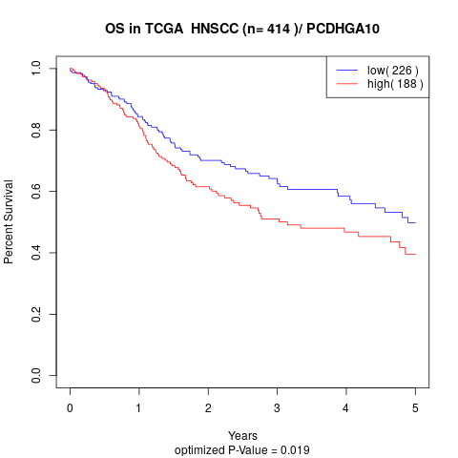

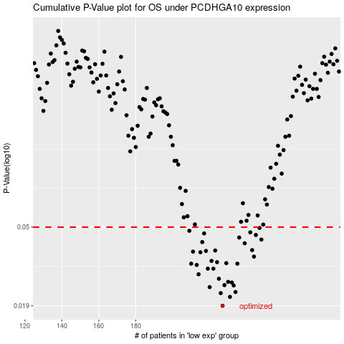

 |  |  |  |  |  | cases_OS | p_OS | rank | exp
 |  |  |  |  |  | 227 | 0.019 | 143 | -0.31856108839
 |  |  |  |  |  | 231 | 0.0212 | 412 | -0.31077683888
 |  |  |  |  |  | 226 | 0.0222 | 103 | -0.31868274019
 |  |  |  |  |  | 234 | 0.0225 | 289 | -0.29319558882
 |  |  |  |  |  | 220 | 0.0239 | 199 | -0.33415890112
 |  |  |  |  |  | 233 | 0.0244 | 146 | -0.30683634653
 |  |  |  |  |  | 228 | 0.0245 | 284 | -0.31739880071
 |  |  |  |  |  | 232 | 0.0253 | 20 | -0.30983073964
 |  |  |  |  |  | 230 | 0.0255 | 15 | -0.31468838395
 |  |  |  |  |  | 225 | 0.0265 | 39 | -0.32118209841
 |  |  |  |  |  | 214 | 0.028 | 253 | -0.34306366631
 |  |  |  |  |  | 219 | 0.03 | 139 | -0.3344227243
 |  |  |  |  |  | 222 | 0.03 | 200 | -0.33007184034
 |  |  |  |  |  | 213 | 0.0314 | 24 | -0.34463781129
 |  |  |  |  |  | 210 | 0.0319 | 3 | -0.34799935832
 |  |  |  |  |  | 235 | 0.0319 | 377 | -0.28427946457
 |  |  |  |  |  | 229 | 0.0321 | 6 | -0.31623394809
 |  |  |  |  |  | 224 | 0.0325 | 119 | -0.32164891887
 |  |  |  |  |  | 221 | 0.033 | 415 | -0.33209082052
 |  |  |  |  |  | 244 | 0.0348 | 54 | -0.27042105274
 |  |  |  |  |  | 215 | 0.0367 | 240 | -0.33994065941
 |  |  |  |  |  | 211 | 0.037 | 155 | -0.34604450183
 |  |  |  |  |  | 218 | 0.0373 | 150 | -0.33665129733
 |  |  |  |  |  | 223 | 0.0375 | 292 | -0.32288925424
 |  |  |  |  |  | 243 | 0.0377 | 46 | -0.27287973821
 |  |  |  |  |  | 239 | 0.041 | 69 | -0.28145802222
 |  |  |  |  |  | 216 | 0.0416 | 226 | -0.3398292674
 |  |  |  |  |  | 248 | 0.0429 | 56 | -0.25755014572
 |  |  |  |  |  | 236 | 0.044 | 90 | -0.28313879574
 |  |  |  |  |  | 245 | 0.0454 | 263 | -0.2695654595
 |  |  |  |  |  | 217 | 0.0463 | 402 | -0.33666338923
 |  |  |  |  |  | 242 | 0.0469 | 42 | -0.27470158384
 |  |  |  |  |  | 209 | 0.0478 | 232 | -0.34879229355
 |  |  |  |  |  | 247 | 0.0495 | 269 | -0.25887732289
 |  |  |  |  |  |  | cases_RFS | p_RFS | rank | exp
 |  |  |  |  |  |  | 226 | 0.019 | 103 | -0.31868274019
 |  |  |  |  |  |  | 230 | 0.0212 | 15 | -0.31468838395
 |  |  |  |  |  |  | 225 | 0.0222 | 39 | -0.32118209841
 |  |  |  |  |  |  | 233 | 0.0225 | 146 | -0.30683634653
 |  |  |  |  |  |  | 219 | 0.0239 | 139 | -0.3344227243
 |  |  |  |  |  |  | 232 | 0.0244 | 20 | -0.30983073964
 |  |  |  |  |  |  | 227 | 0.0245 | 143 | -0.31856108839
 |  |  |  |  |  |  | 231 | 0.0253 | 412 | -0.31077683888
 |  |  |  |  |  |  | 229 | 0.0255 | 6 | -0.31623394809
 |  |  |  |  |  |  | 224 | 0.0265 | 119 | -0.32164891887
 |  |  |  |  |  |  | 213 | 0.028 | 24 | -0.34463781129
 |  |  |  |  |  |  | 218 | 0.03 | 150 | -0.33665129733
 |  |  |  |  |  |  | 221 | 0.03 | 415 | -0.33209082052
 |  |  |  |  |  |  | 212 | 0.0314 | 230 | -0.34548864105
 |  |  |  |  |  |  | 209 | 0.0319 | 232 | -0.34879229355
 |  |  |  |  |  |  | 234 | 0.0319 | 289 | -0.29319558882
 |  |  |  |  |  |  | 228 | 0.0321 | 284 | -0.31739880071
 |  |  |  |  |  |  | 223 | 0.0325 | 292 | -0.32288925424
 |  |  |  |  |  |  | 220 | 0.033 | 199 | -0.33415890112
 |  |  |  |  |  |  | 243 | 0.0348 | 46 | -0.27287973821
 |  |  |  |  |  |  | 214 | 0.0367 | 253 | -0.34306366631
 |  |  |  |  |  |  | 210 | 0.037 | 3 | -0.34799935832
 |  |  |  |  |  |  | 217 | 0.0373 | 402 | -0.33666338923
 |  |  |  |  |  |  | 222 | 0.0375 | 200 | -0.33007184034
 |  |  |  |  |  |  | 242 | 0.0377 | 42 | -0.27470158384
 |  |  |  |  |  |  | 238 | 0.041 | 177 | -0.28199153132
 |  |  |  |  |  |  | 215 | 0.0416 | 240 | -0.33994065941
 |  |  |  |  |  |  | 247 | 0.0429 | 269 | -0.25887732289
 |  |  |  |  |  |  | 235 | 0.044 | 377 | -0.28427946457
 |  |  |  |  |  |  | 244 | 0.0454 | 54 | -0.27042105274
 |  |  |  |  |  |  | 216 | 0.0463 | 226 | -0.3398292674
 |  |  |  |  |  |  | 241 | 0.0469 | 130 | -0.27564035466
 |  |  |  |  |  |  | 208 | 0.0478 | 164 | -0.34886557776
 |  |  |  |  |  |  | 246 | 0.0495 | 178 | -0.2645290017

