PCDHGA11 _multivariate
Reported by Tex Li-Hsing Chi. tex@gate.sinica.edu.tw 2019-08-17

Table 2. The clinicopathological features of HNSCC cohort and PCDHGA11 expression. (Chi square test)
Cutoff at -0.188 (49.8%)
 |  | PCDHGA11 expression |  | PCDHGA11 expression |  | (Optimised)
 | Features | Low | (%) | High | (%) | Case no | P-value | Remark | Matthews
Gender | Female | 161 | 38.8 | 145 | 34.9 | 415 | 0.0792 | 0 | 0
2 | Male | 46 | 11.1 | 63 | 15.2
Age at diagnosis | <=65y | 141 | 34 | 133 | 32 | 415 | 0.4272 | 0 | 0
4 | >65y | 66 | 15.9 | 75 | 18.1
Clinical T Status | T1+T2 | 74 | 17.8 | 75 | 18.1 | 415 | 1 | 0 | 0
6 | T3+T4 | 133 | 32 | 133 | 32
Clinical N Status | N0 | 109 | 26.3 | 107 | 25.8 | 415 | 0.8812 | 0 | 0
8 | N1-3 | 98 | 23.6 | 101 | 24.3
Clinical M Status | M0 | 204 | 49.2 | 208 | 50.1 | 415 | 0.1232 | 0 | 0
10 | M1 | 3 | 0.7 | 0 | 0
Clinical Stage | Stage I+II | 47 | 11.3 | 55 | 13.3 | 415 | 0.4413 | 0 | 0
12 | Stage III+IV | 160 | 38.6 | 153 | 36.9
Surgical Margin status | Negative | 160 | 38.6 | 158 | 38.1 | 415 | 0.8167 | 0 | 0
14 | Positive | 47 | 11.3 | 50 | 12
Tobacco Exposure | Low | 81 | 19.5 | 80 | 19.3 | 415 | 0.9199 | 0 | 0
16 | High | 126 | 30.4 | 128 | 30.8

Table 3. Univariate/Multivariate Cox's proportional hazards regression analyses on OS time of PCDHGA11 gene expression in HNSCC

 |  | Univariate |  |  |  | Multivariate
 | Features | HR | CI95%(L) | CI95%(H) | P-value | HR | CI95%(L) | CI95%(H) | P-value
1 | Female | 1 |  |  |  | 1
Gender | Male | 1.157 | 0.843 | 1.587 | 0.367 | 1.192 | 0.853 | 1.667 | 0.303
11 | <=65y | 1 |  |  |  | 1
Age at diagnosis | >65y | 1.329 | 0.99 | 1.784 | 0.058 | 1.388 | 1.021 | 1.888 | 0.036
12 | T1+T2 | 1 |  |  |  | 1
Clinical T Status | T3+T4 | 1.409 | 1.028 | 1.931 | 0.033 | 2.199 | 1.163 | 4.158 | 0.015
13 | N0 | 1 |  |  |  | 1
Clinical N Status | N1-3 | 1.185 | 0.89 | 1.577 | 0.246 | 1.242 | 0.87 | 1.773 | 0.232
14 | M0 | 1 |  |  |  | 1
Clinical M Status | M1 | 4.097 | 1.009 | 16.644 | 0.049 | 9.815 | 2.128 | 45.276 | 0.003
15 | Stage I+II | 1 |  |  |  | 1
Clinical Stage | Stage III+IV | 1.245 | 0.882 | 1.759 | 0.213 | 0.508 | 0.237 | 1.091 | 0.083
16 | Negative | 1 |  |  |  | 1
Surgical Margin status | Positive | 1.591 | 1.155 | 2.191 | 0.004 | 1.678 | 1.214 | 2.32 | 0.002
17 | Low | 1 |  |  |  | 1
Tobacco Exposure | High | 1.364 | 1.008 | 1.844 | 0.044 | 1.458 | 1.058 | 2.01 | 0.021
18 | Low | 1 |  |  |  | 1
RNAseq(z-score) | High | 1.057 | 0.792 | 1.41 | 0.706 | 1.095 | 0.817 | 1.468 | 0.542

Table 4. Univariate/Multivariate Cox's proportional hazards regression analyses on RFS time of PCDHGA11 gene expression in HNSCC

 |  | Univariate |  |  |  | Multivariate
 | Features | HR | CI95%(L) | CI95%(H) | P-value | HR | CI95%(L) | CI95%(H) | P-value
1 | Female | 1 |  |  |  | 1
Gender | Male | 1.157 | 0.843 | 1.587 | 0.367 | 1.192 | 0.853 | 1.667 | 0.303
11 | <=65y | 1 |  |  |  | 1
Age at diagnosis | >65y | 1.329 | 0.99 | 1.784 | 0.058 | 1.388 | 1.021 | 1.888 | 0.036
12 | T1+T2 | 1 |  |  |  | 1
Clinical T Status | T3+T4 | 1.409 | 1.028 | 1.931 | 0.033 | 2.199 | 1.163 | 4.158 | 0.015
13 | N0 | 1 |  |  |  | 1
Clinical N Status | N1-3 | 1.185 | 0.89 | 1.577 | 0.246 | 1.242 | 0.87 | 1.773 | 0.232
14 | M0 | 1 |  |  |  | 1
Clinical M Status | M1 | 4.097 | 1.009 | 16.644 | 0.049 | 9.815 | 2.128 | 45.276 | 0.003
15 | Stage I+II | 1 |  |  |  | 1
Clinical Stage | Stage III+IV | 1.245 | 0.882 | 1.759 | 0.213 | 0.508 | 0.237 | 1.091 | 0.083
16 | Negative | 1 |  |  |  | 1
Surgical Margin status | Positive | 1.591 | 1.155 | 2.191 | 0.004 | 1.678 | 1.214 | 2.32 | 0.002
17 | Low | 1 |  |  |  | 1
Tobacco Exposure | High | 1.364 | 1.008 | 1.844 | 0.044 | 1.458 | 1.058 | 2.01 | 0.021
18 | Low | 1 |  |  |  | 1
RNAseq(z-score) | High | 1.057 | 0.792 | 1.41 | 0.706 | 1.095 | 0.817 | 1.468 | 0.542

Kaplan-Meier survival estimate: Cutoff at -0.188 (49.8%)



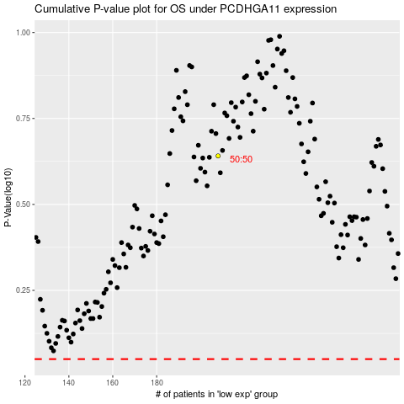

 |  |  |  |  |  | cases_OS | p_OS | rank | exp
 |  |  |  |  |  |  | cases_RFS | p_RFS | rank | exp

