PCDHGA2 _multivariate
Reported by Tex Li-Hsing Chi. tex@gate.sinica.edu.tw 2019-08-17

Table 2. The clinicopathological features of HNSCC cohort and PCDHGA2 expression. (Chi square test)
Cutoff at -0.325 (49.8%)
 |  | PCDHGA2 expression |  | PCDHGA2 expression |  | (Optimised)
 | Features | Low | (%) | High | (%) | Case no | P-value | Remark | Matthews
Gender | Female | 150 | 36.1 | 156 | 37.6 | 415 | 0.6344 | 0 | 0
2 | Male | 57 | 13.7 | 52 | 12.5
Age at diagnosis | <=65y | 135 | 32.5 | 139 | 33.5 | 415 | 0.8084 | 0 | 0
4 | >65y | 72 | 17.3 | 69 | 16.6
Clinical T Status | T1+T2 | 83 | 20 | 66 | 15.9 | 415 | 0.0941 | 0 | 0
6 | T3+T4 | 124 | 29.9 | 142 | 34.2
Clinical N Status | N0 | 110 | 26.5 | 106 | 25.5 | 415 | 0.7294 | 0 | 0
8 | N1-3 | 97 | 23.4 | 102 | 24.6
Clinical M Status | M0 | 205 | 49.4 | 207 | 49.9 | 415 | 0.6232 | 0 | 0
10 | M1 | 2 | 0.5 | 1 | 0.2
Clinical Stage | Stage I+II | 55 | 13.3 | 47 | 11.3 | 415 | 0.4087 | 0 | 0
12 | Stage III+IV | 152 | 36.6 | 161 | 38.8
Surgical Margin status | Negative | 147 | 35.4 | 171 | 41.2 | 415 | 0.0077 | 1 | 0
14 | Positive | 60 | 14.5 | 37 | 8.9
Tobacco Exposure | Low | 93 | 22.4 | 68 | 16.4 | 415 | 0.0118 | 1 | 0
16 | High | 114 | 27.5 | 140 | 33.7

Table 3. Univariate/Multivariate Cox's proportional hazards regression analyses on OS time of PCDHGA2 gene expression in HNSCC

 |  | Univariate |  |  |  | Multivariate
 | Features | HR | CI95%(L) | CI95%(H) | P-value | HR | CI95%(L) | CI95%(H) | P-value
1 | Female | 1 |  |  |  | 1
Gender | Male | 1.157 | 0.843 | 1.587 | 0.367 | 1.203 | 0.861 | 1.681 | 0.279
11 | <=65y | 1 |  |  |  | 1
Age at diagnosis | >65y | 1.329 | 0.99 | 1.784 | 0.058 | 1.394 | 1.025 | 1.896 | 0.034
12 | T1+T2 | 1 |  |  |  | 1
Clinical T Status | T3+T4 | 1.409 | 1.028 | 1.931 | 0.033 | 2.195 | 1.16 | 4.156 | 0.016
13 | N0 | 1 |  |  |  | 1
Clinical N Status | N1-3 | 1.185 | 0.89 | 1.577 | 0.246 | 1.24 | 0.869 | 1.769 | 0.236
14 | M0 | 1 |  |  |  | 1
Clinical M Status | M1 | 4.097 | 1.009 | 16.644 | 0.049 | 9.424 | 2.056 | 43.205 | 0.004
15 | Stage I+II | 1 |  |  |  | 1
Clinical Stage | Stage III+IV | 1.245 | 0.882 | 1.759 | 0.213 | 0.506 | 0.236 | 1.086 | 0.081
16 | Negative | 1 |  |  |  | 1
Surgical Margin status | Positive | 1.591 | 1.155 | 2.191 | 0.004 | 1.679 | 1.21 | 2.332 | 0.002
17 | Low | 1 |  |  |  | 1
Tobacco Exposure | High | 1.364 | 1.008 | 1.844 | 0.044 | 1.45 | 1.051 | 2 | 0.024
18 | Low | 1 |  |  |  | 1
RNAseq(z-score) | High | 0.985 | 0.74 | 1.312 | 0.92 | 1.025 | 0.763 | 1.376 | 0.871

Table 4. Univariate/Multivariate Cox's proportional hazards regression analyses on RFS time of PCDHGA2 gene expression in HNSCC

 |  | Univariate |  |  |  | Multivariate
 | Features | HR | CI95%(L) | CI95%(H) | P-value | HR | CI95%(L) | CI95%(H) | P-value
1 | Female | 1 |  |  |  | 1
Gender | Male | 1.157 | 0.843 | 1.587 | 0.367 | 1.203 | 0.861 | 1.681 | 0.279
11 | <=65y | 1 |  |  |  | 1
Age at diagnosis | >65y | 1.329 | 0.99 | 1.784 | 0.058 | 1.394 | 1.025 | 1.896 | 0.034
12 | T1+T2 | 1 |  |  |  | 1
Clinical T Status | T3+T4 | 1.409 | 1.028 | 1.931 | 0.033 | 2.195 | 1.16 | 4.156 | 0.016
13 | N0 | 1 |  |  |  | 1
Clinical N Status | N1-3 | 1.185 | 0.89 | 1.577 | 0.246 | 1.24 | 0.869 | 1.769 | 0.236
14 | M0 | 1 |  |  |  | 1
Clinical M Status | M1 | 4.097 | 1.009 | 16.644 | 0.049 | 9.424 | 2.056 | 43.205 | 0.004
15 | Stage I+II | 1 |  |  |  | 1
Clinical Stage | Stage III+IV | 1.245 | 0.882 | 1.759 | 0.213 | 0.506 | 0.236 | 1.086 | 0.081
16 | Negative | 1 |  |  |  | 1
Surgical Margin status | Positive | 1.591 | 1.155 | 2.191 | 0.004 | 1.679 | 1.21 | 2.332 | 0.002
17 | Low | 1 |  |  |  | 1
Tobacco Exposure | High | 1.364 | 1.008 | 1.844 | 0.044 | 1.45 | 1.051 | 2 | 0.024
18 | Low | 1 |  |  |  | 1
RNAseq(z-score) | High | 0.985 | 0.74 | 1.312 | 0.92 | 1.025 | 0.763 | 1.376 | 0.871

Kaplan-Meier survival estimate: Cutoff at -0.325 (49.8%)



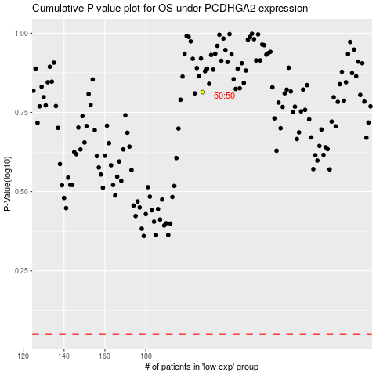

 |  |  |  |  |  | cases_OS | p_OS | rank | exp
 |  |  |  |  |  |  | cases_RFS | p_RFS | rank | exp

