PCDHGA4 _multivariate
Reported by Tex Li-Hsing Chi. tex@gate.sinica.edu.tw 2019-08-17

Table 2. The clinicopathological features of HNSCC cohort and PCDHGA4 expression. (Chi square test)
Cutoff at -0.242 (46.9%)
 |  | PCDHGA4 expression |  | PCDHGA4 expression |  | (Optimised)
 | Features | Low | (%) | High | (%) | Case no | P-value | Remark | Matthews
Gender | Female | 147 | 35.4 | 159 | 38.3 | 415 | 0.5437 | 0 | 0
2 | Male | 48 | 11.6 | 61 | 14.7
Age at diagnosis | <=65y | 135 | 32.5 | 139 | 33.5 | 415 | 0.2322 | 0 | 0
4 | >65y | 60 | 14.5 | 81 | 19.5
Clinical T Status | T1+T2 | 75 | 18.1 | 74 | 17.8 | 415 | 0.3575 | 0 | 0
6 | T3+T4 | 120 | 28.9 | 146 | 35.2
Clinical N Status | N0 | 94 | 22.7 | 122 | 29.4 | 415 | 0.1685 | 0 | 0
8 | N1-3 | 101 | 24.3 | 98 | 23.6
Clinical M Status | M0 | 194 | 46.7 | 218 | 52.5 | 415 | 1 | 0 | 0
10 | M1 | 1 | 0.2 | 2 | 0.5
Clinical Stage | Stage I+II | 47 | 11.3 | 55 | 13.3 | 415 | 0.9222 | 0 | 0
12 | Stage III+IV | 148 | 35.7 | 165 | 39.8
Surgical Margin status | Negative | 143 | 34.5 | 175 | 42.2 | 415 | 0.163 | 0 | 0
14 | Positive | 52 | 12.5 | 45 | 10.8
Tobacco Exposure | Low | 76 | 18.3 | 85 | 20.5 | 415 | 1 | 0 | 0
16 | High | 119 | 28.7 | 135 | 32.5

Table 3. Univariate/Multivariate Cox's proportional hazards regression analyses on OS time of PCDHGA4 gene expression in HNSCC

 |  | Univariate |  |  |  | Multivariate
 | Features | HR | CI95%(L) | CI95%(H) | P-value | HR | CI95%(L) | CI95%(H) | P-value
1 | Female | 1 |  |  |  | 1
Gender | Male | 1.157 | 0.843 | 1.587 | 0.367 | 1.197 | 0.858 | 1.67 | 0.291
11 | <=65y | 1 |  |  |  | 1
Age at diagnosis | >65y | 1.329 | 0.99 | 1.784 | 0.058 | 1.383 | 1.017 | 1.88 | 0.039
12 | T1+T2 | 1 |  |  |  | 1
Clinical T Status | T3+T4 | 1.409 | 1.028 | 1.931 | 0.033 | 2.176 | 1.152 | 4.112 | 0.017
13 | N0 | 1 |  |  |  | 1
Clinical N Status | N1-3 | 1.185 | 0.89 | 1.577 | 0.246 | 1.308 | 0.914 | 1.871 | 0.142
14 | M0 | 1 |  |  |  | 1
Clinical M Status | M1 | 4.097 | 1.009 | 16.644 | 0.049 | 8.862 | 1.932 | 40.648 | 0.005
15 | Stage I+II | 1 |  |  |  | 1
Clinical Stage | Stage III+IV | 1.245 | 0.882 | 1.759 | 0.213 | 0.511 | 0.238 | 1.097 | 0.085
16 | Negative | 1 |  |  |  | 1
Surgical Margin status | Positive | 1.591 | 1.155 | 2.191 | 0.004 | 1.749 | 1.264 | 2.42 | 0.001
17 | Low | 1 |  |  |  | 1
Tobacco Exposure | High | 1.364 | 1.008 | 1.844 | 0.044 | 1.457 | 1.058 | 2.007 | 0.021
18 | Low | 1 |  |  |  | 1
RNAseq(z-score) | High | 1.405 | 1.05 | 1.878 | 0.022 | 1.489 | 1.107 | 2.003 | 0.009

Table 4. Univariate/Multivariate Cox's proportional hazards regression analyses on RFS time of PCDHGA4 gene expression in HNSCC

 |  | Univariate |  |  |  | Multivariate
 | Features | HR | CI95%(L) | CI95%(H) | P-value | HR | CI95%(L) | CI95%(H) | P-value
1 | Female | 1 |  |  |  | 1
Gender | Male | 1.157 | 0.843 | 1.587 | 0.367 | 1.197 | 0.858 | 1.67 | 0.291
11 | <=65y | 1 |  |  |  | 1
Age at diagnosis | >65y | 1.329 | 0.99 | 1.784 | 0.058 | 1.383 | 1.017 | 1.88 | 0.039
12 | T1+T2 | 1 |  |  |  | 1
Clinical T Status | T3+T4 | 1.409 | 1.028 | 1.931 | 0.033 | 2.176 | 1.152 | 4.112 | 0.017
13 | N0 | 1 |  |  |  | 1
Clinical N Status | N1-3 | 1.185 | 0.89 | 1.577 | 0.246 | 1.308 | 0.914 | 1.871 | 0.142
14 | M0 | 1 |  |  |  | 1
Clinical M Status | M1 | 4.097 | 1.009 | 16.644 | 0.049 | 8.862 | 1.932 | 40.648 | 0.005
15 | Stage I+II | 1 |  |  |  | 1
Clinical Stage | Stage III+IV | 1.245 | 0.882 | 1.759 | 0.213 | 0.511 | 0.238 | 1.097 | 0.085
16 | Negative | 1 |  |  |  | 1
Surgical Margin status | Positive | 1.591 | 1.155 | 2.191 | 0.004 | 1.749 | 1.264 | 2.42 | 0.001
17 | Low | 1 |  |  |  | 1
Tobacco Exposure | High | 1.364 | 1.008 | 1.844 | 0.044 | 1.457 | 1.058 | 2.007 | 0.021
18 | Low | 1 |  |  |  | 1
RNAseq(z-score) | High | 1.405 | 1.05 | 1.878 | 0.022 | 1.489 | 1.107 | 2.003 | 0.009

Kaplan-Meier survival estimate: Cutoff at -0.242 (46.9%)

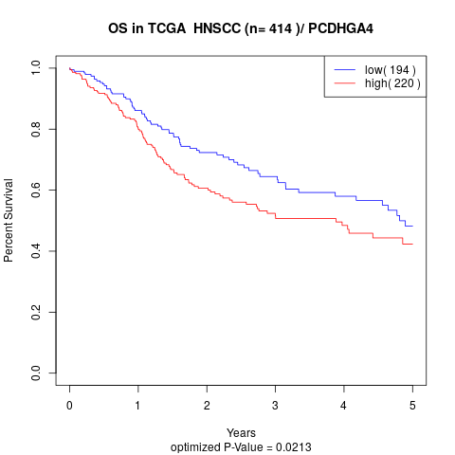

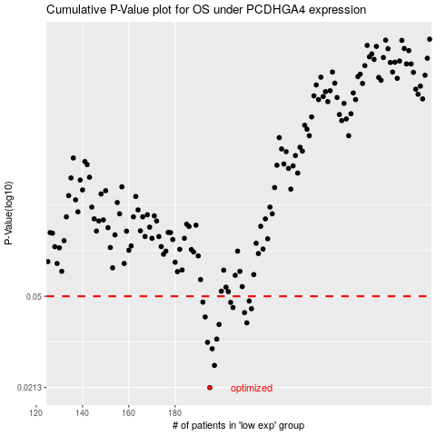

 |  |  |  |  |  | cases_OS | p_OS | rank | exp
 |  |  |  |  |  | 195 | 0.0213 | 155 | -0.24178355407
 |  |  |  |  |  | 197 | 0.0262 | 181 | -0.23882434226
 |  |  |  |  |  | 196 | 0.0306 | 293 | -0.24073923992
 |  |  |  |  |  | 194 | 0.0325 | 232 | -0.24437214053
 |  |  |  |  |  | 198 | 0.0335 | 275 | -0.23284800842
 |  |  |  |  |  | 199 | 0.0384 | 222 | -0.23255845736
 |  |  |  |  |  | 211 | 0.039 | 74 | -0.17442818693
 |  |  |  |  |  | 193 | 0.0412 | 105 | -0.25220160115
 |  |  |  |  |  | 210 | 0.0429 | 332 | -0.18111295569
 |  |  |  |  |  | 213 | 0.0445 | 239 | -0.170799147
 |  |  |  |  |  | 205 | 0.045 | 64 | -0.20385043512
 |  |  |  |  |  | 204 | 0.0472 | 304 | -0.21185362636
 |  |  |  |  |  | 192 | 0.0473 | 178 | -0.25337138742
 |  |  |  |  |  | 212 | 0.0478 | 197 | -0.17126821971
 |  |  |  |  |  |  | cases_RFS | p_RFS | rank | exp
 |  |  |  |  |  |  | 194 | 0.0213 | 232 | -0.24437214053
 |  |  |  |  |  |  | 196 | 0.0262 | 293 | -0.24073923992
 |  |  |  |  |  |  | 195 | 0.0306 | 155 | -0.24178355407
 |  |  |  |  |  |  | 193 | 0.0325 | 105 | -0.25220160115
 |  |  |  |  |  |  | 197 | 0.0335 | 181 | -0.23882434226
 |  |  |  |  |  |  | 198 | 0.0384 | 275 | -0.23284800842
 |  |  |  |  |  |  | 210 | 0.039 | 332 | -0.18111295569
 |  |  |  |  |  |  | 192 | 0.0412 | 178 | -0.25337138742
 |  |  |  |  |  |  | 209 | 0.0429 | 109 | -0.18160519249
 |  |  |  |  |  |  | 212 | 0.0445 | 197 | -0.17126821971
 |  |  |  |  |  |  | 204 | 0.045 | 304 | -0.21185362636
 |  |  |  |  |  |  | 203 | 0.0472 | 346 | -0.21608493249
 |  |  |  |  |  |  | 191 | 0.0473 | 112 | -0.25818372601
 |  |  |  |  |  |  | 211 | 0.0478 | 74 | -0.17442818693

