PCDHGA6 _multivariate
Reported by Tex Li-Hsing Chi. tex@gate.sinica.edu.tw 2019-08-17

Table 2. The clinicopathological features of HNSCC cohort and PCDHGA6 expression. (Chi square test)
Cutoff at -0.239 (49.8%)
 |  | PCDHGA6 expression |  | PCDHGA6 expression |  | (Optimised)
 | Features | Low | (%) | High | (%) | Case no | P-value | Remark | Matthews
Gender | Female | 154 | 37.1 | 152 | 36.6 | 415 | 0.8463 | 0 | 0
2 | Male | 53 | 12.8 | 56 | 13.5
Age at diagnosis | <=65y | 139 | 33.5 | 135 | 32.5 | 415 | 0.7044 | 0 | 0
4 | >65y | 68 | 16.4 | 73 | 17.6
Clinical T Status | T1+T2 | 78 | 18.8 | 71 | 17.1 | 415 | 0.5152 | 0 | 0
6 | T3+T4 | 129 | 31.1 | 137 | 33
Clinical N Status | N0 | 106 | 25.5 | 110 | 26.5 | 415 | 0.8075 | 0 | 0
8 | N1-3 | 101 | 24.3 | 98 | 23.6
Clinical M Status | M0 | 205 | 49.4 | 207 | 49.9 | 415 | 0.6232 | 0 | 0
10 | M1 | 2 | 0.5 | 1 | 0.2
Clinical Stage | Stage I+II | 50 | 12 | 52 | 12.5 | 415 | 0.9315 | 0 | 0
12 | Stage III+IV | 157 | 37.8 | 156 | 37.6
Surgical Margin status | Negative | 159 | 38.3 | 159 | 38.3 | 415 | 1 | 0 | 0
14 | Positive | 48 | 11.6 | 49 | 11.8
Tobacco Exposure | Low | 80 | 19.3 | 81 | 19.5 | 415 | 1 | 0 | 0
16 | High | 127 | 30.6 | 127 | 30.6

Table 3. Univariate/Multivariate Cox's proportional hazards regression analyses on OS time of PCDHGA6 gene expression in HNSCC

 |  | Univariate |  |  |  | Multivariate
 | Features | HR | CI95%(L) | CI95%(H) | P-value | HR | CI95%(L) | CI95%(H) | P-value
1 | Female | 1 |  |  |  | 1
Gender | Male | 1.157 | 0.843 | 1.587 | 0.367 | 1.202 | 0.861 | 1.679 | 0.28
11 | <=65y | 1 |  |  |  | 1
Age at diagnosis | >65y | 1.329 | 0.99 | 1.784 | 0.058 | 1.388 | 1.021 | 1.887 | 0.036
12 | T1+T2 | 1 |  |  |  | 1
Clinical T Status | T3+T4 | 1.409 | 1.028 | 1.931 | 0.033 | 2.19 | 1.158 | 4.141 | 0.016
13 | N0 | 1 |  |  |  | 1
Clinical N Status | N1-3 | 1.185 | 0.89 | 1.577 | 0.246 | 1.242 | 0.871 | 1.773 | 0.231
14 | M0 | 1 |  |  |  | 1
Clinical M Status | M1 | 4.097 | 1.009 | 16.644 | 0.049 | 9.479 | 2.068 | 43.456 | 0.004
15 | Stage I+II | 1 |  |  |  | 1
Clinical Stage | Stage III+IV | 1.245 | 0.882 | 1.759 | 0.213 | 0.506 | 0.236 | 1.087 | 0.081
16 | Negative | 1 |  |  |  | 1
Surgical Margin status | Positive | 1.591 | 1.155 | 2.191 | 0.004 | 1.677 | 1.214 | 2.317 | 0.002
17 | Low | 1 |  |  |  | 1
Tobacco Exposure | High | 1.364 | 1.008 | 1.844 | 0.044 | 1.467 | 1.063 | 2.024 | 0.02
18 | Low | 1 |  |  |  | 1
RNAseq(z-score) | High | 1.073 | 0.805 | 1.43 | 0.63 | 1.103 | 0.826 | 1.473 | 0.507

Table 4. Univariate/Multivariate Cox's proportional hazards regression analyses on RFS time of PCDHGA6 gene expression in HNSCC

 |  | Univariate |  |  |  | Multivariate
 | Features | HR | CI95%(L) | CI95%(H) | P-value | HR | CI95%(L) | CI95%(H) | P-value
1 | Female | 1 |  |  |  | 1
Gender | Male | 1.157 | 0.843 | 1.587 | 0.367 | 1.202 | 0.861 | 1.679 | 0.28
11 | <=65y | 1 |  |  |  | 1
Age at diagnosis | >65y | 1.329 | 0.99 | 1.784 | 0.058 | 1.388 | 1.021 | 1.887 | 0.036
12 | T1+T2 | 1 |  |  |  | 1
Clinical T Status | T3+T4 | 1.409 | 1.028 | 1.931 | 0.033 | 2.19 | 1.158 | 4.141 | 0.016
13 | N0 | 1 |  |  |  | 1
Clinical N Status | N1-3 | 1.185 | 0.89 | 1.577 | 0.246 | 1.242 | 0.871 | 1.773 | 0.231
14 | M0 | 1 |  |  |  | 1
Clinical M Status | M1 | 4.097 | 1.009 | 16.644 | 0.049 | 9.479 | 2.068 | 43.456 | 0.004
15 | Stage I+II | 1 |  |  |  | 1
Clinical Stage | Stage III+IV | 1.245 | 0.882 | 1.759 | 0.213 | 0.506 | 0.236 | 1.087 | 0.081
16 | Negative | 1 |  |  |  | 1
Surgical Margin status | Positive | 1.591 | 1.155 | 2.191 | 0.004 | 1.677 | 1.214 | 2.317 | 0.002
17 | Low | 1 |  |  |  | 1
Tobacco Exposure | High | 1.364 | 1.008 | 1.844 | 0.044 | 1.467 | 1.063 | 2.024 | 0.02
18 | Low | 1 |  |  |  | 1
RNAseq(z-score) | High | 1.073 | 0.805 | 1.43 | 0.63 | 1.103 | 0.826 | 1.473 | 0.507

Kaplan-Meier survival estimate: Cutoff at -0.239 (49.8%)



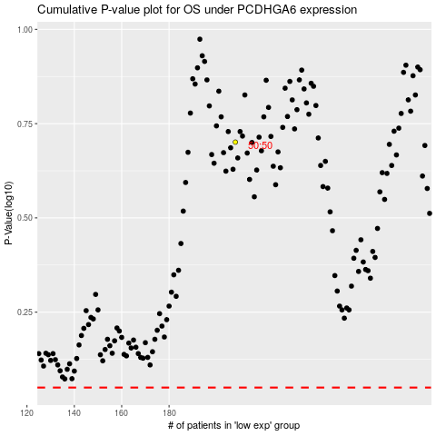

 |  |  |  |  |  | cases_OS | p_OS | rank | exp
 |  |  |  |  |  |  | cases_RFS | p_RFS | rank | exp

