PCDHGB1 _multivariate
Reported by Tex Li-Hsing Chi. tex@gate.sinica.edu.tw 2019-08-17

Table 2. The clinicopathological features of HNSCC cohort and PCDHGB1 expression. (Chi square test)
Cutoff at -0.176 (62.1%)
 |  | PCDHGB1 expression |  | PCDHGB1 expression |  | (Optimised)
 | Features | Low | (%) | High | (%) | Case no | P-value | Remark | Matthews
Gender | Female | 190 | 45.8 | 116 | 28 | 415 | 1 | 0 | 0
2 | Male | 68 | 16.4 | 41 | 9.9
Age at diagnosis | <=65y | 169 | 40.7 | 105 | 25.3 | 415 | 0.8572 | 0 | 0
4 | >65y | 89 | 21.4 | 52 | 12.5
Clinical T Status | T1+T2 | 104 | 25.1 | 45 | 10.8 | 415 | 0.0218 | 1 | 0
6 | T3+T4 | 154 | 37.1 | 112 | 27
Clinical N Status | N0 | 135 | 32.5 | 81 | 19.5 | 415 | 0.9651 | 0 | 0
8 | N1-3 | 123 | 29.6 | 76 | 18.3
Clinical M Status | M0 | 257 | 61.9 | 155 | 37.3 | 415 | 0.5599 | 0 | 0
10 | M1 | 1 | 0.2 | 2 | 0.5
Clinical Stage | Stage I+II | 69 | 16.6 | 33 | 8 | 415 | 0.2316 | 0 | 0
12 | Stage III+IV | 189 | 45.5 | 124 | 29.9
Surgical Margin status | Negative | 192 | 46.3 | 126 | 30.4 | 415 | 0.1895 | 0 | 0
14 | Positive | 66 | 15.9 | 31 | 7.5
Tobacco Exposure | Low | 105 | 25.3 | 56 | 13.5 | 415 | 0.3501 | 0 | 0
16 | High | 153 | 36.9 | 101 | 24.3

Table 3. Univariate/Multivariate Cox's proportional hazards regression analyses on OS time of PCDHGB1 gene expression in HNSCC

 |  | Univariate |  |  |  | Multivariate
 | Features | HR | CI95%(L) | CI95%(H) | P-value | HR | CI95%(L) | CI95%(H) | P-value
1 | Female | 1 |  |  |  | 1
Gender | Male | 1.157 | 0.843 | 1.587 | 0.367 | 1.242 | 0.89 | 1.734 | 0.203
11 | <=65y | 1 |  |  |  | 1
Age at diagnosis | >65y | 1.329 | 0.99 | 1.784 | 0.058 | 1.412 | 1.039 | 1.919 | 0.028
12 | T1+T2 | 1 |  |  |  | 1
Clinical T Status | T3+T4 | 1.409 | 1.028 | 1.931 | 0.033 | 2.074 | 1.097 | 3.92 | 0.025
13 | N0 | 1 |  |  |  | 1
Clinical N Status | N1-3 | 1.185 | 0.89 | 1.577 | 0.246 | 1.245 | 0.873 | 1.774 | 0.226
14 | M0 | 1 |  |  |  | 1
Clinical M Status | M1 | 4.097 | 1.009 | 16.644 | 0.049 | 7.758 | 1.682 | 35.789 | 0.009
15 | Stage I+II | 1 |  |  |  | 1
Clinical Stage | Stage III+IV | 1.245 | 0.882 | 1.759 | 0.213 | 0.526 | 0.245 | 1.128 | 0.099
16 | Negative | 1 |  |  |  | 1
Surgical Margin status | Positive | 1.591 | 1.155 | 2.191 | 0.004 | 1.715 | 1.241 | 2.37 | 0.001
17 | Low | 1 |  |  |  | 1
Tobacco Exposure | High | 1.364 | 1.008 | 1.844 | 0.044 | 1.483 | 1.075 | 2.045 | 0.016
18 | Low | 1 |  |  |  | 1
RNAseq(z-score) | High | 1.464 | 1.096 | 1.956 | 0.01 | 1.49 | 1.11 | 2.002 | 0.008

Table 4. Univariate/Multivariate Cox's proportional hazards regression analyses on RFS time of PCDHGB1 gene expression in HNSCC

 |  | Univariate |  |  |  | Multivariate
 | Features | HR | CI95%(L) | CI95%(H) | P-value | HR | CI95%(L) | CI95%(H) | P-value
1 | Female | 1 |  |  |  | 1
Gender | Male | 1.157 | 0.843 | 1.587 | 0.367 | 1.242 | 0.89 | 1.734 | 0.203
11 | <=65y | 1 |  |  |  | 1
Age at diagnosis | >65y | 1.329 | 0.99 | 1.784 | 0.058 | 1.412 | 1.039 | 1.919 | 0.028
12 | T1+T2 | 1 |  |  |  | 1
Clinical T Status | T3+T4 | 1.409 | 1.028 | 1.931 | 0.033 | 2.074 | 1.097 | 3.92 | 0.025
13 | N0 | 1 |  |  |  | 1
Clinical N Status | N1-3 | 1.185 | 0.89 | 1.577 | 0.246 | 1.245 | 0.873 | 1.774 | 0.226
14 | M0 | 1 |  |  |  | 1
Clinical M Status | M1 | 4.097 | 1.009 | 16.644 | 0.049 | 7.758 | 1.682 | 35.789 | 0.009
15 | Stage I+II | 1 |  |  |  | 1
Clinical Stage | Stage III+IV | 1.245 | 0.882 | 1.759 | 0.213 | 0.526 | 0.245 | 1.128 | 0.099
16 | Negative | 1 |  |  |  | 1
Surgical Margin status | Positive | 1.591 | 1.155 | 2.191 | 0.004 | 1.715 | 1.241 | 2.37 | 0.001
17 | Low | 1 |  |  |  | 1
Tobacco Exposure | High | 1.364 | 1.008 | 1.844 | 0.044 | 1.483 | 1.075 | 2.045 | 0.016
18 | Low | 1 |  |  |  | 1
RNAseq(z-score) | High | 1.464 | 1.096 | 1.956 | 0.01 | 1.49 | 1.11 | 2.002 | 0.008

Kaplan-Meier survival estimate: Cutoff at -0.176 (62.1%)

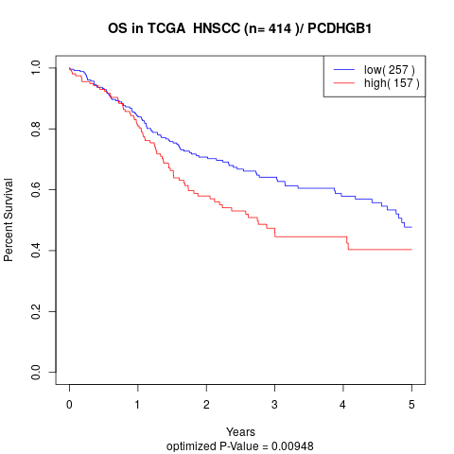

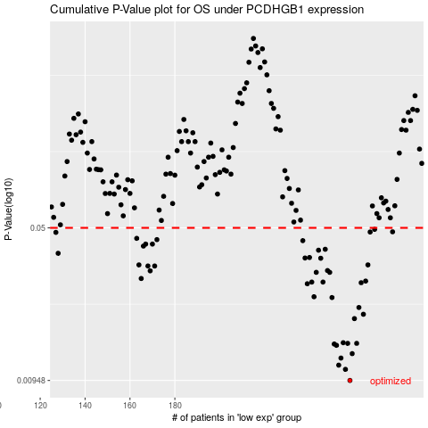

 |  |  |  |  |  | cases_OS | p_OS | rank | exp
 |  |  |  |  |  | 258 | 0.00948 | 86 | -0.17649054428
 |  |  |  |  |  | 256 | 0.0107 | 185 | -0.18795355238
 |  |  |  |  |  | 253 | 0.0112 | 243 | -0.20153233994
 |  |  |  |  |  | 254 | 0.0121 | 266 | -0.19891764653
 |  |  |  |  |  | 259 | 0.0127 | 191 | -0.17162152869
 |  |  |  |  |  | 252 | 0.0139 | 167 | -0.20562455535
 |  |  |  |  |  | 251 | 0.0141 | 306 | -0.20898241429
 |  |  |  |  |  | 257 | 0.0142 | 120 | -0.18102721753
 |  |  |  |  |  | 261 | 0.0142 | 239 | -0.16687423849
 |  |  |  |  |  | 255 | 0.0143 | 75 | -0.19645751234
 |  |  |  |  |  | 260 | 0.0186 | 6 | -0.17082791118
 |  |  |  |  |  | 264 | 0.0195 | 283 | -0.16254257642
 |  |  |  |  |  | 262 | 0.021 | 176 | -0.16617591914
 |  |  |  |  |  | 250 | 0.0234 | 183 | -0.21217290083
 |  |  |  |  |  | 242 | 0.0236 | 263 | -0.25361719277
 |  |  |  |  |  | 239 | 0.0272 | 186 | -0.26869031966
 |  |  |  |  |  | 263 | 0.0275 | 321 | -0.16296781446
 |  |  |  |  |  | 241 | 0.0277 | 11 | -0.26312618802
 |  |  |  |  |  | 246 | 0.0277 | 85 | -0.24724102465
 |  |  |  |  |  | 265 | 0.028 | 412 | -0.16048685882
 |  |  |  |  |  | 165 | 0.0288 | 413 | -0.39801713976
 |  |  |  |  |  | 249 | 0.0308 | 49 | -0.22076415071
 |  |  |  |  |  | 243 | 0.0308 | 143 | -0.25336172961
 |  |  |  |  |  | 169 | 0.0313 | 69 | -0.39467209401
 |  |  |  |  |  | 248 | 0.0314 | 13 | -0.24182264315
 |  |  |  |  |  | 171 | 0.033 | 12 | -0.39389048887
 |  |  |  |  |  | 168 | 0.033 | 81 | -0.39500203388
 |  |  |  |  |  | 266 | 0.0334 | 257 | -0.15489229584
 |  |  |  |  |  | 164 | 0.0334 | 293 | -0.39968605892
 |  |  |  |  |  | 245 | 0.0359 | 40 | -0.24811792795
 |  |  |  |  |  | 238 | 0.036 | 41 | -0.27136187163
 |  |  |  |  |  | 240 | 0.0362 | 127 | -0.26541094156
 |  |  |  |  |  | 128 | 0.0379 | 204 | -0.43864619191
 |  |  |  |  |  | 244 | 0.0392 | 374 | -0.2487105384
 |  |  |  |  |  | 247 | 0.0396 | 59 | -0.24186428605
 |  |  |  |  |  | 166 | 0.041 | 228 | -0.39787619457
 |  |  |  |  |  | 167 | 0.0419 | 73 | -0.39511575102
 |  |  |  |  |  | 170 | 0.0419 | 242 | -0.39399699859
 |  |  |  |  |  | 237 | 0.0435 | 95 | -0.27170062058
 |  |  |  |  |  | 172 | 0.044 | 201 | -0.3932618413
 |  |  |  |  |  | 163 | 0.0446 | 396 | -0.4010474613
 |  |  |  |  |  | 127 | 0.0476 | 400 | -0.43900255901
 |  |  |  |  |  | 267 | 0.0478 | 138 | -0.14845926915
 |  |  |  |  |  | 277 | 0.0479 | 221 | -0.10336401634
 |  |  |  |  |  | 269 | 0.0492 | 323 | -0.1418508618
 |  |  |  |  |  |  | cases_RFS | p_RFS | rank | exp
 |  |  |  |  |  |  | 257 | 0.00948 | 120 | -0.18102721753
 |  |  |  |  |  |  | 255 | 0.0107 | 75 | -0.19645751234
 |  |  |  |  |  |  | 252 | 0.0112 | 167 | -0.20562455535
 |  |  |  |  |  |  | 253 | 0.0121 | 243 | -0.20153233994
 |  |  |  |  |  |  | 258 | 0.0127 | 86 | -0.17649054428
 |  |  |  |  |  |  | 251 | 0.0139 | 306 | -0.20898241429
 |  |  |  |  |  |  | 250 | 0.0141 | 183 | -0.21217290083
 |  |  |  |  |  |  | 260 | 0.0142 | 6 | -0.17082791118
 |  |  |  |  |  |  | 256 | 0.0142 | 185 | -0.18795355238
 |  |  |  |  |  |  | 254 | 0.0143 | 266 | -0.19891764653
 |  |  |  |  |  |  | 259 | 0.0186 | 191 | -0.17162152869
 |  |  |  |  |  |  | 263 | 0.0195 | 321 | -0.16296781446
 |  |  |  |  |  |  | 261 | 0.021 | 239 | -0.16687423849
 |  |  |  |  |  |  | 249 | 0.0234 | 49 | -0.22076415071
 |  |  |  |  |  |  | 241 | 0.0236 | 11 | -0.26312618802
 |  |  |  |  |  |  | 238 | 0.0272 | 41 | -0.27136187163
 |  |  |  |  |  |  | 262 | 0.0275 | 176 | -0.16617591914
 |  |  |  |  |  |  | 245 | 0.0277 | 40 | -0.24811792795
 |  |  |  |  |  |  | 240 | 0.0277 | 127 | -0.26541094156
 |  |  |  |  |  |  | 264 | 0.028 | 283 | -0.16254257642
 |  |  |  |  |  |  | 164 | 0.0288 | 293 | -0.39968605892
 |  |  |  |  |  |  | 248 | 0.0308 | 13 | -0.24182264315
 |  |  |  |  |  |  | 242 | 0.0308 | 263 | -0.25361719277
 |  |  |  |  |  |  | 168 | 0.0313 | 81 | -0.39500203388
 |  |  |  |  |  |  | 247 | 0.0314 | 59 | -0.24186428605
 |  |  |  |  |  |  | 167 | 0.033 | 73 | -0.39511575102
 |  |  |  |  |  |  | 170 | 0.033 | 242 | -0.39399699859
 |  |  |  |  |  |  | 163 | 0.0334 | 396 | -0.4010474613
 |  |  |  |  |  |  | 265 | 0.0334 | 412 | -0.16048685882
 |  |  |  |  |  |  | 244 | 0.0359 | 374 | -0.2487105384
 |  |  |  |  |  |  | 237 | 0.036 | 95 | -0.27170062058
 |  |  |  |  |  |  | 239 | 0.0362 | 186 | -0.26869031966
 |  |  |  |  |  |  | 127 | 0.0379 | 400 | -0.43900255901
 |  |  |  |  |  |  | 243 | 0.0392 | 143 | -0.25336172961
 |  |  |  |  |  |  | 246 | 0.0396 | 85 | -0.24724102465
 |  |  |  |  |  |  | 165 | 0.041 | 413 | -0.39801713976
 |  |  |  |  |  |  | 169 | 0.0419 | 69 | -0.39467209401
 |  |  |  |  |  |  | 166 | 0.0419 | 228 | -0.39787619457
 |  |  |  |  |  |  | 236 | 0.0435 | 112 | -0.27661127907
 |  |  |  |  |  |  | 171 | 0.044 | 12 | -0.39389048887
 |  |  |  |  |  |  | 162 | 0.0446 | 272 | -0.40120842711
 |  |  |  |  |  |  | 126 | 0.0476 | 357 | -0.43921958256
 |  |  |  |  |  |  | 266 | 0.0478 | 257 | -0.15489229584
 |  |  |  |  |  |  | 276 | 0.0479 | 292 | -0.10425533449
 |  |  |  |  |  |  | 268 | 0.0492 | 44 | -0.14272936675

