PCDHGB2 _multivariate
Reported by Tex Li-Hsing Chi. tex@gate.sinica.edu.tw 2019-08-17

Table 2. The clinicopathological features of HNSCC cohort and PCDHGB2 expression. (Chi square test)
Cutoff at -0.359 (50.0%)
 |  | PCDHGB2 expression |  | PCDHGB2 expression |  | (Optimised)
 | Features | Low | (%) | High | (%) | Case no | P-value | Remark | Matthews
Gender | Female | 152 | 36.6 | 154 | 37.1 | 415 | 0.9766 | 0 | 0
2 | Male | 55 | 13.3 | 54 | 13
Age at diagnosis | <=65y | 141 | 34 | 133 | 32 | 415 | 0.4272 | 0 | 0
4 | >65y | 66 | 15.9 | 75 | 18.1
Clinical T Status | T1+T2 | 73 | 17.6 | 76 | 18.3 | 415 | 0.8666 | 0 | 0
6 | T3+T4 | 134 | 32.3 | 132 | 31.8
Clinical N Status | N0 | 112 | 27 | 104 | 25.1 | 415 | 0.4599 | 0 | 0
8 | N1-3 | 95 | 22.9 | 104 | 25.1
Clinical M Status | M0 | 206 | 49.6 | 206 | 49.6 | 415 | 1 | 0 | 0
10 | M1 | 1 | 0.2 | 2 | 0.5
Clinical Stage | Stage I+II | 48 | 11.6 | 54 | 13 | 415 | 0.5878 | 0 | 0
12 | Stage III+IV | 159 | 38.3 | 154 | 37.1
Surgical Margin status | Negative | 159 | 38.3 | 159 | 38.3 | 415 | 1 | 0 | 0
14 | Positive | 48 | 11.6 | 49 | 11.8
Tobacco Exposure | Low | 76 | 18.3 | 85 | 20.5 | 415 | 0.4207 | 0 | 0
16 | High | 131 | 31.6 | 123 | 29.6

Table 3. Univariate/Multivariate Cox's proportional hazards regression analyses on OS time of PCDHGB2 gene expression in HNSCC

 |  | Univariate |  |  |  | Multivariate
 | Features | HR | CI95%(L) | CI95%(H) | P-value | HR | CI95%(L) | CI95%(H) | P-value
1 | Female | 1 |  |  |  | 1
Gender | Male | 1.157 | 0.843 | 1.587 | 0.367 | 1.251 | 0.894 | 1.751 | 0.192
11 | <=65y | 1 |  |  |  | 1
Age at diagnosis | >65y | 1.329 | 0.99 | 1.784 | 0.058 | 1.384 | 1.018 | 1.882 | 0.038
12 | T1+T2 | 1 |  |  |  | 1
Clinical T Status | T3+T4 | 1.409 | 1.028 | 1.931 | 0.033 | 2.208 | 1.169 | 4.174 | 0.015
13 | N0 | 1 |  |  |  | 1
Clinical N Status | N1-3 | 1.185 | 0.89 | 1.577 | 0.246 | 1.226 | 0.859 | 1.749 | 0.263
14 | M0 | 1 |  |  |  | 1
Clinical M Status | M1 | 4.097 | 1.009 | 16.644 | 0.049 | 9.309 | 2.03 | 42.686 | 0.004
15 | Stage I+II | 1 |  |  |  | 1
Clinical Stage | Stage III+IV | 1.245 | 0.882 | 1.759 | 0.213 | 0.516 | 0.24 | 1.109 | 0.09
16 | Negative | 1 |  |  |  | 1
Surgical Margin status | Positive | 1.591 | 1.155 | 2.191 | 0.004 | 1.704 | 1.233 | 2.357 | 0.001
17 | Low | 1 |  |  |  | 1
Tobacco Exposure | High | 1.364 | 1.008 | 1.844 | 0.044 | 1.502 | 1.087 | 2.074 | 0.014
18 | Low | 1 |  |  |  | 1
RNAseq(z-score) | High | 1.247 | 0.936 | 1.662 | 0.132 | 1.338 | 1 | 1.791 | 0.05

Table 4. Univariate/Multivariate Cox's proportional hazards regression analyses on RFS time of PCDHGB2 gene expression in HNSCC

 |  | Univariate |  |  |  | Multivariate
 | Features | HR | CI95%(L) | CI95%(H) | P-value | HR | CI95%(L) | CI95%(H) | P-value
1 | Female | 1 |  |  |  | 1
Gender | Male | 1.157 | 0.843 | 1.587 | 0.367 | 1.251 | 0.894 | 1.751 | 0.192
11 | <=65y | 1 |  |  |  | 1
Age at diagnosis | >65y | 1.329 | 0.99 | 1.784 | 0.058 | 1.384 | 1.018 | 1.882 | 0.038
12 | T1+T2 | 1 |  |  |  | 1
Clinical T Status | T3+T4 | 1.409 | 1.028 | 1.931 | 0.033 | 2.208 | 1.169 | 4.174 | 0.015
13 | N0 | 1 |  |  |  | 1
Clinical N Status | N1-3 | 1.185 | 0.89 | 1.577 | 0.246 | 1.226 | 0.859 | 1.749 | 0.263
14 | M0 | 1 |  |  |  | 1
Clinical M Status | M1 | 4.097 | 1.009 | 16.644 | 0.049 | 9.309 | 2.03 | 42.686 | 0.004
15 | Stage I+II | 1 |  |  |  | 1
Clinical Stage | Stage III+IV | 1.245 | 0.882 | 1.759 | 0.213 | 0.516 | 0.24 | 1.109 | 0.09
16 | Negative | 1 |  |  |  | 1
Surgical Margin status | Positive | 1.591 | 1.155 | 2.191 | 0.004 | 1.704 | 1.233 | 2.357 | 0.001
17 | Low | 1 |  |  |  | 1
Tobacco Exposure | High | 1.364 | 1.008 | 1.844 | 0.044 | 1.502 | 1.087 | 2.074 | 0.014
18 | Low | 1 |  |  |  | 1
RNAseq(z-score) | High | 1.247 | 0.936 | 1.662 | 0.132 | 1.338 | 1 | 1.791 | 0.05

Kaplan-Meier survival estimate: Cutoff at -0.359 (50.0%)

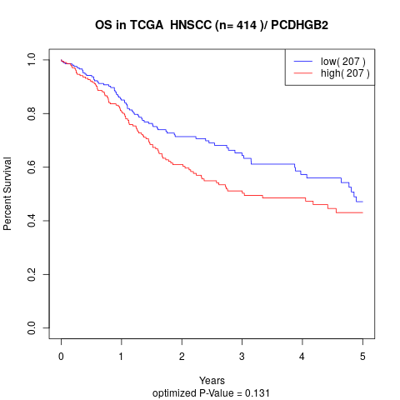

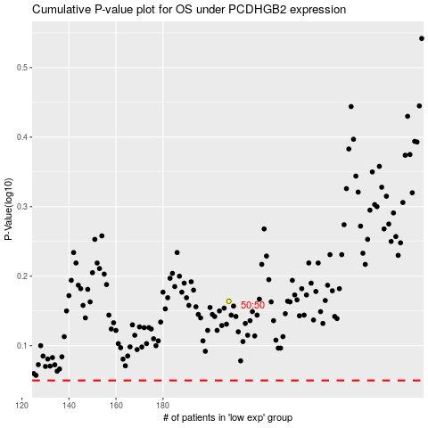

 |  |  |  |  |  | cases_OS | p_OS | rank | exp
 |  |  |  |  |  |  | cases_RFS | p_RFS | rank | exp

