PCDHGB3 _multivariate
Reported by Tex Li-Hsing Chi. tex@gate.sinica.edu.tw 2019-08-17

Table 2. The clinicopathological features of HNSCC cohort and PCDHGB3 expression. (Chi square test)
Cutoff at -0.06 (65.0%)
 |  | PCDHGB3 expression |  | PCDHGB3 expression |  | (Optimised)
 | Features | Low | (%) | High | (%) | Case no | P-value | Remark | Matthews
Gender | Female | 199 | 48 | 107 | 25.8 | 415 | 1 | 0 | 0
2 | Male | 71 | 17.1 | 38 | 9.2
Age at diagnosis | <=65y | 175 | 42.2 | 99 | 23.9 | 415 | 0.5478 | 0 | 0
4 | >65y | 95 | 22.9 | 46 | 11.1
Clinical T Status | T1+T2 | 95 | 22.9 | 54 | 13 | 415 | 0.7573 | 0 | 0
6 | T3+T4 | 175 | 42.2 | 91 | 21.9
Clinical N Status | N0 | 148 | 35.7 | 68 | 16.4 | 415 | 0.1509 | 0 | 0
8 | N1-3 | 122 | 29.4 | 77 | 18.6
Clinical M Status | M0 | 267 | 64.3 | 145 | 34.9 | 415 | 0.5547 | 0 | 0
10 | M1 | 3 | 0.7 | 0 | 0
Clinical Stage | Stage I+II | 64 | 15.4 | 38 | 9.2 | 415 | 0.6562 | 0 | 0
12 | Stage III+IV | 206 | 49.6 | 107 | 25.8
Surgical Margin status | Negative | 212 | 51.1 | 106 | 25.5 | 415 | 0.2253 | 0 | 0
14 | Positive | 58 | 14 | 39 | 9.4
Tobacco Exposure | Low | 109 | 26.3 | 52 | 12.5 | 415 | 0.3988 | 0 | 0
16 | High | 161 | 38.8 | 93 | 22.4

Table 3. Univariate/Multivariate Cox's proportional hazards regression analyses on OS time of PCDHGB3 gene expression in HNSCC

 |  | Univariate |  |  |  | Multivariate
 | Features | HR | CI95%(L) | CI95%(H) | P-value | HR | CI95%(L) | CI95%(H) | P-value
1 | Female | 1 |  |  |  | 1
Gender | Male | 1.157 | 0.843 | 1.587 | 0.367 | 1.242 | 0.889 | 1.735 | 0.204
11 | <=65y | 1 |  |  |  | 1
Age at diagnosis | >65y | 1.329 | 0.99 | 1.784 | 0.058 | 1.437 | 1.054 | 1.958 | 0.022
12 | T1+T2 | 1 |  |  |  | 1
Clinical T Status | T3+T4 | 1.409 | 1.028 | 1.931 | 0.033 | 2.24 | 1.186 | 4.23 | 0.013
13 | N0 | 1 |  |  |  | 1
Clinical N Status | N1-3 | 1.185 | 0.89 | 1.577 | 0.246 | 1.216 | 0.851 | 1.736 | 0.283
14 | M0 | 1 |  |  |  | 1
Clinical M Status | M1 | 4.097 | 1.009 | 16.644 | 0.049 | 11.667 | 2.525 | 53.903 | 0.002
15 | Stage I+II | 1 |  |  |  | 1
Clinical Stage | Stage III+IV | 1.245 | 0.882 | 1.759 | 0.213 | 0.503 | 0.234 | 1.078 | 0.077
16 | Negative | 1 |  |  |  | 1
Surgical Margin status | Positive | 1.591 | 1.155 | 2.191 | 0.004 | 1.616 | 1.169 | 2.234 | 0.004
17 | Low | 1 |  |  |  | 1
Tobacco Exposure | High | 1.364 | 1.008 | 1.844 | 0.044 | 1.469 | 1.065 | 2.026 | 0.019
18 | Low | 1 |  |  |  | 1
RNAseq(z-score) | High | 1.528 | 1.139 | 2.051 | 0.005 | 1.578 | 1.171 | 2.128 | 0.003

Table 4. Univariate/Multivariate Cox's proportional hazards regression analyses on RFS time of PCDHGB3 gene expression in HNSCC

 |  | Univariate |  |  |  | Multivariate
 | Features | HR | CI95%(L) | CI95%(H) | P-value | HR | CI95%(L) | CI95%(H) | P-value
1 | Female | 1 |  |  |  | 1
Gender | Male | 1.157 | 0.843 | 1.587 | 0.367 | 1.242 | 0.889 | 1.735 | 0.204
11 | <=65y | 1 |  |  |  | 1
Age at diagnosis | >65y | 1.329 | 0.99 | 1.784 | 0.058 | 1.437 | 1.054 | 1.958 | 0.022
12 | T1+T2 | 1 |  |  |  | 1
Clinical T Status | T3+T4 | 1.409 | 1.028 | 1.931 | 0.033 | 2.24 | 1.186 | 4.23 | 0.013
13 | N0 | 1 |  |  |  | 1
Clinical N Status | N1-3 | 1.185 | 0.89 | 1.577 | 0.246 | 1.216 | 0.851 | 1.736 | 0.283
14 | M0 | 1 |  |  |  | 1
Clinical M Status | M1 | 4.097 | 1.009 | 16.644 | 0.049 | 11.667 | 2.525 | 53.903 | 0.002
15 | Stage I+II | 1 |  |  |  | 1
Clinical Stage | Stage III+IV | 1.245 | 0.882 | 1.759 | 0.213 | 0.503 | 0.234 | 1.078 | 0.077
16 | Negative | 1 |  |  |  | 1
Surgical Margin status | Positive | 1.591 | 1.155 | 2.191 | 0.004 | 1.616 | 1.169 | 2.234 | 0.004
17 | Low | 1 |  |  |  | 1
Tobacco Exposure | High | 1.364 | 1.008 | 1.844 | 0.044 | 1.469 | 1.065 | 2.026 | 0.019
18 | Low | 1 |  |  |  | 1
RNAseq(z-score) | High | 1.528 | 1.139 | 2.051 | 0.005 | 1.578 | 1.171 | 2.128 | 0.003

Kaplan-Meier survival estimate: Cutoff at -0.06 (65.0%)

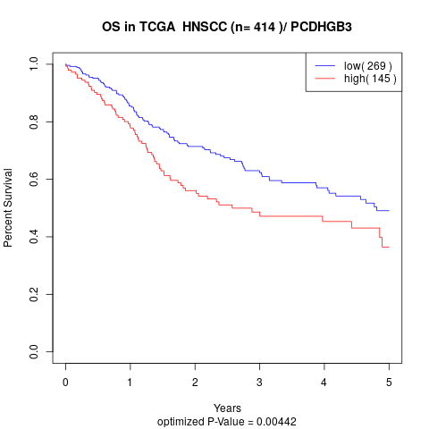

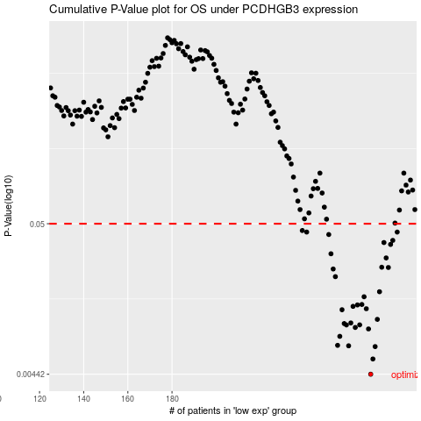

 |  |  |  |  |  | cases_OS | p_OS | rank | exp
 |  |  |  |  |  | 270 | 0.00442 | 76 | -0.059957206848
 |  |  |  |  |  | 271 | 0.00565 | 251 | -0.058360425536
 |  |  |  |  |  | 272 | 0.0069 | 224 | -0.058221574987
 |  |  |  |  |  | 260 | 0.00699 | 207 | -0.080704683091
 |  |  |  |  |  | 255 | 0.00704 | 240 | -0.10172986043
 |  |  |  |  |  | 256 | 0.00814 | 108 | -0.10138807447
 |  |  |  |  |  | 269 | 0.00917 | 205 | -0.060817012169
 |  |  |  |  |  | 263 | 0.00939 | 68 | -0.076822208129
 |  |  |  |  |  | 259 | 0.00978 | 106 | -0.090872815593
 |  |  |  |  |  | 265 | 0.00979 | 54 | -0.074029175934
 |  |  |  |  |  | 258 | 0.01 | 13 | -0.094781992584
 |  |  |  |  |  | 261 | 0.0101 | 260 | -0.079236071517
 |  |  |  |  |  | 273 | 0.0107 | 250 | -0.05423229191
 |  |  |  |  |  | 257 | 0.0125 | 157 | -0.09656034769
 |  |  |  |  |  | 268 | 0.0127 | 166 | -0.06453927496
 |  |  |  |  |  | 262 | 0.0132 | 41 | -0.076982420301
 |  |  |  |  |  | 264 | 0.0135 | 44 | -0.076587230277
 |  |  |  |  |  | 266 | 0.0136 | 278 | -0.072213437988
 |  |  |  |  |  | 267 | 0.0154 | 5 | -0.066579309947
 |  |  |  |  |  | 274 | 0.0167 | 201 | -0.049174927688
 |  |  |  |  |  | 254 | 0.0213 | 245 | -0.10469378561
 |  |  |  |  |  | 253 | 0.0241 | 307 | -0.10871511112
 |  |  |  |  |  | 278 | 0.0247 | 78 | -0.029714489224
 |  |  |  |  |  | 275 | 0.0248 | 241 | -0.046312470219
 |  |  |  |  |  | 277 | 0.0288 | 299 | -0.031289908913
 |  |  |  |  |  | 252 | 0.0308 | 152 | -0.11159358981
 |  |  |  |  |  | 279 | 0.0358 | 243 | -0.029607681109
 |  |  |  |  |  | 276 | 0.0369 | 233 | -0.031353993782
 |  |  |  |  |  | 280 | 0.0382 | 253 | -0.023055003284
 |  |  |  |  |  | 251 | 0.042 | 255 | -0.11508621515
 |  |  |  |  |  | 282 | 0.0437 | 124 | -0.016529027488
 |  |  |  |  |  | 241 | 0.0437 | 222 | -0.13580698937
 |  |  |  |  |  | 239 | 0.0448 | 203 | -0.14547312373
 |  |  |  |  |  |  | cases_RFS | p_RFS | rank | exp
 |  |  |  |  |  |  | 269 | 0.00442 | 205 | -0.060817012169
 |  |  |  |  |  |  | 270 | 0.00565 | 76 | -0.059957206848
 |  |  |  |  |  |  | 271 | 0.0069 | 251 | -0.058360425536
 |  |  |  |  |  |  | 259 | 0.00699 | 106 | -0.090872815593
 |  |  |  |  |  |  | 254 | 0.00704 | 245 | -0.10469378561
 |  |  |  |  |  |  | 255 | 0.00814 | 240 | -0.10172986043
 |  |  |  |  |  |  | 268 | 0.00917 | 166 | -0.06453927496
 |  |  |  |  |  |  | 262 | 0.00939 | 41 | -0.076982420301
 |  |  |  |  |  |  | 258 | 0.00978 | 13 | -0.094781992584
 |  |  |  |  |  |  | 264 | 0.00979 | 44 | -0.076587230277
 |  |  |  |  |  |  | 257 | 0.01 | 157 | -0.09656034769
 |  |  |  |  |  |  | 260 | 0.0101 | 207 | -0.080704683091
 |  |  |  |  |  |  | 272 | 0.0107 | 224 | -0.058221574987
 |  |  |  |  |  |  | 256 | 0.0125 | 108 | -0.10138807447
 |  |  |  |  |  |  | 267 | 0.0127 | 5 | -0.066579309947
 |  |  |  |  |  |  | 261 | 0.0132 | 260 | -0.079236071517
 |  |  |  |  |  |  | 263 | 0.0135 | 68 | -0.076822208129
 |  |  |  |  |  |  | 265 | 0.0136 | 54 | -0.074029175934
 |  |  |  |  |  |  | 266 | 0.0154 | 278 | -0.072213437988
 |  |  |  |  |  |  | 273 | 0.0167 | 250 | -0.05423229191
 |  |  |  |  |  |  | 253 | 0.0213 | 307 | -0.10871511112
 |  |  |  |  |  |  | 252 | 0.0241 | 152 | -0.11159358981
 |  |  |  |  |  |  | 277 | 0.0247 | 299 | -0.031289908913
 |  |  |  |  |  |  | 274 | 0.0248 | 201 | -0.049174927688
 |  |  |  |  |  |  | 276 | 0.0288 | 233 | -0.031353993782
 |  |  |  |  |  |  | 251 | 0.0308 | 255 | -0.11508621515
 |  |  |  |  |  |  | 278 | 0.0358 | 78 | -0.029714489224
 |  |  |  |  |  |  | 275 | 0.0369 | 241 | -0.046312470219
 |  |  |  |  |  |  | 279 | 0.0382 | 243 | -0.029607681109
 |  |  |  |  |  |  | 250 | 0.042 | 242 | -0.11594602047
 |  |  |  |  |  |  | 240 | 0.0437 | 139 | -0.13769215259
 |  |  |  |  |  |  | 281 | 0.0437 | 367 | -0.022355410134
 |  |  |  |  |  |  | 238 | 0.0448 | 403 | -0.15167867518

