PCDHGB4 _multivariate
Reported by Tex Li-Hsing Chi. tex@gate.sinica.edu.tw 2019-08-17

Table 2. The clinicopathological features of HNSCC cohort and PCDHGB4 expression. (Chi square test)
Cutoff at -0.208 (60.4%)
 |  | PCDHGB4 expression |  | PCDHGB4 expression |  | (Optimised)
 | Features | Low | (%) | High | (%) | Case no | P-value | Remark | Matthews
Gender | Female | 184 | 44.3 | 122 | 29.4 | 415 | 0.8957 | 0 | 0
2 | Male | 67 | 16.1 | 42 | 10.1
Age at diagnosis | <=65y | 161 | 38.8 | 113 | 27.2 | 415 | 0.3709 | 0 | 0
4 | >65y | 90 | 21.7 | 51 | 12.3
Clinical T Status | T1+T2 | 90 | 21.7 | 59 | 14.2 | 415 | 1 | 0 | 0
6 | T3+T4 | 161 | 38.8 | 105 | 25.3
Clinical N Status | N0 | 136 | 32.8 | 80 | 19.3 | 415 | 0.3288 | 0 | 0
8 | N1-3 | 115 | 27.7 | 84 | 20.2
Clinical M Status | M0 | 250 | 60.2 | 162 | 39 | 415 | 0.5649 | 0 | 0
10 | M1 | 1 | 0.2 | 2 | 0.5
Clinical Stage | Stage I+II | 63 | 15.2 | 39 | 9.4 | 415 | 0.8505 | 0 | 0
12 | Stage III+IV | 188 | 45.3 | 125 | 30.1
Surgical Margin status | Negative | 198 | 47.7 | 120 | 28.9 | 415 | 0.1929 | 0 | 0
14 | Positive | 53 | 12.8 | 44 | 10.6
Tobacco Exposure | Low | 102 | 24.6 | 59 | 14.2 | 415 | 0.3554 | 0 | 0
16 | High | 149 | 35.9 | 105 | 25.3

Table 3. Univariate/Multivariate Cox's proportional hazards regression analyses on OS time of PCDHGB4 gene expression in HNSCC

 |  | Univariate |  |  |  | Multivariate
 | Features | HR | CI95%(L) | CI95%(H) | P-value | HR | CI95%(L) | CI95%(H) | P-value
1 | Female | 1 |  |  |  | 1
Gender | Male | 1.157 | 0.843 | 1.587 | 0.367 | 1.221 | 0.873 | 1.707 | 0.243
11 | <=65y | 1 |  |  |  | 1
Age at diagnosis | >65y | 1.329 | 0.99 | 1.784 | 0.058 | 1.41 | 1.036 | 1.918 | 0.029
12 | T1+T2 | 1 |  |  |  | 1
Clinical T Status | T3+T4 | 1.409 | 1.028 | 1.931 | 0.033 | 2.201 | 1.163 | 4.165 | 0.015
13 | N0 | 1 |  |  |  | 1
Clinical N Status | N1-3 | 1.185 | 0.89 | 1.577 | 0.246 | 1.22 | 0.854 | 1.743 | 0.275
14 | M0 | 1 |  |  |  | 1
Clinical M Status | M1 | 4.097 | 1.009 | 16.644 | 0.049 | 9.041 | 1.971 | 41.459 | 0.005
15 | Stage I+II | 1 |  |  |  | 1
Clinical Stage | Stage III+IV | 1.245 | 0.882 | 1.759 | 0.213 | 0.503 | 0.234 | 1.081 | 0.078
16 | Negative | 1 |  |  |  | 1
Surgical Margin status | Positive | 1.591 | 1.155 | 2.191 | 0.004 | 1.651 | 1.194 | 2.282 | 0.002
17 | Low | 1 |  |  |  | 1
Tobacco Exposure | High | 1.364 | 1.008 | 1.844 | 0.044 | 1.435 | 1.042 | 1.978 | 0.027
18 | Low | 1 |  |  |  | 1
RNAseq(z-score) | High | 1.356 | 1.016 | 1.81 | 0.039 | 1.334 | 0.997 | 1.786 | 0.052

Table 4. Univariate/Multivariate Cox's proportional hazards regression analyses on RFS time of PCDHGB4 gene expression in HNSCC

 |  | Univariate |  |  |  | Multivariate
 | Features | HR | CI95%(L) | CI95%(H) | P-value | HR | CI95%(L) | CI95%(H) | P-value
1 | Female | 1 |  |  |  | 1
Gender | Male | 1.157 | 0.843 | 1.587 | 0.367 | 1.221 | 0.873 | 1.707 | 0.243
11 | <=65y | 1 |  |  |  | 1
Age at diagnosis | >65y | 1.329 | 0.99 | 1.784 | 0.058 | 1.41 | 1.036 | 1.918 | 0.029
12 | T1+T2 | 1 |  |  |  | 1
Clinical T Status | T3+T4 | 1.409 | 1.028 | 1.931 | 0.033 | 2.201 | 1.163 | 4.165 | 0.015
13 | N0 | 1 |  |  |  | 1
Clinical N Status | N1-3 | 1.185 | 0.89 | 1.577 | 0.246 | 1.22 | 0.854 | 1.743 | 0.275
14 | M0 | 1 |  |  |  | 1
Clinical M Status | M1 | 4.097 | 1.009 | 16.644 | 0.049 | 9.041 | 1.971 | 41.459 | 0.005
15 | Stage I+II | 1 |  |  |  | 1
Clinical Stage | Stage III+IV | 1.245 | 0.882 | 1.759 | 0.213 | 0.503 | 0.234 | 1.081 | 0.078
16 | Negative | 1 |  |  |  | 1
Surgical Margin status | Positive | 1.591 | 1.155 | 2.191 | 0.004 | 1.651 | 1.194 | 2.282 | 0.002
17 | Low | 1 |  |  |  | 1
Tobacco Exposure | High | 1.364 | 1.008 | 1.844 | 0.044 | 1.435 | 1.042 | 1.978 | 0.027
18 | Low | 1 |  |  |  | 1
RNAseq(z-score) | High | 1.356 | 1.016 | 1.81 | 0.039 | 1.334 | 0.997 | 1.786 | 0.052

Kaplan-Meier survival estimate: Cutoff at -0.208 (60.4%)



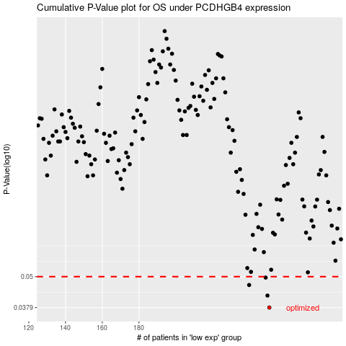

 |  |  |  |  |  | cases_OS | p_OS | rank | exp
 |  |  |  |  |  | 251 | 0.0379 | 115 | -0.20802067186
 |  |  |  |  |  | 250 | 0.0422 | 147 | -0.20808650346
 |  |  |  |  |  | 240 | 0.0464 | 240 | -0.22030471428
 |  |  |  |  |  | 249 | 0.0496 | 162 | -0.20827449682
 |  |  |  |  |  |  | cases_RFS | p_RFS | rank | exp
 |  |  |  |  |  |  | 250 | 0.0379 | 147 | -0.20808650346
 |  |  |  |  |  |  | 249 | 0.0422 | 162 | -0.20827449682
 |  |  |  |  |  |  | 239 | 0.0464 | 102 | -0.22087073038
 |  |  |  |  |  |  | 248 | 0.0496 | 165 | -0.2087346394

