PCDHGB5 _multivariate
Reported by Tex Li-Hsing Chi. tex@gate.sinica.edu.tw 2019-08-17

Table 2. The clinicopathological features of HNSCC cohort and PCDHGB5 expression. (Chi square test)
Cutoff at -0.388 (49.8%)
 |  | PCDHGB5 expression |  | PCDHGB5 expression |  | (Optimised)
 | Features | Low | (%) | High | (%) | Case no | P-value | Remark | Matthews
Gender | Female | 154 | 37.1 | 152 | 36.6 | 415 | 0.8463 | 0 | 0
2 | Male | 53 | 12.8 | 56 | 13.5
Age at diagnosis | <=65y | 134 | 32.3 | 140 | 33.7 | 415 | 0.6529 | 0 | 0
4 | >65y | 73 | 17.6 | 68 | 16.4
Clinical T Status | T1+T2 | 74 | 17.8 | 75 | 18.1 | 415 | 1 | 0 | 0
6 | T3+T4 | 133 | 32 | 133 | 32
Clinical N Status | N0 | 114 | 27.5 | 102 | 24.6 | 415 | 0.2576 | 1 | 0
8 | N1-3 | 93 | 22.4 | 106 | 25.5
Clinical M Status | M0 | 207 | 49.9 | 205 | 49.4 | 415 | 0.2482 | 0 | 0
10 | M1 | 0 | 0 | 3 | 0.7
Clinical Stage | Stage I+II | 54 | 13 | 48 | 11.6 | 415 | 0.5498 | 0 | 0
12 | Stage III+IV | 153 | 36.9 | 160 | 38.6
Surgical Margin status | Negative | 157 | 37.8 | 161 | 38.8 | 415 | 0.729 | 0 | 0
14 | Positive | 50 | 12 | 47 | 11.3
Tobacco Exposure | Low | 87 | 21 | 74 | 17.8 | 415 | 0.1911 | 0 | 0
16 | High | 120 | 28.9 | 134 | 32.3

Table 3. Univariate/Multivariate Cox's proportional hazards regression analyses on OS time of PCDHGB5 gene expression in HNSCC

 |  | Univariate |  |  |  | Multivariate
 | Features | HR | CI95%(L) | CI95%(H) | P-value | HR | CI95%(L) | CI95%(H) | P-value
1 | Female | 1 |  |  |  | 1
Gender | Male | 1.157 | 0.843 | 1.587 | 0.367 | 1.2 | 0.859 | 1.677 | 0.285
11 | <=65y | 1 |  |  |  | 1
Age at diagnosis | >65y | 1.329 | 0.99 | 1.784 | 0.058 | 1.391 | 1.023 | 1.891 | 0.035
12 | T1+T2 | 1 |  |  |  | 1
Clinical T Status | T3+T4 | 1.409 | 1.028 | 1.931 | 0.033 | 2.207 | 1.167 | 4.173 | 0.015
13 | N0 | 1 |  |  |  | 1
Clinical N Status | N1-3 | 1.185 | 0.89 | 1.577 | 0.246 | 1.237 | 0.867 | 1.766 | 0.241
14 | M0 | 1 |  |  |  | 1
Clinical M Status | M1 | 4.097 | 1.009 | 16.644 | 0.049 | 9.162 | 1.989 | 42.209 | 0.004
15 | Stage I+II | 1 |  |  |  | 1
Clinical Stage | Stage III+IV | 1.245 | 0.882 | 1.759 | 0.213 | 0.502 | 0.234 | 1.079 | 0.077
16 | Negative | 1 |  |  |  | 1
Surgical Margin status | Positive | 1.591 | 1.155 | 2.191 | 0.004 | 1.683 | 1.216 | 2.329 | 0.002
17 | Low | 1 |  |  |  | 1
Tobacco Exposure | High | 1.364 | 1.008 | 1.844 | 0.044 | 1.448 | 1.051 | 1.996 | 0.024
18 | Low | 1 |  |  |  | 1
RNAseq(z-score) | High | 1.065 | 0.799 | 1.419 | 0.669 | 1.062 | 0.794 | 1.422 | 0.684

Table 4. Univariate/Multivariate Cox's proportional hazards regression analyses on RFS time of PCDHGB5 gene expression in HNSCC

 |  | Univariate |  |  |  | Multivariate
 | Features | HR | CI95%(L) | CI95%(H) | P-value | HR | CI95%(L) | CI95%(H) | P-value
1 | Female | 1 |  |  |  | 1
Gender | Male | 1.157 | 0.843 | 1.587 | 0.367 | 1.2 | 0.859 | 1.677 | 0.285
11 | <=65y | 1 |  |  |  | 1
Age at diagnosis | >65y | 1.329 | 0.99 | 1.784 | 0.058 | 1.391 | 1.023 | 1.891 | 0.035
12 | T1+T2 | 1 |  |  |  | 1
Clinical T Status | T3+T4 | 1.409 | 1.028 | 1.931 | 0.033 | 2.207 | 1.167 | 4.173 | 0.015
13 | N0 | 1 |  |  |  | 1
Clinical N Status | N1-3 | 1.185 | 0.89 | 1.577 | 0.246 | 1.237 | 0.867 | 1.766 | 0.241
14 | M0 | 1 |  |  |  | 1
Clinical M Status | M1 | 4.097 | 1.009 | 16.644 | 0.049 | 9.162 | 1.989 | 42.209 | 0.004
15 | Stage I+II | 1 |  |  |  | 1
Clinical Stage | Stage III+IV | 1.245 | 0.882 | 1.759 | 0.213 | 0.502 | 0.234 | 1.079 | 0.077
16 | Negative | 1 |  |  |  | 1
Surgical Margin status | Positive | 1.591 | 1.155 | 2.191 | 0.004 | 1.683 | 1.216 | 2.329 | 0.002
17 | Low | 1 |  |  |  | 1
Tobacco Exposure | High | 1.364 | 1.008 | 1.844 | 0.044 | 1.448 | 1.051 | 1.996 | 0.024
18 | Low | 1 |  |  |  | 1
RNAseq(z-score) | High | 1.065 | 0.799 | 1.419 | 0.669 | 1.062 | 0.794 | 1.422 | 0.684

Kaplan-Meier survival estimate: Cutoff at -0.388 (49.8%)



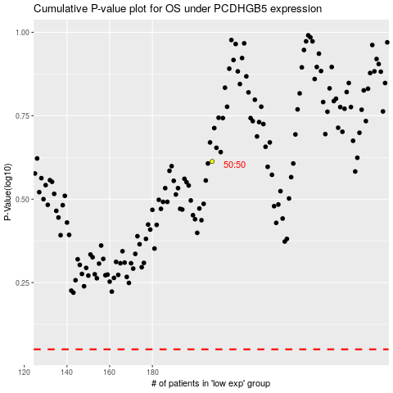

 |  |  |  |  |  | cases_OS | p_OS | rank | exp
 |  |  |  |  |  |  | cases_RFS | p_RFS | rank | exp

