PCDHGB6 _multivariate
Reported by Tex Li-Hsing Chi. tex@gate.sinica.edu.tw 2019-08-17

Table 2. The clinicopathological features of HNSCC cohort and PCDHGB6 expression. (Chi square test)
Cutoff at -0.247 (56.8%)
 |  | PCDHGB6 expression |  | PCDHGB6 expression |  | (Optimised)
 | Features | Low | (%) | High | (%) | Case no | P-value | Remark | Matthews
Gender | Female | 178 | 42.9 | 128 | 30.8 | 415 | 0.4324 | 0 | 0
2 | Male | 58 | 14 | 51 | 12.3
Age at diagnosis | <=65y | 151 | 36.4 | 123 | 29.6 | 415 | 0.3663 | 0 | 0
4 | >65y | 85 | 20.5 | 56 | 13.5
Clinical T Status | T1+T2 | 85 | 20.5 | 64 | 15.4 | 415 | 1 | 0 | 0
6 | T3+T4 | 151 | 36.4 | 115 | 27.7
Clinical N Status | N0 | 123 | 29.6 | 93 | 22.4 | 415 | 1 | 0 | 0
8 | N1-3 | 113 | 27.2 | 86 | 20.7
Clinical M Status | M0 | 233 | 56.1 | 179 | 43.1 | 415 | 0.2624 | 0 | 0
10 | M1 | 3 | 0.7 | 0 | 0
Clinical Stage | Stage I+II | 59 | 14.2 | 43 | 10.4 | 415 | 0.9092 | 0 | 0
12 | Stage III+IV | 177 | 42.7 | 136 | 32.8
Surgical Margin status | Negative | 177 | 42.7 | 141 | 34 | 415 | 0.4129 | 0 | 0
14 | Positive | 59 | 14.2 | 38 | 9.2
Tobacco Exposure | Low | 90 | 21.7 | 71 | 17.1 | 415 | 0.7612 | 0 | 0
16 | High | 146 | 35.2 | 108 | 26

Table 3. Univariate/Multivariate Cox's proportional hazards regression analyses on OS time of PCDHGB6 gene expression in HNSCC

 |  | Univariate |  |  |  | Multivariate
 | Features | HR | CI95%(L) | CI95%(H) | P-value | HR | CI95%(L) | CI95%(H) | P-value
1 | Female | 1 |  |  |  | 1
Gender | Male | 1.157 | 0.843 | 1.587 | 0.367 | 1.184 | 0.846 | 1.657 | 0.325
11 | <=65y | 1 |  |  |  | 1
Age at diagnosis | >65y | 1.329 | 0.99 | 1.784 | 0.058 | 1.364 | 1.003 | 1.853 | 0.048
12 | T1+T2 | 1 |  |  |  | 1
Clinical T Status | T3+T4 | 1.409 | 1.028 | 1.931 | 0.033 | 2.235 | 1.181 | 4.23 | 0.013
13 | N0 | 1 |  |  |  | 1
Clinical N Status | N1-3 | 1.185 | 0.89 | 1.577 | 0.246 | 1.236 | 0.867 | 1.763 | 0.242
14 | M0 | 1 |  |  |  | 1
Clinical M Status | M1 | 4.097 | 1.009 | 16.644 | 0.049 | 8.465 | 1.838 | 38.982 | 0.006
15 | Stage I+II | 1 |  |  |  | 1
Clinical Stage | Stage III+IV | 1.245 | 0.882 | 1.759 | 0.213 | 0.506 | 0.235 | 1.085 | 0.08
16 | Negative | 1 |  |  |  | 1
Surgical Margin status | Positive | 1.591 | 1.155 | 2.191 | 0.004 | 1.65 | 1.193 | 2.282 | 0.002
17 | Low | 1 |  |  |  | 1
Tobacco Exposure | High | 1.364 | 1.008 | 1.844 | 0.044 | 1.421 | 1.03 | 1.96 | 0.032
18 | Low | 1 |  |  |  | 1
RNAseq(z-score) | High | 0.723 | 0.538 | 0.972 | 0.032 | 0.768 | 0.569 | 1.036 | 0.084

Table 4. Univariate/Multivariate Cox's proportional hazards regression analyses on RFS time of PCDHGB6 gene expression in HNSCC

 |  | Univariate |  |  |  | Multivariate
 | Features | HR | CI95%(L) | CI95%(H) | P-value | HR | CI95%(L) | CI95%(H) | P-value
1 | Female | 1 |  |  |  | 1
Gender | Male | 1.157 | 0.843 | 1.587 | 0.367 | 1.184 | 0.846 | 1.657 | 0.325
11 | <=65y | 1 |  |  |  | 1
Age at diagnosis | >65y | 1.329 | 0.99 | 1.784 | 0.058 | 1.364 | 1.003 | 1.853 | 0.048
12 | T1+T2 | 1 |  |  |  | 1
Clinical T Status | T3+T4 | 1.409 | 1.028 | 1.931 | 0.033 | 2.235 | 1.181 | 4.23 | 0.013
13 | N0 | 1 |  |  |  | 1
Clinical N Status | N1-3 | 1.185 | 0.89 | 1.577 | 0.246 | 1.236 | 0.867 | 1.763 | 0.242
14 | M0 | 1 |  |  |  | 1
Clinical M Status | M1 | 4.097 | 1.009 | 16.644 | 0.049 | 8.465 | 1.838 | 38.982 | 0.006
15 | Stage I+II | 1 |  |  |  | 1
Clinical Stage | Stage III+IV | 1.245 | 0.882 | 1.759 | 0.213 | 0.506 | 0.235 | 1.085 | 0.08
16 | Negative | 1 |  |  |  | 1
Surgical Margin status | Positive | 1.591 | 1.155 | 2.191 | 0.004 | 1.65 | 1.193 | 2.282 | 0.002
17 | Low | 1 |  |  |  | 1
Tobacco Exposure | High | 1.364 | 1.008 | 1.844 | 0.044 | 1.421 | 1.03 | 1.96 | 0.032
18 | Low | 1 |  |  |  | 1
RNAseq(z-score) | High | 0.723 | 0.538 | 0.972 | 0.032 | 0.768 | 0.569 | 1.036 | 0.084

Kaplan-Meier survival estimate: Cutoff at -0.247 (56.8%)

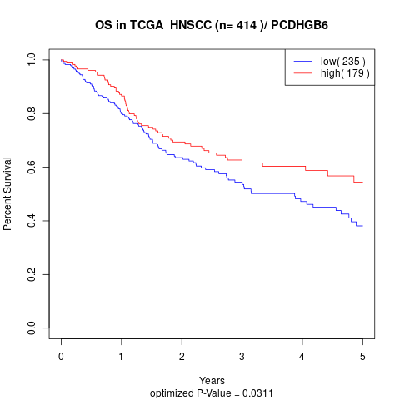

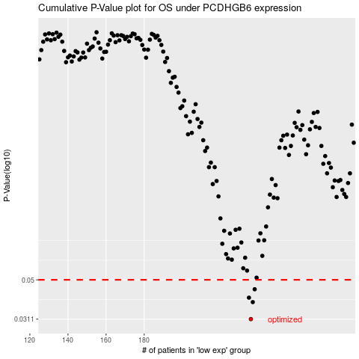

 |  |  |  |  |  | cases_OS | p_OS | rank | exp
 |  |  |  |  |  | 236 | 0.0311 | 328 | -0.2467062534
 |  |  |  |  |  | 237 | 0.0382 | 235 | -0.24541287078
 |  |  |  |  |  | 235 | 0.0403 | 373 | -0.24802377668
 |  |  |  |  |  | 238 | 0.0446 | 5 | -0.24308979591
 |  |  |  |  |  |  | cases_RFS | p_RFS | rank | exp
 |  |  |  |  |  |  | 235 | 0.0311 | 373 | -0.24802377668
 |  |  |  |  |  |  | 236 | 0.0382 | 328 | -0.2467062534
 |  |  |  |  |  |  | 234 | 0.0403 | 115 | -0.24814726547
 |  |  |  |  |  |  | 237 | 0.0446 | 235 | -0.24541287078

