PCDHGB7 _multivariate
Reported by Tex Li-Hsing Chi. tex@gate.sinica.edu.tw 2019-08-17

Table 2. The clinicopathological features of HNSCC cohort and PCDHGB7 expression. (Chi square test)
Cutoff at -0.357 (49.8%)
 |  | PCDHGB7 expression |  | PCDHGB7 expression |  | (Optimised)
 | Features | Low | (%) | High | (%) | Case no | P-value | Remark | Matthews
Gender | Female | 156 | 37.6 | 150 | 36.1 | 415 | 0.5222 | 0 | 0
2 | Male | 51 | 12.3 | 58 | 14
Age at diagnosis | <=65y | 137 | 33 | 137 | 33 | 415 | 1 | 0 | 0
4 | >65y | 70 | 16.9 | 71 | 17.1
Clinical T Status | T1+T2 | 71 | 17.1 | 78 | 18.8 | 415 | 0.5638 | 0 | 0
6 | T3+T4 | 136 | 32.8 | 130 | 31.3
Clinical N Status | N0 | 102 | 24.6 | 114 | 27.5 | 415 | 0.3031 | 0 | 0
8 | N1-3 | 105 | 25.3 | 94 | 22.7
Clinical M Status | M0 | 204 | 49.2 | 208 | 50.1 | 415 | 0.1232 | 0 | 0
10 | M1 | 3 | 0.7 | 0 | 0
Clinical Stage | Stage I+II | 43 | 10.4 | 59 | 14.2 | 415 | 0.0925 | 0 | 0
12 | Stage III+IV | 164 | 39.5 | 149 | 35.9
Surgical Margin status | Negative | 153 | 36.9 | 165 | 39.8 | 415 | 0.2036 | 0 | 0
14 | Positive | 54 | 13 | 43 | 10.4
Tobacco Exposure | Low | 85 | 20.5 | 76 | 18.3 | 415 | 0.3655 | 0 | 0
16 | High | 122 | 29.4 | 132 | 31.8

Table 3. Univariate/Multivariate Cox's proportional hazards regression analyses on OS time of PCDHGB7 gene expression in HNSCC

 |  | Univariate |  |  |  | Multivariate
 | Features | HR | CI95%(L) | CI95%(H) | P-value | HR | CI95%(L) | CI95%(H) | P-value
1 | Female | 1 |  |  |  | 1
Gender | Male | 1.157 | 0.843 | 1.587 | 0.367 | 1.213 | 0.868 | 1.696 | 0.258
11 | <=65y | 1 |  |  |  | 1
Age at diagnosis | >65y | 1.329 | 0.99 | 1.784 | 0.058 | 1.394 | 1.025 | 1.895 | 0.034
12 | T1+T2 | 1 |  |  |  | 1
Clinical T Status | T3+T4 | 1.409 | 1.028 | 1.931 | 0.033 | 2.192 | 1.159 | 4.146 | 0.016
13 | N0 | 1 |  |  |  | 1
Clinical N Status | N1-3 | 1.185 | 0.89 | 1.577 | 0.246 | 1.253 | 0.878 | 1.79 | 0.214
14 | M0 | 1 |  |  |  | 1
Clinical M Status | M1 | 4.097 | 1.009 | 16.644 | 0.049 | 9.945 | 2.156 | 45.862 | 0.003
15 | Stage I+II | 1 |  |  |  | 1
Clinical Stage | Stage III+IV | 1.245 | 0.882 | 1.759 | 0.213 | 0.513 | 0.239 | 1.101 | 0.087
16 | Negative | 1 |  |  |  | 1
Surgical Margin status | Positive | 1.591 | 1.155 | 2.191 | 0.004 | 1.692 | 1.223 | 2.342 | 0.001
17 | Low | 1 |  |  |  | 1
Tobacco Exposure | High | 1.364 | 1.008 | 1.844 | 0.044 | 1.449 | 1.051 | 1.998 | 0.023
18 | Low | 1 |  |  |  | 1
RNAseq(z-score) | High | 1.055 | 0.792 | 1.406 | 0.716 | 1.132 | 0.843 | 1.518 | 0.41

Table 4. Univariate/Multivariate Cox's proportional hazards regression analyses on RFS time of PCDHGB7 gene expression in HNSCC

 |  | Univariate |  |  |  | Multivariate
 | Features | HR | CI95%(L) | CI95%(H) | P-value | HR | CI95%(L) | CI95%(H) | P-value
1 | Female | 1 |  |  |  | 1
Gender | Male | 1.157 | 0.843 | 1.587 | 0.367 | 1.213 | 0.868 | 1.696 | 0.258
11 | <=65y | 1 |  |  |  | 1
Age at diagnosis | >65y | 1.329 | 0.99 | 1.784 | 0.058 | 1.394 | 1.025 | 1.895 | 0.034
12 | T1+T2 | 1 |  |  |  | 1
Clinical T Status | T3+T4 | 1.409 | 1.028 | 1.931 | 0.033 | 2.192 | 1.159 | 4.146 | 0.016
13 | N0 | 1 |  |  |  | 1
Clinical N Status | N1-3 | 1.185 | 0.89 | 1.577 | 0.246 | 1.253 | 0.878 | 1.79 | 0.214
14 | M0 | 1 |  |  |  | 1
Clinical M Status | M1 | 4.097 | 1.009 | 16.644 | 0.049 | 9.945 | 2.156 | 45.862 | 0.003
15 | Stage I+II | 1 |  |  |  | 1
Clinical Stage | Stage III+IV | 1.245 | 0.882 | 1.759 | 0.213 | 0.513 | 0.239 | 1.101 | 0.087
16 | Negative | 1 |  |  |  | 1
Surgical Margin status | Positive | 1.591 | 1.155 | 2.191 | 0.004 | 1.692 | 1.223 | 2.342 | 0.001
17 | Low | 1 |  |  |  | 1
Tobacco Exposure | High | 1.364 | 1.008 | 1.844 | 0.044 | 1.449 | 1.051 | 1.998 | 0.023
18 | Low | 1 |  |  |  | 1
RNAseq(z-score) | High | 1.055 | 0.792 | 1.406 | 0.716 | 1.132 | 0.843 | 1.518 | 0.41

Kaplan-Meier survival estimate: Cutoff at -0.357 (49.8%)



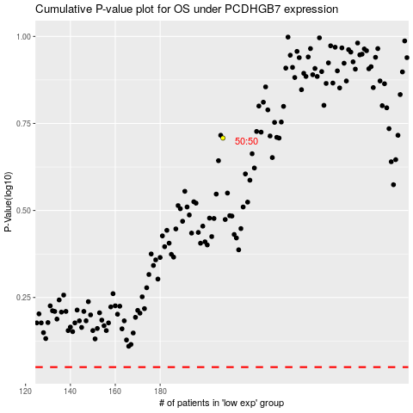

 |  |  |  |  |  | cases_OS | p_OS | rank | exp
 |  |  |  |  |  |  | cases_RFS | p_RFS | rank | exp

