PCDHGB8P _multivariate
Reported by Tex Li-Hsing Chi. tex@gate.sinica.edu.tw 2019-08-17

Table 2. The clinicopathological features of HNSCC cohort and PCDHGB8P expression. (Chi square test)
Cutoff at -0.107 (49.8%)
 |  | PCDHGB8P expression |  | PCDHGB8P expression |  | (Optimised)
 | Features | Low | (%) | High | (%) | Case no | P-value | Remark | Matthews
Gender | Female | 154 | 37.1 | 152 | 36.6 | 415 | 0.8463 | 0 | 0
2 | Male | 53 | 12.8 | 56 | 13.5
Age at diagnosis | <=65y | 133 | 32 | 141 | 34 | 415 | 0.5111 | 0 | 0
4 | >65y | 74 | 17.8 | 67 | 16.1
Clinical T Status | T1+T2 | 71 | 17.1 | 78 | 18.8 | 415 | 0.5638 | 0 | 0
6 | T3+T4 | 136 | 32.8 | 130 | 31.3
Clinical N Status | N0 | 104 | 25.1 | 112 | 27 | 415 | 0.5243 | 0 | 0
8 | N1-3 | 103 | 24.8 | 96 | 23.1
Clinical M Status | M0 | 204 | 49.2 | 208 | 50.1 | 415 | 0.1232 | 0 | 0
10 | M1 | 3 | 0.7 | 0 | 0
Clinical Stage | Stage I+II | 51 | 12.3 | 51 | 12.3 | 415 | 1 | 0 | 0
12 | Stage III+IV | 156 | 37.6 | 157 | 37.8
Surgical Margin status | Negative | 156 | 37.6 | 162 | 39 | 415 | 0.5636 | 0 | 0
14 | Positive | 51 | 12.3 | 46 | 11.1
Tobacco Exposure | Low | 83 | 20 | 78 | 18.8 | 415 | 0.6152 | 0 | 0
16 | High | 124 | 29.9 | 130 | 31.3

Table 3. Univariate/Multivariate Cox's proportional hazards regression analyses on OS time of PCDHGB8P gene expression in HNSCC

 |  | Univariate |  |  |  | Multivariate
 | Features | HR | CI95%(L) | CI95%(H) | P-value | HR | CI95%(L) | CI95%(H) | P-value
1 | Female | 1 |  |  |  | 1
Gender | Male | 1.157 | 0.843 | 1.587 | 0.367 | 1.2 | 0.859 | 1.676 | 0.285
11 | <=65y | 1 |  |  |  | 1
Age at diagnosis | >65y | 1.329 | 0.99 | 1.784 | 0.058 | 1.397 | 1.027 | 1.901 | 0.033
12 | T1+T2 | 1 |  |  |  | 1
Clinical T Status | T3+T4 | 1.409 | 1.028 | 1.931 | 0.033 | 2.216 | 1.171 | 4.195 | 0.015
13 | N0 | 1 |  |  |  | 1
Clinical N Status | N1-3 | 1.185 | 0.89 | 1.577 | 0.246 | 1.246 | 0.873 | 1.779 | 0.226
14 | M0 | 1 |  |  |  | 1
Clinical M Status | M1 | 4.097 | 1.009 | 16.644 | 0.049 | 9.691 | 2.092 | 44.897 | 0.004
15 | Stage I+II | 1 |  |  |  | 1
Clinical Stage | Stage III+IV | 1.245 | 0.882 | 1.759 | 0.213 | 0.499 | 0.232 | 1.074 | 0.076
16 | Negative | 1 |  |  |  | 1
Surgical Margin status | Positive | 1.591 | 1.155 | 2.191 | 0.004 | 1.674 | 1.211 | 2.313 | 0.002
17 | Low | 1 |  |  |  | 1
Tobacco Exposure | High | 1.364 | 1.008 | 1.844 | 0.044 | 1.451 | 1.053 | 2 | 0.023
18 | Low | 1 |  |  |  | 1
RNAseq(z-score) | High | 0.988 | 0.742 | 1.315 | 0.932 | 1.049 | 0.785 | 1.402 | 0.745

Table 4. Univariate/Multivariate Cox's proportional hazards regression analyses on RFS time of PCDHGB8P gene expression in HNSCC

 |  | Univariate |  |  |  | Multivariate
 | Features | HR | CI95%(L) | CI95%(H) | P-value | HR | CI95%(L) | CI95%(H) | P-value
1 | Female | 1 |  |  |  | 1
Gender | Male | 1.157 | 0.843 | 1.587 | 0.367 | 1.2 | 0.859 | 1.676 | 0.285
11 | <=65y | 1 |  |  |  | 1
Age at diagnosis | >65y | 1.329 | 0.99 | 1.784 | 0.058 | 1.397 | 1.027 | 1.901 | 0.033
12 | T1+T2 | 1 |  |  |  | 1
Clinical T Status | T3+T4 | 1.409 | 1.028 | 1.931 | 0.033 | 2.216 | 1.171 | 4.195 | 0.015
13 | N0 | 1 |  |  |  | 1
Clinical N Status | N1-3 | 1.185 | 0.89 | 1.577 | 0.246 | 1.246 | 0.873 | 1.779 | 0.226
14 | M0 | 1 |  |  |  | 1
Clinical M Status | M1 | 4.097 | 1.009 | 16.644 | 0.049 | 9.691 | 2.092 | 44.897 | 0.004
15 | Stage I+II | 1 |  |  |  | 1
Clinical Stage | Stage III+IV | 1.245 | 0.882 | 1.759 | 0.213 | 0.499 | 0.232 | 1.074 | 0.076
16 | Negative | 1 |  |  |  | 1
Surgical Margin status | Positive | 1.591 | 1.155 | 2.191 | 0.004 | 1.674 | 1.211 | 2.313 | 0.002
17 | Low | 1 |  |  |  | 1
Tobacco Exposure | High | 1.364 | 1.008 | 1.844 | 0.044 | 1.451 | 1.053 | 2 | 0.023
18 | Low | 1 |  |  |  | 1
RNAseq(z-score) | High | 0.988 | 0.742 | 1.315 | 0.932 | 1.049 | 0.785 | 1.402 | 0.745

Kaplan-Meier survival estimate: Cutoff at -0.107 (49.8%)



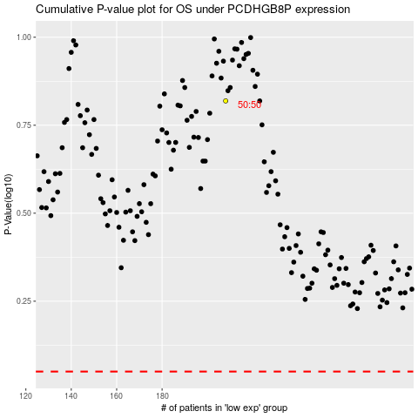

 |  |  |  |  |  | cases_OS | p_OS | rank | exp
 |  |  |  |  |  |  | cases_RFS | p_RFS | rank | exp

