PCDHGC3 _multivariate
Reported by Tex Li-Hsing Chi. tex@gate.sinica.edu.tw 2019-08-17

Table 2. The clinicopathological features of HNSCC cohort and PCDHGC3 expression. (Chi square test)
Cutoff at -0.386 (34.3%)
 |  | PCDHGC3 expression |  | PCDHGC3 expression |  | (Optimised)
 | Features | Low | (%) | High | (%) | Case no | P-value | Remark | Matthews
Gender | Female | 102 | 24.6 | 204 | 49.2 | 415 | 0.6044 | 0 | 0
2 | Male | 40 | 9.6 | 69 | 16.6
Age at diagnosis | <=65y | 95 | 22.9 | 179 | 43.1 | 415 | 0.8706 | 0 | 0
4 | >65y | 47 | 11.3 | 94 | 22.7
Clinical T Status | T1+T2 | 56 | 13.5 | 93 | 22.4 | 415 | 0.33 | 0 | 0
6 | T3+T4 | 86 | 20.7 | 180 | 43.4
Clinical N Status | N0 | 64 | 15.4 | 152 | 36.6 | 415 | 0.0513 | 0 | 0
8 | N1-3 | 78 | 18.8 | 121 | 29.2
Clinical M Status | M0 | 142 | 34.2 | 270 | 65.1 | 415 | 0.5542 | 0 | 0
10 | M1 | 0 | 0 | 3 | 0.7
Clinical Stage | Stage I+II | 33 | 8 | 69 | 16.6 | 415 | 0.7363 | 0 | 0
12 | Stage III+IV | 109 | 26.3 | 204 | 49.2
Surgical Margin status | Negative | 99 | 23.9 | 219 | 52.8 | 415 | 0.0201 | 1 | 0
14 | Positive | 43 | 10.4 | 54 | 13
Tobacco Exposure | Low | 57 | 13.7 | 104 | 25.1 | 415 | 0.7502 | 0 | 0
16 | High | 85 | 20.5 | 169 | 40.7

Table 3. Univariate/Multivariate Cox's proportional hazards regression analyses on OS time of PCDHGC3 gene expression in HNSCC

 |  | Univariate |  |  |  | Multivariate
 | Features | HR | CI95%(L) | CI95%(H) | P-value | HR | CI95%(L) | CI95%(H) | P-value
1 | Female | 1 |  |  |  | 1
Gender | Male | 1.157 | 0.843 | 1.587 | 0.367 | 1.232 | 0.882 | 1.723 | 0.221
11 | <=65y | 1 |  |  |  | 1
Age at diagnosis | >65y | 1.329 | 0.99 | 1.784 | 0.058 | 1.413 | 1.039 | 1.923 | 0.028
12 | T1+T2 | 1 |  |  |  | 1
Clinical T Status | T3+T4 | 1.409 | 1.028 | 1.931 | 0.033 | 2.075 | 1.096 | 3.927 | 0.025
13 | N0 | 1 |  |  |  | 1
Clinical N Status | N1-3 | 1.185 | 0.89 | 1.577 | 0.246 | 1.318 | 0.922 | 1.885 | 0.13
14 | M0 | 1 |  |  |  | 1
Clinical M Status | M1 | 4.097 | 1.009 | 16.644 | 0.049 | 7.697 | 1.67 | 35.464 | 0.009
15 | Stage I+II | 1 |  |  |  | 1
Clinical Stage | Stage III+IV | 1.245 | 0.882 | 1.759 | 0.213 | 0.517 | 0.241 | 1.111 | 0.091
16 | Negative | 1 |  |  |  | 1
Surgical Margin status | Positive | 1.591 | 1.155 | 2.191 | 0.004 | 1.77 | 1.278 | 2.452 | 0.001
17 | Low | 1 |  |  |  | 1
Tobacco Exposure | High | 1.364 | 1.008 | 1.844 | 0.044 | 1.432 | 1.037 | 1.977 | 0.029
18 | Low | 1 |  |  |  | 1
RNAseq(z-score) | High | 1.509 | 1.092 | 2.085 | 0.013 | 1.572 | 1.129 | 2.191 | 0.007

Table 4. Univariate/Multivariate Cox's proportional hazards regression analyses on RFS time of PCDHGC3 gene expression in HNSCC

 |  | Univariate |  |  |  | Multivariate
 | Features | HR | CI95%(L) | CI95%(H) | P-value | HR | CI95%(L) | CI95%(H) | P-value
1 | Female | 1 |  |  |  | 1
Gender | Male | 1.157 | 0.843 | 1.587 | 0.367 | 1.232 | 0.882 | 1.723 | 0.221
11 | <=65y | 1 |  |  |  | 1
Age at diagnosis | >65y | 1.329 | 0.99 | 1.784 | 0.058 | 1.413 | 1.039 | 1.923 | 0.028
12 | T1+T2 | 1 |  |  |  | 1
Clinical T Status | T3+T4 | 1.409 | 1.028 | 1.931 | 0.033 | 2.075 | 1.096 | 3.927 | 0.025
13 | N0 | 1 |  |  |  | 1
Clinical N Status | N1-3 | 1.185 | 0.89 | 1.577 | 0.246 | 1.318 | 0.922 | 1.885 | 0.13
14 | M0 | 1 |  |  |  | 1
Clinical M Status | M1 | 4.097 | 1.009 | 16.644 | 0.049 | 7.697 | 1.67 | 35.464 | 0.009
15 | Stage I+II | 1 |  |  |  | 1
Clinical Stage | Stage III+IV | 1.245 | 0.882 | 1.759 | 0.213 | 0.517 | 0.241 | 1.111 | 0.091
16 | Negative | 1 |  |  |  | 1
Surgical Margin status | Positive | 1.591 | 1.155 | 2.191 | 0.004 | 1.77 | 1.278 | 2.452 | 0.001
17 | Low | 1 |  |  |  | 1
Tobacco Exposure | High | 1.364 | 1.008 | 1.844 | 0.044 | 1.432 | 1.037 | 1.977 | 0.029
18 | Low | 1 |  |  |  | 1
RNAseq(z-score) | High | 1.509 | 1.092 | 2.085 | 0.013 | 1.572 | 1.129 | 2.191 | 0.007

Kaplan-Meier survival estimate: Cutoff at -0.386 (34.3%)

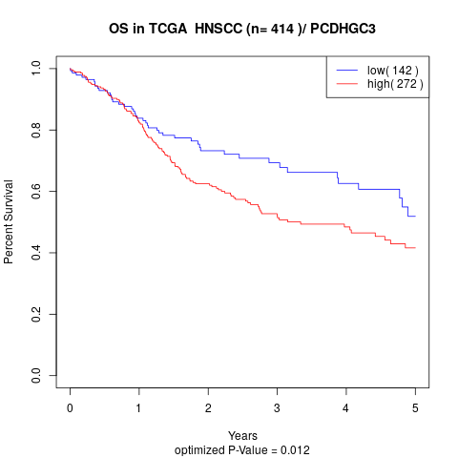

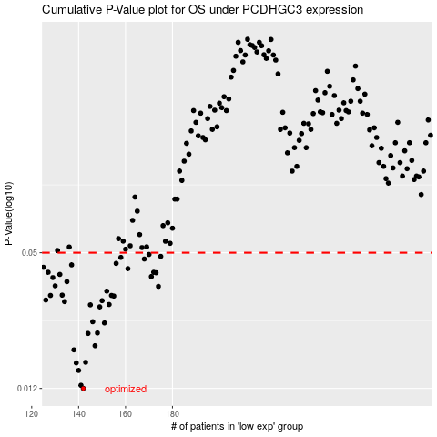

 |  |  |  |  |  | cases_OS | p_OS | rank | exp
 |  |  |  |  |  | 142 | 0.012 | 414 | -0.38624780659
 |  |  |  |  |  | 141 | 0.0124 | 25 | -0.39504315848
 |  |  |  |  |  | 140 | 0.0145 | 53 | -0.40264909001
 |  |  |  |  |  | 139 | 0.0157 | 384 | -0.40273925832
 |  |  |  |  |  | 143 | 0.0158 | 125 | -0.38515993684
 |  |  |  |  |  | 138 | 0.018 | 178 | -0.41008244272
 |  |  |  |  |  | 147 | 0.0188 | 211 | -0.31972369382
 |  |  |  |  |  | 144 | 0.0214 | 339 | -0.34049960242
 |  |  |  |  |  | 148 | 0.0215 | 237 | -0.31798111827
 |  |  |  |  |  | 151 | 0.0239 | 379 | -0.30712524899
 |  |  |  |  |  | 146 | 0.0242 | 105 | -0.32535196361
 |  |  |  |  |  | 149 | 0.0283 | 212 | -0.3167075069
 |  |  |  |  |  | 145 | 0.0289 | 136 | -0.3288137778
 |  |  |  |  |  | 153 | 0.029 | 243 | -0.30227943403
 |  |  |  |  |  | 134 | 0.0299 | 371 | -0.43156888771
 |  |  |  |  |  | 150 | 0.0302 | 60 | -0.30798286527
 |  |  |  |  |  | 126 | 0.0304 | 253 | -0.48407011266
 |  |  |  |  |  | 155 | 0.0317 | 21 | -0.2815802766
 |  |  |  |  |  | 128 | 0.0319 | 251 | -0.46905734477
 |  |  |  |  |  | 154 | 0.0319 | 358 | -0.28925882604
 |  |  |  |  |  | 133 | 0.032 | 98 | -0.4317497966
 |  |  |  |  |  | 152 | 0.0334 | 269 | -0.30428443877
 |  |  |  |  |  | 174 | 0.0351 | 70 | -0.19905612299
 |  |  |  |  |  | 130 | 0.0353 | 297 | -0.45017064651
 |  |  |  |  |  | 135 | 0.0369 | 274 | -0.41882043791
 |  |  |  |  |  | 129 | 0.0385 | 318 | -0.4601098895
 |  |  |  |  |  | 171 | 0.0389 | 280 | -0.20396298277
 |  |  |  |  |  | 132 | 0.0398 | 152 | -0.43851871448
 |  |  |  |  |  | 173 | 0.0405 | 96 | -0.19960018504
 |  |  |  |  |  | 172 | 0.0407 | 259 | -0.20172791533
 |  |  |  |  |  | 127 | 0.0407 | 301 | -0.47782929615
 |  |  |  |  |  | 161 | 0.0423 | 86 | -0.24924406681
 |  |  |  |  |  | 125 | 0.0429 | 368 | -0.51045095411
 |  |  |  |  |  | 137 | 0.044 | 245 | -0.41045290853
 |  |  |  |  |  | 156 | 0.0447 | 385 | -0.26389857785
 |  |  |  |  |  | 168 | 0.0468 | 240 | -0.20875474762
 |  |  |  |  |  | 158 | 0.0476 | 87 | -0.25839951962
 |  |  |  |  |  | 175 | 0.0481 | 394 | -0.19642547233
 |  |  |  |  |  | 170 | 0.0491 | 242 | -0.2042202613
 |  |  |  |  |  |  | cases_RFS | p_RFS | rank | exp
 |  |  |  |  |  |  | 141 | 0.012 | 25 | -0.39504315848
 |  |  |  |  |  |  | 140 | 0.0124 | 53 | -0.40264909001
 |  |  |  |  |  |  | 139 | 0.0145 | 384 | -0.40273925832
 |  |  |  |  |  |  | 138 | 0.0157 | 178 | -0.41008244272
 |  |  |  |  |  |  | 142 | 0.0158 | 414 | -0.38624780659
 |  |  |  |  |  |  | 137 | 0.018 | 245 | -0.41045290853
 |  |  |  |  |  |  | 146 | 0.0188 | 105 | -0.32535196361
 |  |  |  |  |  |  | 143 | 0.0214 | 125 | -0.38515993684
 |  |  |  |  |  |  | 147 | 0.0215 | 211 | -0.31972369382
 |  |  |  |  |  |  | 150 | 0.0239 | 60 | -0.30798286527
 |  |  |  |  |  |  | 145 | 0.0242 | 136 | -0.3288137778
 |  |  |  |  |  |  | 148 | 0.0283 | 237 | -0.31798111827
 |  |  |  |  |  |  | 144 | 0.0289 | 339 | -0.34049960242
 |  |  |  |  |  |  | 152 | 0.029 | 269 | -0.30428443877
 |  |  |  |  |  |  | 133 | 0.0299 | 98 | -0.4317497966
 |  |  |  |  |  |  | 149 | 0.0302 | 212 | -0.3167075069
 |  |  |  |  |  |  | 125 | 0.0304 | 368 | -0.51045095411
 |  |  |  |  |  |  | 154 | 0.0317 | 358 | -0.28925882604
 |  |  |  |  |  |  | 153 | 0.0319 | 243 | -0.30227943403
 |  |  |  |  |  |  | 127 | 0.0319 | 301 | -0.47782929615
 |  |  |  |  |  |  | 132 | 0.032 | 152 | -0.43851871448
 |  |  |  |  |  |  | 151 | 0.0334 | 379 | -0.30712524899
 |  |  |  |  |  |  | 173 | 0.0351 | 96 | -0.19960018504
 |  |  |  |  |  |  | 129 | 0.0353 | 318 | -0.4601098895
 |  |  |  |  |  |  | 134 | 0.0369 | 371 | -0.43156888771
 |  |  |  |  |  |  | 128 | 0.0385 | 251 | -0.46905734477
 |  |  |  |  |  |  | 170 | 0.0389 | 242 | -0.2042202613
 |  |  |  |  |  |  | 131 | 0.0398 | 41 | -0.44502361347
 |  |  |  |  |  |  | 172 | 0.0405 | 259 | -0.20172791533
 |  |  |  |  |  |  | 126 | 0.0407 | 253 | -0.48407011266
 |  |  |  |  |  |  | 171 | 0.0407 | 280 | -0.20396298277
 |  |  |  |  |  |  | 160 | 0.0423 | 6 | -0.25160713764
 |  |  |  |  |  |  |  | 0.0429 | 376 | -0.51743956979
 |  |  |  |  |  |  | 136 | 0.044 | 89 | -0.41662326913
 |  |  |  |  |  |  | 155 | 0.0447 | 21 | -0.2815802766
 |  |  |  |  |  |  | 167 | 0.0468 | 351 | -0.20950884204
 |  |  |  |  |  |  | 157 | 0.0476 | 42 | -0.25927780212
 |  |  |  |  |  |  | 174 | 0.0481 | 70 | -0.19905612299
 |  |  |  |  |  |  | 169 | 0.0491 | 393 | -0.20683208981

