PCDHGC5 _multivariate
Reported by Tex Li-Hsing Chi. tex@gate.sinica.edu.tw 2019-08-17

Table 2. The clinicopathological features of HNSCC cohort and PCDHGC5 expression. (Chi square test)
Cutoff at -0.311 (50.0%)
 |  | PCDHGC5 expression |  | PCDHGC5 expression |  | (Optimised)
 | Features | Low | (%) | High | (%) | Case no | P-value | Remark | Matthews
Gender | Female | 158 | 38.1 | 148 | 35.7 | 415 | 0.2774 | 0 | 0
2 | Male | 49 | 11.8 | 60 | 14.5
Age at diagnosis | <=65y | 135 | 32.5 | 139 | 33.5 | 415 | 0.8084 | 0 | 0
4 | >65y | 72 | 17.3 | 69 | 16.6
Clinical T Status | T1+T2 | 76 | 18.3 | 73 | 17.6 | 415 | 0.8092 | 0 | 0
6 | T3+T4 | 131 | 31.6 | 135 | 32.5
Clinical N Status | N0 | 110 | 26.5 | 106 | 25.5 | 415 | 0.7294 | 0 | 0
8 | N1-3 | 97 | 23.4 | 102 | 24.6
Clinical M Status | M0 | 206 | 49.6 | 206 | 49.6 | 415 | 1 | 0 | 0
10 | M1 | 1 | 0.2 | 2 | 0.5
Clinical Stage | Stage I+II | 47 | 11.3 | 55 | 13.3 | 415 | 0.4413 | 0 | 0
12 | Stage III+IV | 160 | 38.6 | 153 | 36.9
Surgical Margin status | Negative | 154 | 37.1 | 164 | 39.5 | 415 | 0.2984 | 0 | 0
14 | Positive | 53 | 12.8 | 44 | 10.6
Tobacco Exposure | Low | 72 | 17.3 | 89 | 21.4 | 415 | 0.1071 | 0 | 0
16 | High | 135 | 32.5 | 119 | 28.7

Table 3. Univariate/Multivariate Cox's proportional hazards regression analyses on OS time of PCDHGC5 gene expression in HNSCC

 |  | Univariate |  |  |  | Multivariate
 | Features | HR | CI95%(L) | CI95%(H) | P-value | HR | CI95%(L) | CI95%(H) | P-value
1 | Female | 1 |  |  |  | 1
Gender | Male | 1.157 | 0.843 | 1.587 | 0.367 | 1.199 | 0.858 | 1.676 | 0.287
11 | <=65y | 1 |  |  |  | 1
Age at diagnosis | >65y | 1.329 | 0.99 | 1.784 | 0.058 | 1.394 | 1.025 | 1.895 | 0.034
12 | T1+T2 | 1 |  |  |  | 1
Clinical T Status | T3+T4 | 1.409 | 1.028 | 1.931 | 0.033 | 2.189 | 1.156 | 4.143 | 0.016
13 | N0 | 1 |  |  |  | 1
Clinical N Status | N1-3 | 1.185 | 0.89 | 1.577 | 0.246 | 1.241 | 0.87 | 1.771 | 0.233
14 | M0 | 1 |  |  |  | 1
Clinical M Status | M1 | 4.097 | 1.009 | 16.644 | 0.049 | 9.211 | 1.998 | 42.46 | 0.004
15 | Stage I+II | 1 |  |  |  | 1
Clinical Stage | Stage III+IV | 1.245 | 0.882 | 1.759 | 0.213 | 0.512 | 0.237 | 1.103 | 0.087
16 | Negative | 1 |  |  |  | 1
Surgical Margin status | Positive | 1.591 | 1.155 | 2.191 | 0.004 | 1.676 | 1.212 | 2.316 | 0.002
17 | Low | 1 |  |  |  | 1
Tobacco Exposure | High | 1.364 | 1.008 | 1.844 | 0.044 | 1.46 | 1.058 | 2.015 | 0.021
18 | Low | 1 |  |  |  | 1
RNAseq(z-score) | High | 1.012 | 0.76 | 1.348 | 0.935 | 1.048 | 0.781 | 1.406 | 0.755

Table 4. Univariate/Multivariate Cox's proportional hazards regression analyses on RFS time of PCDHGC5 gene expression in HNSCC

 |  | Univariate |  |  |  | Multivariate
 | Features | HR | CI95%(L) | CI95%(H) | P-value | HR | CI95%(L) | CI95%(H) | P-value
1 | Female | 1 |  |  |  | 1
Gender | Male | 1.157 | 0.843 | 1.587 | 0.367 | 1.199 | 0.858 | 1.676 | 0.287
11 | <=65y | 1 |  |  |  | 1
Age at diagnosis | >65y | 1.329 | 0.99 | 1.784 | 0.058 | 1.394 | 1.025 | 1.895 | 0.034
12 | T1+T2 | 1 |  |  |  | 1
Clinical T Status | T3+T4 | 1.409 | 1.028 | 1.931 | 0.033 | 2.189 | 1.156 | 4.143 | 0.016
13 | N0 | 1 |  |  |  | 1
Clinical N Status | N1-3 | 1.185 | 0.89 | 1.577 | 0.246 | 1.241 | 0.87 | 1.771 | 0.233
14 | M0 | 1 |  |  |  | 1
Clinical M Status | M1 | 4.097 | 1.009 | 16.644 | 0.049 | 9.211 | 1.998 | 42.46 | 0.004
15 | Stage I+II | 1 |  |  |  | 1
Clinical Stage | Stage III+IV | 1.245 | 0.882 | 1.759 | 0.213 | 0.512 | 0.237 | 1.103 | 0.087
16 | Negative | 1 |  |  |  | 1
Surgical Margin status | Positive | 1.591 | 1.155 | 2.191 | 0.004 | 1.676 | 1.212 | 2.316 | 0.002
17 | Low | 1 |  |  |  | 1
Tobacco Exposure | High | 1.364 | 1.008 | 1.844 | 0.044 | 1.46 | 1.058 | 2.015 | 0.021
18 | Low | 1 |  |  |  | 1
RNAseq(z-score) | High | 1.012 | 0.76 | 1.348 | 0.935 | 1.048 | 0.781 | 1.406 | 0.755

Kaplan-Meier survival estimate: Cutoff at -0.311 (50.0%)



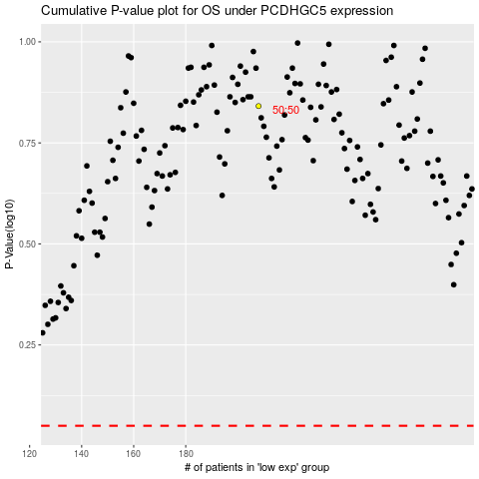

 |  |  |  |  |  | cases_OS | p_OS | rank | exp
 |  |  |  |  |  |  | cases_RFS | p_RFS | rank | exp

