PCGF6 _multivariate
Reported by Tex Li-Hsing Chi. tex@gate.sinica.edu.tw 2019-08-17

Table 2. The clinicopathological features of HNSCC cohort and PCGF6 expression. (Chi square test)
Cutoff at -0.127 (50.0%)
 |  | PCGF6 expression |  | PCGF6 expression |  | (Optimised)
 | Features | Low | (%) | High | (%) | Case no | P-value | Remark | Matthews
Gender | Female | 150 | 36.1 | 156 | 37.6 | 415 | 0.6344 | 0 | 0
2 | Male | 57 | 13.7 | 52 | 12.5
Age at diagnosis | <=65y | 139 | 33.5 | 135 | 32.5 | 415 | 0.7044 | 0 | 0
4 | >65y | 68 | 16.4 | 73 | 17.6
Clinical T Status | T1+T2 | 75 | 18.1 | 74 | 17.8 | 415 | 0.9707 | 0 | 0
6 | T3+T4 | 132 | 31.8 | 134 | 32.3
Clinical N Status | N0 | 113 | 27.2 | 103 | 24.8 | 415 | 0.3495 | 1 | 0
8 | N1-3 | 94 | 22.7 | 105 | 25.3
Clinical M Status | M0 | 205 | 49.4 | 207 | 49.9 | 415 | 0.6232 | 0 | 0
10 | M1 | 2 | 0.5 | 1 | 0.2
Clinical Stage | Stage I+II | 50 | 12 | 52 | 12.5 | 415 | 0.9315 | 0 | 0
12 | Stage III+IV | 157 | 37.8 | 156 | 37.6
Surgical Margin status | Negative | 173 | 41.7 | 145 | 34.9 | 415 | 0.0011 | 1 | 0
14 | Positive | 34 | 8.2 | 63 | 15.2
Tobacco Exposure | Low | 84 | 20.2 | 77 | 18.6 | 415 | 0.4816 | 0 | 0
16 | High | 123 | 29.6 | 131 | 31.6

Table 3. Univariate/Multivariate Cox's proportional hazards regression analyses on OS time of PCGF6 gene expression in HNSCC

 |  | Univariate |  |  |  | Multivariate
 | Features | HR | CI95%(L) | CI95%(H) | P-value | HR | CI95%(L) | CI95%(H) | P-value
1 | Female | 1 |  |  |  | 1
Gender | Male | 1.157 | 0.843 | 1.587 | 0.367 | 1.217 | 0.871 | 1.702 | 0.25
11 | <=65y | 1 |  |  |  | 1
Age at diagnosis | >65y | 1.329 | 0.99 | 1.784 | 0.058 | 1.393 | 1.025 | 1.894 | 0.034
12 | T1+T2 | 1 |  |  |  | 1
Clinical T Status | T3+T4 | 1.409 | 1.028 | 1.931 | 0.033 | 2.18 | 1.152 | 4.124 | 0.017
13 | N0 | 1 |  |  |  | 1
Clinical N Status | N1-3 | 1.185 | 0.89 | 1.577 | 0.246 | 1.214 | 0.848 | 1.738 | 0.29
14 | M0 | 1 |  |  |  | 1
Clinical M Status | M1 | 4.097 | 1.009 | 16.644 | 0.049 | 9.778 | 2.128 | 44.938 | 0.003
15 | Stage I+II | 1 |  |  |  | 1
Clinical Stage | Stage III+IV | 1.245 | 0.882 | 1.759 | 0.213 | 0.521 | 0.242 | 1.123 | 0.096
16 | Negative | 1 |  |  |  | 1
Surgical Margin status | Positive | 1.591 | 1.155 | 2.191 | 0.004 | 1.63 | 1.174 | 2.263 | 0.003
17 | Low | 1 |  |  |  | 1
Tobacco Exposure | High | 1.364 | 1.008 | 1.844 | 0.044 | 1.444 | 1.048 | 1.99 | 0.025
18 | Low | 1 |  |  |  | 1
RNAseq(z-score) | High | 1.214 | 0.911 | 1.617 | 0.186 | 1.144 | 0.85 | 1.538 | 0.375

Table 4. Univariate/Multivariate Cox's proportional hazards regression analyses on RFS time of PCGF6 gene expression in HNSCC

 |  | Univariate |  |  |  | Multivariate
 | Features | HR | CI95%(L) | CI95%(H) | P-value | HR | CI95%(L) | CI95%(H) | P-value
1 | Female | 1 |  |  |  | 1
Gender | Male | 1.157 | 0.843 | 1.587 | 0.367 | 1.217 | 0.871 | 1.702 | 0.25
11 | <=65y | 1 |  |  |  | 1
Age at diagnosis | >65y | 1.329 | 0.99 | 1.784 | 0.058 | 1.393 | 1.025 | 1.894 | 0.034
12 | T1+T2 | 1 |  |  |  | 1
Clinical T Status | T3+T4 | 1.409 | 1.028 | 1.931 | 0.033 | 2.18 | 1.152 | 4.124 | 0.017
13 | N0 | 1 |  |  |  | 1
Clinical N Status | N1-3 | 1.185 | 0.89 | 1.577 | 0.246 | 1.214 | 0.848 | 1.738 | 0.29
14 | M0 | 1 |  |  |  | 1
Clinical M Status | M1 | 4.097 | 1.009 | 16.644 | 0.049 | 9.778 | 2.128 | 44.938 | 0.003
15 | Stage I+II | 1 |  |  |  | 1
Clinical Stage | Stage III+IV | 1.245 | 0.882 | 1.759 | 0.213 | 0.521 | 0.242 | 1.123 | 0.096
16 | Negative | 1 |  |  |  | 1
Surgical Margin status | Positive | 1.591 | 1.155 | 2.191 | 0.004 | 1.63 | 1.174 | 2.263 | 0.003
17 | Low | 1 |  |  |  | 1
Tobacco Exposure | High | 1.364 | 1.008 | 1.844 | 0.044 | 1.444 | 1.048 | 1.99 | 0.025
18 | Low | 1 |  |  |  | 1
RNAseq(z-score) | High | 1.214 | 0.911 | 1.617 | 0.186 | 1.144 | 0.85 | 1.538 | 0.375

Kaplan-Meier survival estimate: Cutoff at -0.127 (50.0%)



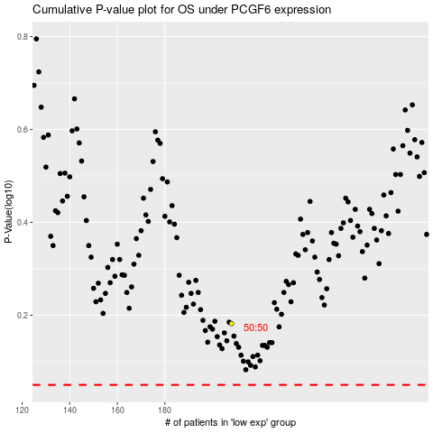

 |  |  |  |  |  | cases_OS | p_OS | rank | exp
 |  |  |  |  |  |  | cases_RFS | p_RFS | rank | exp

