PCK2 _multivariate
Reported by Tex Li-Hsing Chi. tex@gate.sinica.edu.tw 2019-08-17

Table 2. The clinicopathological features of HNSCC cohort and PCK2 expression. (Chi square test)
Cutoff at -0.222 (49.8%)
 |  | PCK2 expression |  | PCK2 expression |  | (Optimised)
 | Features | Low | (%) | High | (%) | Case no | P-value | Remark | Matthews
Gender | Female | 152 | 36.6 | 154 | 37.1 | 415 | 0.9766 | 0 | 0
2 | Male | 55 | 13.3 | 54 | 13
Age at diagnosis | <=65y | 136 | 32.8 | 138 | 33.3 | 415 | 0.9719 | 0 | 0
4 | >65y | 71 | 17.1 | 70 | 16.9
Clinical T Status | T1+T2 | 86 | 20.7 | 63 | 15.2 | 415 | 0.0221 | 1 | 0
6 | T3+T4 | 121 | 29.2 | 145 | 34.9
Clinical N Status | N0 | 104 | 25.1 | 112 | 27 | 415 | 0.5243 | 0 | 0
8 | N1-3 | 103 | 24.8 | 96 | 23.1
Clinical M Status | M0 | 206 | 49.6 | 206 | 49.6 | 415 | 1 | 0 | 0
10 | M1 | 1 | 0.2 | 2 | 0.5
Clinical Stage | Stage I+II | 63 | 15.2 | 39 | 9.4 | 415 | 0.008 | 1 | 0
12 | Stage III+IV | 144 | 34.7 | 169 | 40.7
Surgical Margin status | Negative | 167 | 40.2 | 151 | 36.4 | 415 | 0.0632 | 0 | 0
14 | Positive | 40 | 9.6 | 57 | 13.7
Tobacco Exposure | Low | 92 | 22.2 | 69 | 16.6 | 415 | 0.0206 | 1 | 0
16 | High | 115 | 27.7 | 139 | 33.5

Table 3. Univariate/Multivariate Cox's proportional hazards regression analyses on OS time of PCK2 gene expression in HNSCC

 |  | Univariate |  |  |  | Multivariate
 | Features | HR | CI95%(L) | CI95%(H) | P-value | HR | CI95%(L) | CI95%(H) | P-value
1 | Female | 1 |  |  |  | 1
Gender | Male | 1.157 | 0.843 | 1.587 | 0.367 | 1.198 | 0.857 | 1.675 | 0.29
11 | <=65y | 1 |  |  |  | 1
Age at diagnosis | >65y | 1.329 | 0.99 | 1.784 | 0.058 | 1.393 | 1.025 | 1.894 | 0.034
12 | T1+T2 | 1 |  |  |  | 1
Clinical T Status | T3+T4 | 1.409 | 1.028 | 1.931 | 0.033 | 2.198 | 1.162 | 4.157 | 0.015
13 | N0 | 1 |  |  |  | 1
Clinical N Status | N1-3 | 1.185 | 0.89 | 1.577 | 0.246 | 1.251 | 0.872 | 1.794 | 0.224
14 | M0 | 1 |  |  |  | 1
Clinical M Status | M1 | 4.097 | 1.009 | 16.644 | 0.049 | 9.327 | 2.032 | 42.816 | 0.004
15 | Stage I+II | 1 |  |  |  | 1
Clinical Stage | Stage III+IV | 1.245 | 0.882 | 1.759 | 0.213 | 0.499 | 0.232 | 1.076 | 0.076
16 | Negative | 1 |  |  |  | 1
Surgical Margin status | Positive | 1.591 | 1.155 | 2.191 | 0.004 | 1.666 | 1.204 | 2.304 | 0.002
17 | Low | 1 |  |  |  | 1
Tobacco Exposure | High | 1.364 | 1.008 | 1.844 | 0.044 | 1.443 | 1.043 | 1.997 | 0.027
18 | Low | 1 |  |  |  | 1
RNAseq(z-score) | High | 1.155 | 0.867 | 1.539 | 0.324 | 1.039 | 0.768 | 1.404 | 0.806

Table 4. Univariate/Multivariate Cox's proportional hazards regression analyses on RFS time of PCK2 gene expression in HNSCC

 |  | Univariate |  |  |  | Multivariate
 | Features | HR | CI95%(L) | CI95%(H) | P-value | HR | CI95%(L) | CI95%(H) | P-value
1 | Female | 1 |  |  |  | 1
Gender | Male | 1.157 | 0.843 | 1.587 | 0.367 | 1.198 | 0.857 | 1.675 | 0.29
11 | <=65y | 1 |  |  |  | 1
Age at diagnosis | >65y | 1.329 | 0.99 | 1.784 | 0.058 | 1.393 | 1.025 | 1.894 | 0.034
12 | T1+T2 | 1 |  |  |  | 1
Clinical T Status | T3+T4 | 1.409 | 1.028 | 1.931 | 0.033 | 2.198 | 1.162 | 4.157 | 0.015
13 | N0 | 1 |  |  |  | 1
Clinical N Status | N1-3 | 1.185 | 0.89 | 1.577 | 0.246 | 1.251 | 0.872 | 1.794 | 0.224
14 | M0 | 1 |  |  |  | 1
Clinical M Status | M1 | 4.097 | 1.009 | 16.644 | 0.049 | 9.327 | 2.032 | 42.816 | 0.004
15 | Stage I+II | 1 |  |  |  | 1
Clinical Stage | Stage III+IV | 1.245 | 0.882 | 1.759 | 0.213 | 0.499 | 0.232 | 1.076 | 0.076
16 | Negative | 1 |  |  |  | 1
Surgical Margin status | Positive | 1.591 | 1.155 | 2.191 | 0.004 | 1.666 | 1.204 | 2.304 | 0.002
17 | Low | 1 |  |  |  | 1
Tobacco Exposure | High | 1.364 | 1.008 | 1.844 | 0.044 | 1.443 | 1.043 | 1.997 | 0.027
18 | Low | 1 |  |  |  | 1
RNAseq(z-score) | High | 1.155 | 0.867 | 1.539 | 0.324 | 1.039 | 0.768 | 1.404 | 0.806

Kaplan-Meier survival estimate: Cutoff at -0.222 (49.8%)



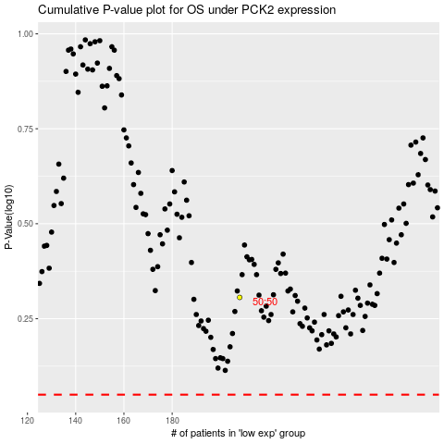

 |  |  |  |  |  | cases_OS | p_OS | rank | exp
 |  |  |  |  |  |  | cases_RFS | p_RFS | rank | exp

