PCLO _multivariate
Reported by Tex Li-Hsing Chi. tex@gate.sinica.edu.tw 2019-08-17

Table 2. The clinicopathological features of HNSCC cohort and PCLO expression. (Chi square test)
Cutoff at -0.449 (49.8%)
 |  | PCLO expression |  | PCLO expression |  | (Optimised)
 | Features | Low | (%) | High | (%) | Case no | P-value | Remark | Matthews
Gender | Female | 141 | 34 | 165 | 39.8 | 415 | 0.013 | 1 | 0
2 | Male | 66 | 15.9 | 43 | 10.4
Age at diagnosis | <=65y | 130 | 31.3 | 144 | 34.7 | 415 | 0.2009 | 0 | 0
4 | >65y | 77 | 18.6 | 64 | 15.4
Clinical T Status | T1+T2 | 75 | 18.1 | 74 | 17.8 | 415 | 0.9707 | 0 | 0
6 | T3+T4 | 132 | 31.8 | 134 | 32.3
Clinical N Status | N0 | 118 | 28.4 | 98 | 23.6 | 415 | 0.0551 | 1 | 0
8 | N1-3 | 89 | 21.4 | 110 | 26.5
Clinical M Status | M0 | 206 | 49.6 | 206 | 49.6 | 415 | 1 | 0 | 0
10 | M1 | 1 | 0.2 | 2 | 0.5
Clinical Stage | Stage I+II | 58 | 14 | 44 | 10.6 | 415 | 0.131 | 0 | 0
12 | Stage III+IV | 149 | 35.9 | 164 | 39.5
Surgical Margin status | Negative | 158 | 38.1 | 160 | 38.6 | 415 | 0.9081 | 0 | 0
14 | Positive | 49 | 11.8 | 48 | 11.6
Tobacco Exposure | Low | 93 | 22.4 | 68 | 16.4 | 415 | 0.0118 | 1 | 0
16 | High | 114 | 27.5 | 140 | 33.7

Table 3. Univariate/Multivariate Cox's proportional hazards regression analyses on OS time of PCLO gene expression in HNSCC

 |  | Univariate |  |  |  | Multivariate
 | Features | HR | CI95%(L) | CI95%(H) | P-value | HR | CI95%(L) | CI95%(H) | P-value
1 | Female | 1 |  |  |  | 1
Gender | Male | 1.157 | 0.843 | 1.587 | 0.367 | 1.202 | 0.859 | 1.682 | 0.283
11 | <=65y | 1 |  |  |  | 1
Age at diagnosis | >65y | 1.329 | 0.99 | 1.784 | 0.058 | 1.392 | 1.024 | 1.893 | 0.035
12 | T1+T2 | 1 |  |  |  | 1
Clinical T Status | T3+T4 | 1.409 | 1.028 | 1.931 | 0.033 | 2.204 | 1.163 | 4.177 | 0.015
13 | N0 | 1 |  |  |  | 1
Clinical N Status | N1-3 | 1.185 | 0.89 | 1.577 | 0.246 | 1.24 | 0.867 | 1.774 | 0.239
14 | M0 | 1 |  |  |  | 1
Clinical M Status | M1 | 4.097 | 1.009 | 16.644 | 0.049 | 9.412 | 2.052 | 43.181 | 0.004
15 | Stage I+II | 1 |  |  |  | 1
Clinical Stage | Stage III+IV | 1.245 | 0.882 | 1.759 | 0.213 | 0.504 | 0.234 | 1.086 | 0.08
16 | Negative | 1 |  |  |  | 1
Surgical Margin status | Positive | 1.591 | 1.155 | 2.191 | 0.004 | 1.672 | 1.208 | 2.314 | 0.002
17 | Low | 1 |  |  |  | 1
Tobacco Exposure | High | 1.364 | 1.008 | 1.844 | 0.044 | 1.452 | 1.052 | 2.005 | 0.023
18 | Low | 1 |  |  |  | 1
RNAseq(z-score) | High | 0.989 | 0.742 | 1.318 | 0.939 | 1.003 | 0.742 | 1.356 | 0.982

Table 4. Univariate/Multivariate Cox's proportional hazards regression analyses on RFS time of PCLO gene expression in HNSCC

 |  | Univariate |  |  |  | Multivariate
 | Features | HR | CI95%(L) | CI95%(H) | P-value | HR | CI95%(L) | CI95%(H) | P-value
1 | Female | 1 |  |  |  | 1
Gender | Male | 1.157 | 0.843 | 1.587 | 0.367 | 1.202 | 0.859 | 1.682 | 0.283
11 | <=65y | 1 |  |  |  | 1
Age at diagnosis | >65y | 1.329 | 0.99 | 1.784 | 0.058 | 1.392 | 1.024 | 1.893 | 0.035
12 | T1+T2 | 1 |  |  |  | 1
Clinical T Status | T3+T4 | 1.409 | 1.028 | 1.931 | 0.033 | 2.204 | 1.163 | 4.177 | 0.015
13 | N0 | 1 |  |  |  | 1
Clinical N Status | N1-3 | 1.185 | 0.89 | 1.577 | 0.246 | 1.24 | 0.867 | 1.774 | 0.239
14 | M0 | 1 |  |  |  | 1
Clinical M Status | M1 | 4.097 | 1.009 | 16.644 | 0.049 | 9.412 | 2.052 | 43.181 | 0.004
15 | Stage I+II | 1 |  |  |  | 1
Clinical Stage | Stage III+IV | 1.245 | 0.882 | 1.759 | 0.213 | 0.504 | 0.234 | 1.086 | 0.08
16 | Negative | 1 |  |  |  | 1
Surgical Margin status | Positive | 1.591 | 1.155 | 2.191 | 0.004 | 1.672 | 1.208 | 2.314 | 0.002
17 | Low | 1 |  |  |  | 1
Tobacco Exposure | High | 1.364 | 1.008 | 1.844 | 0.044 | 1.452 | 1.052 | 2.005 | 0.023
18 | Low | 1 |  |  |  | 1
RNAseq(z-score) | High | 0.989 | 0.742 | 1.318 | 0.939 | 1.003 | 0.742 | 1.356 | 0.982

Kaplan-Meier survival estimate: Cutoff at -0.449 (49.8%)



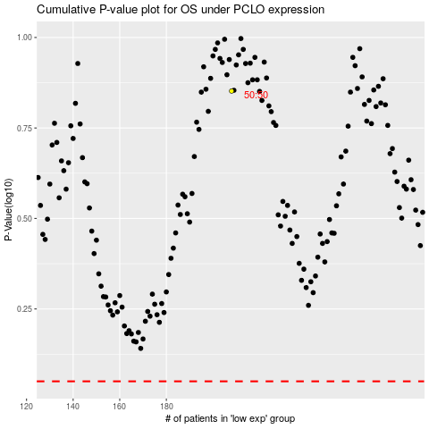

 |  |  |  |  |  | cases_OS | p_OS | rank | exp
 |  |  |  |  |  |  | cases_RFS | p_RFS | rank | exp

