PCMTD2 _multivariate
Reported by Tex Li-Hsing Chi. tex@gate.sinica.edu.tw 2019-08-17

Table 2. The clinicopathological features of HNSCC cohort and PCMTD2 expression. (Chi square test)
Cutoff at -0.369 (44.4%)
 |  | PCMTD2 expression |  | PCMTD2 expression |  | (Optimised)
 | Features | Low | (%) | High | (%) | Case no | P-value | Remark | Matthews
Gender | Female | 130 | 31.3 | 176 | 42.4 | 415 | 0.2455 | 0 | 0
2 | Male | 54 | 13 | 55 | 13.3
Age at diagnosis | <=65y | 118 | 28.4 | 156 | 37.6 | 415 | 0.5335 | 0 | 0
4 | >65y | 66 | 15.9 | 75 | 18.1
Clinical T Status | T1+T2 | 64 | 15.4 | 85 | 20.5 | 415 | 0.7475 | 0 | 0
6 | T3+T4 | 120 | 28.9 | 146 | 35.2
Clinical N Status | N0 | 95 | 22.9 | 121 | 29.2 | 415 | 0.9576 | 0 | 0
8 | N1-3 | 89 | 21.4 | 110 | 26.5
Clinical M Status | M0 | 182 | 43.9 | 230 | 55.4 | 415 | 0.5867 | 0 | 0
10 | M1 | 2 | 0.5 | 1 | 0.2
Clinical Stage | Stage I+II | 46 | 11.1 | 56 | 13.5 | 415 | 0.9495 | 0 | 0
12 | Stage III+IV | 138 | 33.3 | 175 | 42.2
Surgical Margin status | Negative | 143 | 34.5 | 175 | 42.2 | 415 | 0.7263 | 0 | 0
14 | Positive | 41 | 9.9 | 56 | 13.5
Tobacco Exposure | Low | 79 | 19 | 82 | 19.8 | 415 | 0.1293 | 0 | 0
16 | High | 105 | 25.3 | 149 | 35.9

Table 3. Univariate/Multivariate Cox's proportional hazards regression analyses on OS time of PCMTD2 gene expression in HNSCC

 |  | Univariate |  |  |  | Multivariate
 | Features | HR | CI95%(L) | CI95%(H) | P-value | HR | CI95%(L) | CI95%(H) | P-value
1 | Female | 1 |  |  |  | 1
Gender | Male | 1.157 | 0.843 | 1.587 | 0.367 | 1.179 | 0.843 | 1.648 | 0.336
11 | <=65y | 1 |  |  |  | 1
Age at diagnosis | >65y | 1.329 | 0.99 | 1.784 | 0.058 | 1.407 | 1.034 | 1.914 | 0.03
12 | T1+T2 | 1 |  |  |  | 1
Clinical T Status | T3+T4 | 1.409 | 1.028 | 1.931 | 0.033 | 2.113 | 1.116 | 4 | 0.022
13 | N0 | 1 |  |  |  | 1
Clinical N Status | N1-3 | 1.185 | 0.89 | 1.577 | 0.246 | 1.224 | 0.858 | 1.745 | 0.264
14 | M0 | 1 |  |  |  | 1
Clinical M Status | M1 | 4.097 | 1.009 | 16.644 | 0.049 | 8.376 | 1.816 | 38.635 | 0.006
15 | Stage I+II | 1 |  |  |  | 1
Clinical Stage | Stage III+IV | 1.245 | 0.882 | 1.759 | 0.213 | 0.53 | 0.246 | 1.139 | 0.104
16 | Negative | 1 |  |  |  | 1
Surgical Margin status | Positive | 1.591 | 1.155 | 2.191 | 0.004 | 1.653 | 1.197 | 2.283 | 0.002
17 | Low | 1 |  |  |  | 1
Tobacco Exposure | High | 1.364 | 1.008 | 1.844 | 0.044 | 1.467 | 1.063 | 2.023 | 0.02
18 | Low | 1 |  |  |  | 1
RNAseq(z-score) | High | 0.743 | 0.558 | 0.989 | 0.042 | 0.789 | 0.591 | 1.055 | 0.11

Table 4. Univariate/Multivariate Cox's proportional hazards regression analyses on RFS time of PCMTD2 gene expression in HNSCC

 |  | Univariate |  |  |  | Multivariate
 | Features | HR | CI95%(L) | CI95%(H) | P-value | HR | CI95%(L) | CI95%(H) | P-value
1 | Female | 1 |  |  |  | 1
Gender | Male | 1.157 | 0.843 | 1.587 | 0.367 | 1.179 | 0.843 | 1.648 | 0.336
11 | <=65y | 1 |  |  |  | 1
Age at diagnosis | >65y | 1.329 | 0.99 | 1.784 | 0.058 | 1.407 | 1.034 | 1.914 | 0.03
12 | T1+T2 | 1 |  |  |  | 1
Clinical T Status | T3+T4 | 1.409 | 1.028 | 1.931 | 0.033 | 2.113 | 1.116 | 4 | 0.022
13 | N0 | 1 |  |  |  | 1
Clinical N Status | N1-3 | 1.185 | 0.89 | 1.577 | 0.246 | 1.224 | 0.858 | 1.745 | 0.264
14 | M0 | 1 |  |  |  | 1
Clinical M Status | M1 | 4.097 | 1.009 | 16.644 | 0.049 | 8.376 | 1.816 | 38.635 | 0.006
15 | Stage I+II | 1 |  |  |  | 1
Clinical Stage | Stage III+IV | 1.245 | 0.882 | 1.759 | 0.213 | 0.53 | 0.246 | 1.139 | 0.104
16 | Negative | 1 |  |  |  | 1
Surgical Margin status | Positive | 1.591 | 1.155 | 2.191 | 0.004 | 1.653 | 1.197 | 2.283 | 0.002
17 | Low | 1 |  |  |  | 1
Tobacco Exposure | High | 1.364 | 1.008 | 1.844 | 0.044 | 1.467 | 1.063 | 2.023 | 0.02
18 | Low | 1 |  |  |  | 1
RNAseq(z-score) | High | 0.743 | 0.558 | 0.989 | 0.042 | 0.789 | 0.591 | 1.055 | 0.11

Kaplan-Meier survival estimate: Cutoff at -0.369 (44.4%)



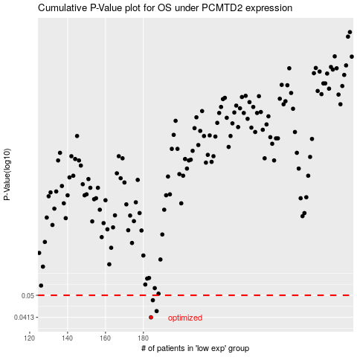

 |  |  |  |  |  | cases_OS | p_OS | rank | exp
 |  |  |  |  |  | 184 | 0.0413 | 91 | -0.36909173228
 |  |  |  |  |  | 187 | 0.0436 | 311 | -0.34812080563
 |  |  |  |  |  | 185 | 0.0479 | 24 | -0.36723996965
 |  |  |  |  |  |  | cases_RFS | p_RFS | rank | exp
 |  |  |  |  |  |  | 183 | 0.0413 | 281 | -0.37565348657
 |  |  |  |  |  |  | 186 | 0.0436 | 74 | -0.36440485297
 |  |  |  |  |  |  | 184 | 0.0479 | 91 | -0.36909173228

