PCNP _multivariate
Reported by Tex Li-Hsing Chi. tex@gate.sinica.edu.tw 2019-08-17

Table 2. The clinicopathological features of HNSCC cohort and PCNP expression. (Chi square test)
Cutoff at -0.214 (49.8%)
 |  | PCNP expression |  | PCNP expression |  | (Optimised)
 | Features | Low | (%) | High | (%) | Case no | P-value | Remark | Matthews
Gender | Female | 150 | 36.1 | 156 | 37.6 | 415 | 0.6344 | 0 | 0
2 | Male | 57 | 13.7 | 52 | 12.5
Age at diagnosis | <=65y | 137 | 33 | 137 | 33 | 415 | 1 | 0 | 0
4 | >65y | 70 | 16.9 | 71 | 17.1
Clinical T Status | T1+T2 | 67 | 16.1 | 82 | 19.8 | 415 | 0.1628 | 0 | 0
6 | T3+T4 | 140 | 33.7 | 126 | 30.4
Clinical N Status | N0 | 114 | 27.5 | 102 | 24.6 | 415 | 0.2576 | 1 | 0
8 | N1-3 | 93 | 22.4 | 106 | 25.5
Clinical M Status | M0 | 205 | 49.4 | 207 | 49.9 | 415 | 0.6232 | 0 | 0
10 | M1 | 2 | 0.5 | 1 | 0.2
Clinical Stage | Stage I+II | 46 | 11.1 | 56 | 13.5 | 415 | 0.3182 | 0 | 0
12 | Stage III+IV | 161 | 38.8 | 152 | 36.6
Surgical Margin status | Negative | 161 | 38.8 | 157 | 37.8 | 415 | 0.6429 | 0 | 0
14 | Positive | 46 | 11.1 | 51 | 12.3
Tobacco Exposure | Low | 77 | 18.6 | 84 | 20.2 | 415 | 0.5459 | 0 | 0
16 | High | 130 | 31.3 | 124 | 29.9

Table 3. Univariate/Multivariate Cox's proportional hazards regression analyses on OS time of PCNP gene expression in HNSCC

 |  | Univariate |  |  |  | Multivariate
 | Features | HR | CI95%(L) | CI95%(H) | P-value | HR | CI95%(L) | CI95%(H) | P-value
1 | Female | 1 |  |  |  | 1
Gender | Male | 1.157 | 0.843 | 1.587 | 0.367 | 1.224 | 0.876 | 1.711 | 0.236
11 | <=65y | 1 |  |  |  | 1
Age at diagnosis | >65y | 1.329 | 0.99 | 1.784 | 0.058 | 1.375 | 1.011 | 1.87 | 0.042
12 | T1+T2 | 1 |  |  |  | 1
Clinical T Status | T3+T4 | 1.409 | 1.028 | 1.931 | 0.033 | 2.231 | 1.179 | 4.222 | 0.014
13 | N0 | 1 |  |  |  | 1
Clinical N Status | N1-3 | 1.185 | 0.89 | 1.577 | 0.246 | 1.202 | 0.839 | 1.722 | 0.315
14 | M0 | 1 |  |  |  | 1
Clinical M Status | M1 | 4.097 | 1.009 | 16.644 | 0.049 | 10.156 | 2.202 | 46.851 | 0.003
15 | Stage I+II | 1 |  |  |  | 1
Clinical Stage | Stage III+IV | 1.245 | 0.882 | 1.759 | 0.213 | 0.51 | 0.238 | 1.094 | 0.084
16 | Negative | 1 |  |  |  | 1
Surgical Margin status | Positive | 1.591 | 1.155 | 2.191 | 0.004 | 1.674 | 1.211 | 2.315 | 0.002
17 | Low | 1 |  |  |  | 1
Tobacco Exposure | High | 1.364 | 1.008 | 1.844 | 0.044 | 1.457 | 1.058 | 2.005 | 0.021
18 | Low | 1 |  |  |  | 1
RNAseq(z-score) | High | 1.142 | 0.857 | 1.522 | 0.364 | 1.185 | 0.884 | 1.588 | 0.257

Table 4. Univariate/Multivariate Cox's proportional hazards regression analyses on RFS time of PCNP gene expression in HNSCC

 |  | Univariate |  |  |  | Multivariate
 | Features | HR | CI95%(L) | CI95%(H) | P-value | HR | CI95%(L) | CI95%(H) | P-value
1 | Female | 1 |  |  |  | 1
Gender | Male | 1.157 | 0.843 | 1.587 | 0.367 | 1.224 | 0.876 | 1.711 | 0.236
11 | <=65y | 1 |  |  |  | 1
Age at diagnosis | >65y | 1.329 | 0.99 | 1.784 | 0.058 | 1.375 | 1.011 | 1.87 | 0.042
12 | T1+T2 | 1 |  |  |  | 1
Clinical T Status | T3+T4 | 1.409 | 1.028 | 1.931 | 0.033 | 2.231 | 1.179 | 4.222 | 0.014
13 | N0 | 1 |  |  |  | 1
Clinical N Status | N1-3 | 1.185 | 0.89 | 1.577 | 0.246 | 1.202 | 0.839 | 1.722 | 0.315
14 | M0 | 1 |  |  |  | 1
Clinical M Status | M1 | 4.097 | 1.009 | 16.644 | 0.049 | 10.156 | 2.202 | 46.851 | 0.003
15 | Stage I+II | 1 |  |  |  | 1
Clinical Stage | Stage III+IV | 1.245 | 0.882 | 1.759 | 0.213 | 0.51 | 0.238 | 1.094 | 0.084
16 | Negative | 1 |  |  |  | 1
Surgical Margin status | Positive | 1.591 | 1.155 | 2.191 | 0.004 | 1.674 | 1.211 | 2.315 | 0.002
17 | Low | 1 |  |  |  | 1
Tobacco Exposure | High | 1.364 | 1.008 | 1.844 | 0.044 | 1.457 | 1.058 | 2.005 | 0.021
18 | Low | 1 |  |  |  | 1
RNAseq(z-score) | High | 1.142 | 0.857 | 1.522 | 0.364 | 1.185 | 0.884 | 1.588 | 0.257

Kaplan-Meier survival estimate: Cutoff at -0.214 (49.8%)



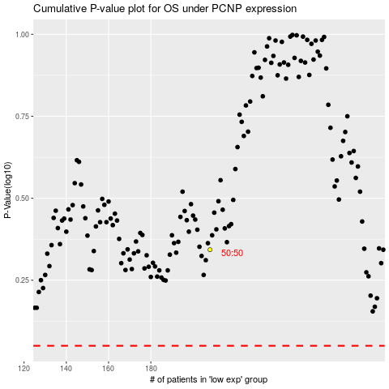

 |  |  |  |  |  | cases_OS | p_OS | rank | exp
 |  |  |  |  |  |  | cases_RFS | p_RFS | rank | exp

