PCNT _multivariate
Reported by Tex Li-Hsing Chi. tex@gate.sinica.edu.tw 2019-08-17

Table 2. The clinicopathological features of HNSCC cohort and PCNT expression. (Chi square test)
Cutoff at -0.213 (50.0%)
 |  | PCNT expression |  | PCNT expression |  | (Optimised)
 | Features | Low | (%) | High | (%) | Case no | P-value | Remark | Matthews
Gender | Female | 160 | 38.6 | 146 | 35.2 | 415 | 0.1254 | 0 | 0
2 | Male | 47 | 11.3 | 62 | 14.9
Age at diagnosis | <=65y | 129 | 31.1 | 145 | 34.9 | 415 | 0.1372 | 0 | 0
4 | >65y | 78 | 18.8 | 63 | 15.2
Clinical T Status | T1+T2 | 62 | 14.9 | 87 | 21 | 415 | 0.0156 | 1 | 0
6 | T3+T4 | 145 | 34.9 | 121 | 29.2
Clinical N Status | N0 | 103 | 24.8 | 113 | 27.2 | 415 | 0.4047 | 0 | 0
8 | N1-3 | 104 | 25.1 | 95 | 22.9
Clinical M Status | M0 | 204 | 49.2 | 208 | 50.1 | 415 | 0.1232 | 0 | 0
10 | M1 | 3 | 0.7 | 0 | 0
Clinical Stage | Stage I+II | 45 | 10.8 | 57 | 13.7 | 415 | 0.2202 | 0 | 0
12 | Stage III+IV | 162 | 39 | 151 | 36.4
Surgical Margin status | Negative | 164 | 39.5 | 154 | 37.1 | 415 | 0.2462 | 0 | 0
14 | Positive | 43 | 10.4 | 54 | 13
Tobacco Exposure | Low | 69 | 16.6 | 92 | 22.2 | 415 | 0.0266 | 1 | 0
16 | High | 138 | 33.3 | 116 | 28

Table 3. Univariate/Multivariate Cox's proportional hazards regression analyses on OS time of PCNT gene expression in HNSCC

 |  | Univariate |  |  |  | Multivariate
 | Features | HR | CI95%(L) | CI95%(H) | P-value | HR | CI95%(L) | CI95%(H) | P-value
1 | Female | 1 |  |  |  | 1
Gender | Male | 1.157 | 0.843 | 1.587 | 0.367 | 1.201 | 0.859 | 1.677 | 0.284
11 | <=65y | 1 |  |  |  | 1
Age at diagnosis | >65y | 1.329 | 0.99 | 1.784 | 0.058 | 1.39 | 1.022 | 1.89 | 0.036
12 | T1+T2 | 1 |  |  |  | 1
Clinical T Status | T3+T4 | 1.409 | 1.028 | 1.931 | 0.033 | 2.189 | 1.153 | 4.156 | 0.017
13 | N0 | 1 |  |  |  | 1
Clinical N Status | N1-3 | 1.185 | 0.89 | 1.577 | 0.246 | 1.238 | 0.867 | 1.768 | 0.239
14 | M0 | 1 |  |  |  | 1
Clinical M Status | M1 | 4.097 | 1.009 | 16.644 | 0.049 | 9.243 | 1.99 | 42.946 | 0.005
15 | Stage I+II | 1 |  |  |  | 1
Clinical Stage | Stage III+IV | 1.245 | 0.882 | 1.759 | 0.213 | 0.508 | 0.236 | 1.095 | 0.084
16 | Negative | 1 |  |  |  | 1
Surgical Margin status | Positive | 1.591 | 1.155 | 2.191 | 0.004 | 1.673 | 1.211 | 2.312 | 0.002
17 | Low | 1 |  |  |  | 1
Tobacco Exposure | High | 1.364 | 1.008 | 1.844 | 0.044 | 1.45 | 1.052 | 1.999 | 0.023
18 | Low | 1 |  |  |  | 1
RNAseq(z-score) | High | 0.906 | 0.68 | 1.207 | 0.501 | 0.975 | 0.728 | 1.306 | 0.867

Table 4. Univariate/Multivariate Cox's proportional hazards regression analyses on RFS time of PCNT gene expression in HNSCC

 |  | Univariate |  |  |  | Multivariate
 | Features | HR | CI95%(L) | CI95%(H) | P-value | HR | CI95%(L) | CI95%(H) | P-value
1 | Female | 1 |  |  |  | 1
Gender | Male | 1.157 | 0.843 | 1.587 | 0.367 | 1.201 | 0.859 | 1.677 | 0.284
11 | <=65y | 1 |  |  |  | 1
Age at diagnosis | >65y | 1.329 | 0.99 | 1.784 | 0.058 | 1.39 | 1.022 | 1.89 | 0.036
12 | T1+T2 | 1 |  |  |  | 1
Clinical T Status | T3+T4 | 1.409 | 1.028 | 1.931 | 0.033 | 2.189 | 1.153 | 4.156 | 0.017
13 | N0 | 1 |  |  |  | 1
Clinical N Status | N1-3 | 1.185 | 0.89 | 1.577 | 0.246 | 1.238 | 0.867 | 1.768 | 0.239
14 | M0 | 1 |  |  |  | 1
Clinical M Status | M1 | 4.097 | 1.009 | 16.644 | 0.049 | 9.243 | 1.99 | 42.946 | 0.005
15 | Stage I+II | 1 |  |  |  | 1
Clinical Stage | Stage III+IV | 1.245 | 0.882 | 1.759 | 0.213 | 0.508 | 0.236 | 1.095 | 0.084
16 | Negative | 1 |  |  |  | 1
Surgical Margin status | Positive | 1.591 | 1.155 | 2.191 | 0.004 | 1.673 | 1.211 | 2.312 | 0.002
17 | Low | 1 |  |  |  | 1
Tobacco Exposure | High | 1.364 | 1.008 | 1.844 | 0.044 | 1.45 | 1.052 | 1.999 | 0.023
18 | Low | 1 |  |  |  | 1
RNAseq(z-score) | High | 0.906 | 0.68 | 1.207 | 0.501 | 0.975 | 0.728 | 1.306 | 0.867

Kaplan-Meier survival estimate: Cutoff at -0.213 (50.0%)



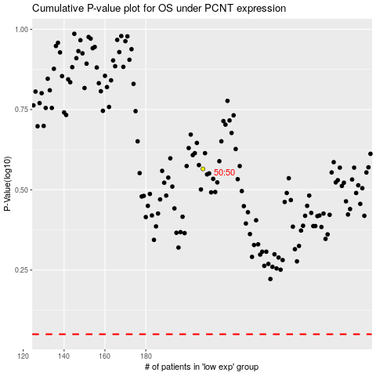

 |  |  |  |  |  | cases_OS | p_OS | rank | exp
 |  |  |  |  |  |  | cases_RFS | p_RFS | rank | exp

