PCSK4 _multivariate
Reported by Tex Li-Hsing Chi. tex@gate.sinica.edu.tw 2019-08-17

Table 2. The clinicopathological features of HNSCC cohort and PCSK4 expression. (Chi square test)
Cutoff at -0.331 (49.8%)
 |  | PCSK4 expression |  | PCSK4 expression |  | (Optimised)
 | Features | Low | (%) | High | (%) | Case no | P-value | Remark | Matthews
Gender | Female | 144 | 34.7 | 162 | 39 | 415 | 0.0697 | 0 | 0
2 | Male | 63 | 15.2 | 46 | 11.1
Age at diagnosis | <=65y | 139 | 33.5 | 135 | 32.5 | 415 | 0.7044 | 0 | 0
4 | >65y | 68 | 16.4 | 73 | 17.6
Clinical T Status | T1+T2 | 89 | 21.4 | 60 | 14.5 | 415 | 0.0037 | 1 | 0
6 | T3+T4 | 118 | 28.4 | 148 | 35.7
Clinical N Status | N0 | 105 | 25.3 | 111 | 26.7 | 415 | 0.6598 | 0 | 0
8 | N1-3 | 102 | 24.6 | 97 | 23.4
Clinical M Status | M0 | 206 | 49.6 | 206 | 49.6 | 415 | 1 | 0 | 0
10 | M1 | 1 | 0.2 | 2 | 0.5
Clinical Stage | Stage I+II | 65 | 15.7 | 37 | 8.9 | 415 | 0.0019 | 1 | 0
12 | Stage III+IV | 142 | 34.2 | 171 | 41.2
Surgical Margin status | Negative | 160 | 38.6 | 158 | 38.1 | 415 | 0.8167 | 0 | 0
14 | Positive | 47 | 11.3 | 50 | 12
Tobacco Exposure | Low | 84 | 20.2 | 77 | 18.6 | 415 | 0.4816 | 0 | 0
16 | High | 123 | 29.6 | 131 | 31.6

Table 3. Univariate/Multivariate Cox's proportional hazards regression analyses on OS time of PCSK4 gene expression in HNSCC

 |  | Univariate |  |  |  | Multivariate
 | Features | HR | CI95%(L) | CI95%(H) | P-value | HR | CI95%(L) | CI95%(H) | P-value
1 | Female | 1 |  |  |  | 1
Gender | Male | 1.157 | 0.843 | 1.587 | 0.367 | 1.191 | 0.853 | 1.663 | 0.305
11 | <=65y | 1 |  |  |  | 1
Age at diagnosis | >65y | 1.329 | 0.99 | 1.784 | 0.058 | 1.406 | 1.034 | 1.913 | 0.03
12 | T1+T2 | 1 |  |  |  | 1
Clinical T Status | T3+T4 | 1.409 | 1.028 | 1.931 | 0.033 | 2.222 | 1.175 | 4.202 | 0.014
13 | N0 | 1 |  |  |  | 1
Clinical N Status | N1-3 | 1.185 | 0.89 | 1.577 | 0.246 | 1.228 | 0.86 | 1.753 | 0.258
14 | M0 | 1 |  |  |  | 1
Clinical M Status | M1 | 4.097 | 1.009 | 16.644 | 0.049 | 9.596 | 2.092 | 44.023 | 0.004
15 | Stage I+II | 1 |  |  |  | 1
Clinical Stage | Stage III+IV | 1.245 | 0.882 | 1.759 | 0.213 | 0.516 | 0.24 | 1.109 | 0.09
16 | Negative | 1 |  |  |  | 1
Surgical Margin status | Positive | 1.591 | 1.155 | 2.191 | 0.004 | 1.666 | 1.206 | 2.302 | 0.002
17 | Low | 1 |  |  |  | 1
Tobacco Exposure | High | 1.364 | 1.008 | 1.844 | 0.044 | 1.46 | 1.06 | 2.012 | 0.021
18 | Low | 1 |  |  |  | 1
RNAseq(z-score) | High | 0.951 | 0.713 | 1.267 | 0.73 | 0.89 | 0.663 | 1.197 | 0.441

Table 4. Univariate/Multivariate Cox's proportional hazards regression analyses on RFS time of PCSK4 gene expression in HNSCC

 |  | Univariate |  |  |  | Multivariate
 | Features | HR | CI95%(L) | CI95%(H) | P-value | HR | CI95%(L) | CI95%(H) | P-value
1 | Female | 1 |  |  |  | 1
Gender | Male | 1.157 | 0.843 | 1.587 | 0.367 | 1.191 | 0.853 | 1.663 | 0.305
11 | <=65y | 1 |  |  |  | 1
Age at diagnosis | >65y | 1.329 | 0.99 | 1.784 | 0.058 | 1.406 | 1.034 | 1.913 | 0.03
12 | T1+T2 | 1 |  |  |  | 1
Clinical T Status | T3+T4 | 1.409 | 1.028 | 1.931 | 0.033 | 2.222 | 1.175 | 4.202 | 0.014
13 | N0 | 1 |  |  |  | 1
Clinical N Status | N1-3 | 1.185 | 0.89 | 1.577 | 0.246 | 1.228 | 0.86 | 1.753 | 0.258
14 | M0 | 1 |  |  |  | 1
Clinical M Status | M1 | 4.097 | 1.009 | 16.644 | 0.049 | 9.596 | 2.092 | 44.023 | 0.004
15 | Stage I+II | 1 |  |  |  | 1
Clinical Stage | Stage III+IV | 1.245 | 0.882 | 1.759 | 0.213 | 0.516 | 0.24 | 1.109 | 0.09
16 | Negative | 1 |  |  |  | 1
Surgical Margin status | Positive | 1.591 | 1.155 | 2.191 | 0.004 | 1.666 | 1.206 | 2.302 | 0.002
17 | Low | 1 |  |  |  | 1
Tobacco Exposure | High | 1.364 | 1.008 | 1.844 | 0.044 | 1.46 | 1.06 | 2.012 | 0.021
18 | Low | 1 |  |  |  | 1
RNAseq(z-score) | High | 0.951 | 0.713 | 1.267 | 0.73 | 0.89 | 0.663 | 1.197 | 0.441

Kaplan-Meier survival estimate: Cutoff at -0.331 (49.8%)



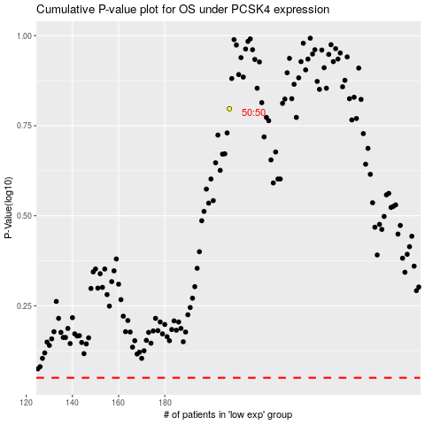

 |  |  |  |  |  | cases_OS | p_OS | rank | exp
 |  |  |  |  |  |  | cases_RFS | p_RFS | rank | exp

