PCSK5 _multivariate
Reported by Tex Li-Hsing Chi. tex@gate.sinica.edu.tw 2019-08-17

Table 2. The clinicopathological features of HNSCC cohort and PCSK5 expression. (Chi square test)
Cutoff at -0.291 (49.8%)
 |  | PCSK5 expression |  | PCSK5 expression |  | (Optimised)
 | Features | Low | (%) | High | (%) | Case no | P-value | Remark | Matthews
Gender | Female | 158 | 38.1 | 148 | 35.7 | 415 | 0.2774 | 0 | 0
2 | Male | 49 | 11.8 | 60 | 14.5
Age at diagnosis | <=65y | 147 | 35.4 | 127 | 30.6 | 415 | 0.0416 | 1 | 0
4 | >65y | 60 | 14.5 | 81 | 19.5
Clinical T Status | T1+T2 | 81 | 19.5 | 68 | 16.4 | 415 | 0.206 | 0 | 0
6 | T3+T4 | 126 | 30.4 | 140 | 33.7
Clinical N Status | N0 | 102 | 24.6 | 114 | 27.5 | 415 | 0.3031 | 0 | 0
8 | N1-3 | 105 | 25.3 | 94 | 22.7
Clinical M Status | M0 | 204 | 49.2 | 208 | 50.1 | 415 | 0.1232 | 0 | 0
10 | M1 | 3 | 0.7 | 0 | 0
Clinical Stage | Stage I+II | 54 | 13 | 48 | 11.6 | 415 | 0.5498 | 0 | 0
12 | Stage III+IV | 153 | 36.9 | 160 | 38.6
Surgical Margin status | Negative | 148 | 35.7 | 170 | 41 | 415 | 0.015 | 1 | 0
14 | Positive | 59 | 14.2 | 38 | 9.2
Tobacco Exposure | Low | 90 | 21.7 | 71 | 17.1 | 415 | 0.0559 | 0 | 0
16 | High | 117 | 28.2 | 137 | 33

Table 3. Univariate/Multivariate Cox's proportional hazards regression analyses on OS time of PCSK5 gene expression in HNSCC

 |  | Univariate |  |  |  | Multivariate
 | Features | HR | CI95%(L) | CI95%(H) | P-value | HR | CI95%(L) | CI95%(H) | P-value
1 | Female | 1 |  |  |  | 1
Gender | Male | 1.157 | 0.843 | 1.587 | 0.367 | 1.217 | 0.87 | 1.702 | 0.252
11 | <=65y | 1 |  |  |  | 1
Age at diagnosis | >65y | 1.329 | 0.99 | 1.784 | 0.058 | 1.409 | 1.035 | 1.919 | 0.03
12 | T1+T2 | 1 |  |  |  | 1
Clinical T Status | T3+T4 | 1.409 | 1.028 | 1.931 | 0.033 | 2.191 | 1.159 | 4.143 | 0.016
13 | N0 | 1 |  |  |  | 1
Clinical N Status | N1-3 | 1.185 | 0.89 | 1.577 | 0.246 | 1.223 | 0.855 | 1.748 | 0.27
14 | M0 | 1 |  |  |  | 1
Clinical M Status | M1 | 4.097 | 1.009 | 16.644 | 0.049 | 8.848 | 1.918 | 40.822 | 0.005
15 | Stage I+II | 1 |  |  |  | 1
Clinical Stage | Stage III+IV | 1.245 | 0.882 | 1.759 | 0.213 | 0.52 | 0.242 | 1.12 | 0.095
16 | Negative | 1 |  |  |  | 1
Surgical Margin status | Positive | 1.591 | 1.155 | 2.191 | 0.004 | 1.628 | 1.172 | 2.263 | 0.004
17 | Low | 1 |  |  |  | 1
Tobacco Exposure | High | 1.364 | 1.008 | 1.844 | 0.044 | 1.492 | 1.076 | 2.069 | 0.016
18 | Low | 1 |  |  |  | 1
RNAseq(z-score) | High | 0.905 | 0.679 | 1.207 | 0.497 | 0.879 | 0.648 | 1.193 | 0.409

Table 4. Univariate/Multivariate Cox's proportional hazards regression analyses on RFS time of PCSK5 gene expression in HNSCC

 |  | Univariate |  |  |  | Multivariate
 | Features | HR | CI95%(L) | CI95%(H) | P-value | HR | CI95%(L) | CI95%(H) | P-value
1 | Female | 1 |  |  |  | 1
Gender | Male | 1.157 | 0.843 | 1.587 | 0.367 | 1.217 | 0.87 | 1.702 | 0.252
11 | <=65y | 1 |  |  |  | 1
Age at diagnosis | >65y | 1.329 | 0.99 | 1.784 | 0.058 | 1.409 | 1.035 | 1.919 | 0.03
12 | T1+T2 | 1 |  |  |  | 1
Clinical T Status | T3+T4 | 1.409 | 1.028 | 1.931 | 0.033 | 2.191 | 1.159 | 4.143 | 0.016
13 | N0 | 1 |  |  |  | 1
Clinical N Status | N1-3 | 1.185 | 0.89 | 1.577 | 0.246 | 1.223 | 0.855 | 1.748 | 0.27
14 | M0 | 1 |  |  |  | 1
Clinical M Status | M1 | 4.097 | 1.009 | 16.644 | 0.049 | 8.848 | 1.918 | 40.822 | 0.005
15 | Stage I+II | 1 |  |  |  | 1
Clinical Stage | Stage III+IV | 1.245 | 0.882 | 1.759 | 0.213 | 0.52 | 0.242 | 1.12 | 0.095
16 | Negative | 1 |  |  |  | 1
Surgical Margin status | Positive | 1.591 | 1.155 | 2.191 | 0.004 | 1.628 | 1.172 | 2.263 | 0.004
17 | Low | 1 |  |  |  | 1
Tobacco Exposure | High | 1.364 | 1.008 | 1.844 | 0.044 | 1.492 | 1.076 | 2.069 | 0.016
18 | Low | 1 |  |  |  | 1
RNAseq(z-score) | High | 0.905 | 0.679 | 1.207 | 0.497 | 0.879 | 0.648 | 1.193 | 0.409

Kaplan-Meier survival estimate: Cutoff at -0.291 (49.8%)



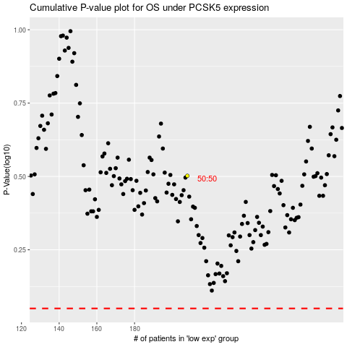

 |  |  |  |  |  | cases_OS | p_OS | rank | exp
 |  |  |  |  |  |  | cases_RFS | p_RFS | rank | exp

