PCSK7 _multivariate
Reported by Tex Li-Hsing Chi. tex@gate.sinica.edu.tw 2019-08-17

Table 2. The clinicopathological features of HNSCC cohort and PCSK7 expression. (Chi square test)
Cutoff at -0.146 (50.0%)
 |  | PCSK7 expression |  | PCSK7 expression |  | (Optimised)
 | Features | Low | (%) | High | (%) | Case no | P-value | Remark | Matthews
Gender | Female | 169 | 40.7 | 137 | 33 | 415 | 4e-04 | 1 | 0
2 | Male | 38 | 9.2 | 71 | 17.1
Age at diagnosis | <=65y | 138 | 33.3 | 136 | 32.8 | 415 | 0.8634 | 0 | 0
4 | >65y | 69 | 16.6 | 72 | 17.3
Clinical T Status | T1+T2 | 72 | 17.3 | 77 | 18.6 | 415 | 0.7095 | 0 | 0
6 | T3+T4 | 135 | 32.5 | 131 | 31.6
Clinical N Status | N0 | 94 | 22.7 | 122 | 29.4 | 415 | 0.0093 | 1 | 0
8 | N1-3 | 113 | 27.2 | 86 | 20.7
Clinical M Status | M0 | 205 | 49.4 | 207 | 49.9 | 415 | 0.6232 | 0 | 0
10 | M1 | 2 | 0.5 | 1 | 0.2
Clinical Stage | Stage I+II | 43 | 10.4 | 59 | 14.2 | 415 | 0.0925 | 0 | 0
12 | Stage III+IV | 164 | 39.5 | 149 | 35.9
Surgical Margin status | Negative | 151 | 36.4 | 167 | 40.2 | 415 | 0.0828 | 0 | 0
14 | Positive | 56 | 13.5 | 41 | 9.9
Tobacco Exposure | Low | 66 | 15.9 | 95 | 22.9 | 415 | 0.0048 | 1 | 0
16 | High | 141 | 34 | 113 | 27.2

Table 3. Univariate/Multivariate Cox's proportional hazards regression analyses on OS time of PCSK7 gene expression in HNSCC

 |  | Univariate |  |  |  | Multivariate
 | Features | HR | CI95%(L) | CI95%(H) | P-value | HR | CI95%(L) | CI95%(H) | P-value
1 | Female | 1 |  |  |  | 1
Gender | Male | 1.157 | 0.843 | 1.587 | 0.367 | 1.215 | 0.865 | 1.706 | 0.262
11 | <=65y | 1 |  |  |  | 1
Age at diagnosis | >65y | 1.329 | 0.99 | 1.784 | 0.058 | 1.389 | 1.022 | 1.889 | 0.036
12 | T1+T2 | 1 |  |  |  | 1
Clinical T Status | T3+T4 | 1.409 | 1.028 | 1.931 | 0.033 | 2.207 | 1.168 | 4.173 | 0.015
13 | N0 | 1 |  |  |  | 1
Clinical N Status | N1-3 | 1.185 | 0.89 | 1.577 | 0.246 | 1.236 | 0.865 | 1.765 | 0.244
14 | M0 | 1 |  |  |  | 1
Clinical M Status | M1 | 4.097 | 1.009 | 16.644 | 0.049 | 9.431 | 2.057 | 43.23 | 0.004
15 | Stage I+II | 1 |  |  |  | 1
Clinical Stage | Stage III+IV | 1.245 | 0.882 | 1.759 | 0.213 | 0.502 | 0.234 | 1.078 | 0.077
16 | Negative | 1 |  |  |  | 1
Surgical Margin status | Positive | 1.591 | 1.155 | 2.191 | 0.004 | 1.661 | 1.2 | 2.3 | 0.002
17 | Low | 1 |  |  |  | 1
Tobacco Exposure | High | 1.364 | 1.008 | 1.844 | 0.044 | 1.444 | 1.046 | 1.993 | 0.026
18 | Low | 1 |  |  |  | 1
RNAseq(z-score) | High | 0.896 | 0.671 | 1.198 | 0.46 | 0.948 | 0.7 | 1.284 | 0.729

Table 4. Univariate/Multivariate Cox's proportional hazards regression analyses on RFS time of PCSK7 gene expression in HNSCC

 |  | Univariate |  |  |  | Multivariate
 | Features | HR | CI95%(L) | CI95%(H) | P-value | HR | CI95%(L) | CI95%(H) | P-value
1 | Female | 1 |  |  |  | 1
Gender | Male | 1.157 | 0.843 | 1.587 | 0.367 | 1.215 | 0.865 | 1.706 | 0.262
11 | <=65y | 1 |  |  |  | 1
Age at diagnosis | >65y | 1.329 | 0.99 | 1.784 | 0.058 | 1.389 | 1.022 | 1.889 | 0.036
12 | T1+T2 | 1 |  |  |  | 1
Clinical T Status | T3+T4 | 1.409 | 1.028 | 1.931 | 0.033 | 2.207 | 1.168 | 4.173 | 0.015
13 | N0 | 1 |  |  |  | 1
Clinical N Status | N1-3 | 1.185 | 0.89 | 1.577 | 0.246 | 1.236 | 0.865 | 1.765 | 0.244
14 | M0 | 1 |  |  |  | 1
Clinical M Status | M1 | 4.097 | 1.009 | 16.644 | 0.049 | 9.431 | 2.057 | 43.23 | 0.004
15 | Stage I+II | 1 |  |  |  | 1
Clinical Stage | Stage III+IV | 1.245 | 0.882 | 1.759 | 0.213 | 0.502 | 0.234 | 1.078 | 0.077
16 | Negative | 1 |  |  |  | 1
Surgical Margin status | Positive | 1.591 | 1.155 | 2.191 | 0.004 | 1.661 | 1.2 | 2.3 | 0.002
17 | Low | 1 |  |  |  | 1
Tobacco Exposure | High | 1.364 | 1.008 | 1.844 | 0.044 | 1.444 | 1.046 | 1.993 | 0.026
18 | Low | 1 |  |  |  | 1
RNAseq(z-score) | High | 0.896 | 0.671 | 1.198 | 0.46 | 0.948 | 0.7 | 1.284 | 0.729

Kaplan-Meier survival estimate: Cutoff at -0.146 (50.0%)



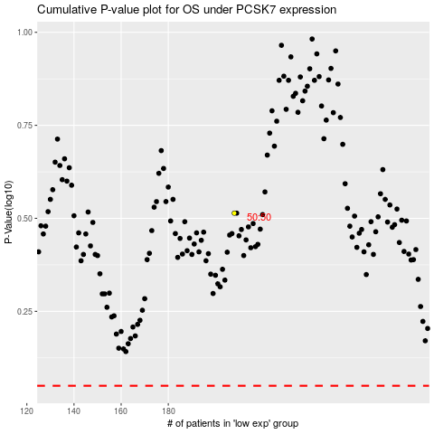

 |  |  |  |  |  | cases_OS | p_OS | rank | exp
 |  |  |  |  |  |  | cases_RFS | p_RFS | rank | exp

