PCSK9 _multivariate
Reported by Tex Li-Hsing Chi. tex@gate.sinica.edu.tw 2019-08-17

Table 2. The clinicopathological features of HNSCC cohort and PCSK9 expression. (Chi square test)
Cutoff at -0.313 (49.8%)
 |  | PCSK9 expression |  | PCSK9 expression |  | (Optimised)
 | Features | Low | (%) | High | (%) | Case no | P-value | Remark | Matthews
Gender | Female | 146 | 35.2 | 160 | 38.6 | 415 | 0.1714 | 0 | 0
2 | Male | 61 | 14.7 | 48 | 11.6
Age at diagnosis | <=65y | 132 | 31.8 | 142 | 34.2 | 415 | 0.3874 | 0 | 0
4 | >65y | 75 | 18.1 | 66 | 15.9
Clinical T Status | T1+T2 | 84 | 20.2 | 65 | 15.7 | 415 | 0.0603 | 0 | 0
6 | T3+T4 | 123 | 29.6 | 143 | 34.5
Clinical N Status | N0 | 109 | 26.3 | 107 | 25.8 | 415 | 0.8812 | 0 | 0
8 | N1-3 | 98 | 23.6 | 101 | 24.3
Clinical M Status | M0 | 204 | 49.2 | 208 | 50.1 | 415 | 0.1232 | 0 | 0
10 | M1 | 3 | 0.7 | 0 | 0
Clinical Stage | Stage I+II | 59 | 14.2 | 43 | 10.4 | 415 | 0.0822 | 0 | 0
12 | Stage III+IV | 148 | 35.7 | 165 | 39.8
Surgical Margin status | Negative | 160 | 38.6 | 158 | 38.1 | 415 | 0.8167 | 0 | 0
14 | Positive | 47 | 11.3 | 50 | 12
Tobacco Exposure | Low | 92 | 22.2 | 69 | 16.6 | 415 | 0.0206 | 1 | 0
16 | High | 115 | 27.7 | 139 | 33.5

Table 3. Univariate/Multivariate Cox's proportional hazards regression analyses on OS time of PCSK9 gene expression in HNSCC

 |  | Univariate |  |  |  | Multivariate
 | Features | HR | CI95%(L) | CI95%(H) | P-value | HR | CI95%(L) | CI95%(H) | P-value
1 | Female | 1 |  |  |  | 1
Gender | Male | 1.157 | 0.843 | 1.587 | 0.367 | 1.205 | 0.862 | 1.684 | 0.274
11 | <=65y | 1 |  |  |  | 1
Age at diagnosis | >65y | 1.329 | 0.99 | 1.784 | 0.058 | 1.391 | 1.024 | 1.892 | 0.035
12 | T1+T2 | 1 |  |  |  | 1
Clinical T Status | T3+T4 | 1.409 | 1.028 | 1.931 | 0.033 | 2.204 | 1.166 | 4.167 | 0.015
13 | N0 | 1 |  |  |  | 1
Clinical N Status | N1-3 | 1.185 | 0.89 | 1.577 | 0.246 | 1.234 | 0.863 | 1.764 | 0.248
14 | M0 | 1 |  |  |  | 1
Clinical M Status | M1 | 4.097 | 1.009 | 16.644 | 0.049 | 9.219 | 1.999 | 42.502 | 0.004
15 | Stage I+II | 1 |  |  |  | 1
Clinical Stage | Stage III+IV | 1.245 | 0.882 | 1.759 | 0.213 | 0.509 | 0.237 | 1.095 | 0.084
16 | Negative | 1 |  |  |  | 1
Surgical Margin status | Positive | 1.591 | 1.155 | 2.191 | 0.004 | 1.671 | 1.209 | 2.309 | 0.002
17 | Low | 1 |  |  |  | 1
Tobacco Exposure | High | 1.364 | 1.008 | 1.844 | 0.044 | 1.467 | 1.058 | 2.035 | 0.022
18 | Low | 1 |  |  |  | 1
RNAseq(z-score) | High | 1.016 | 0.762 | 1.356 | 0.911 | 0.956 | 0.707 | 1.292 | 0.769

Table 4. Univariate/Multivariate Cox's proportional hazards regression analyses on RFS time of PCSK9 gene expression in HNSCC

 |  | Univariate |  |  |  | Multivariate
 | Features | HR | CI95%(L) | CI95%(H) | P-value | HR | CI95%(L) | CI95%(H) | P-value
1 | Female | 1 |  |  |  | 1
Gender | Male | 1.157 | 0.843 | 1.587 | 0.367 | 1.205 | 0.862 | 1.684 | 0.274
11 | <=65y | 1 |  |  |  | 1
Age at diagnosis | >65y | 1.329 | 0.99 | 1.784 | 0.058 | 1.391 | 1.024 | 1.892 | 0.035
12 | T1+T2 | 1 |  |  |  | 1
Clinical T Status | T3+T4 | 1.409 | 1.028 | 1.931 | 0.033 | 2.204 | 1.166 | 4.167 | 0.015
13 | N0 | 1 |  |  |  | 1
Clinical N Status | N1-3 | 1.185 | 0.89 | 1.577 | 0.246 | 1.234 | 0.863 | 1.764 | 0.248
14 | M0 | 1 |  |  |  | 1
Clinical M Status | M1 | 4.097 | 1.009 | 16.644 | 0.049 | 9.219 | 1.999 | 42.502 | 0.004
15 | Stage I+II | 1 |  |  |  | 1
Clinical Stage | Stage III+IV | 1.245 | 0.882 | 1.759 | 0.213 | 0.509 | 0.237 | 1.095 | 0.084
16 | Negative | 1 |  |  |  | 1
Surgical Margin status | Positive | 1.591 | 1.155 | 2.191 | 0.004 | 1.671 | 1.209 | 2.309 | 0.002
17 | Low | 1 |  |  |  | 1
Tobacco Exposure | High | 1.364 | 1.008 | 1.844 | 0.044 | 1.467 | 1.058 | 2.035 | 0.022
18 | Low | 1 |  |  |  | 1
RNAseq(z-score) | High | 1.016 | 0.762 | 1.356 | 0.911 | 0.956 | 0.707 | 1.292 | 0.769

Kaplan-Meier survival estimate: Cutoff at -0.313 (49.8%)



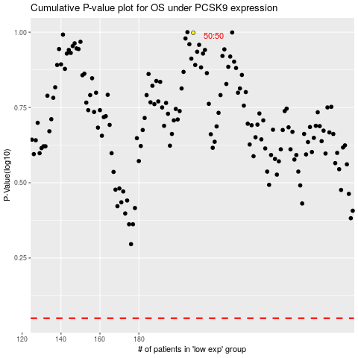

 |  |  |  |  |  | cases_OS | p_OS | rank | exp
 |  |  |  |  |  |  | cases_RFS | p_RFS | rank | exp

