PCYOX1 _multivariate
Reported by Tex Li-Hsing Chi. tex@gate.sinica.edu.tw 2019-08-17

Table 2. The clinicopathological features of HNSCC cohort and PCYOX1 expression. (Chi square test)
Cutoff at -0.251 (49.8%)
 |  | PCYOX1 expression |  | PCYOX1 expression |  | (Optimised)
 | Features | Low | (%) | High | (%) | Case no | P-value | Remark | Matthews
Gender | Female | 157 | 37.8 | 149 | 35.9 | 415 | 0.3881 | 0 | 0
2 | Male | 50 | 12 | 59 | 14.2
Age at diagnosis | <=65y | 140 | 33.7 | 134 | 32.3 | 415 | 0.5574 | 0 | 0
4 | >65y | 67 | 16.1 | 74 | 17.8
Clinical T Status | T1+T2 | 77 | 18.6 | 72 | 17.3 | 415 | 0.6556 | 0 | 0
6 | T3+T4 | 130 | 31.3 | 136 | 32.8
Clinical N Status | N0 | 92 | 22.2 | 124 | 29.9 | 415 | 0.0027 | 1 | 0
8 | N1-3 | 115 | 27.7 | 84 | 20.2
Clinical M Status | M0 | 205 | 49.4 | 207 | 49.9 | 415 | 0.6232 | 0 | 0
10 | M1 | 2 | 0.5 | 1 | 0.2
Clinical Stage | Stage I+II | 43 | 10.4 | 59 | 14.2 | 415 | 0.0925 | 0 | 0
12 | Stage III+IV | 164 | 39.5 | 149 | 35.9
Surgical Margin status | Negative | 156 | 37.6 | 162 | 39 | 415 | 0.5636 | 0 | 0
14 | Positive | 51 | 12.3 | 46 | 11.1
Tobacco Exposure | Low | 83 | 20 | 78 | 18.8 | 415 | 0.6152 | 0 | 0
16 | High | 124 | 29.9 | 130 | 31.3

Table 3. Univariate/Multivariate Cox's proportional hazards regression analyses on OS time of PCYOX1 gene expression in HNSCC

 |  | Univariate |  |  |  | Multivariate
 | Features | HR | CI95%(L) | CI95%(H) | P-value | HR | CI95%(L) | CI95%(H) | P-value
1 | Female | 1 |  |  |  | 1
Gender | Male | 1.157 | 0.843 | 1.587 | 0.367 | 1.19 | 0.852 | 1.664 | 0.308
11 | <=65y | 1 |  |  |  | 1
Age at diagnosis | >65y | 1.329 | 0.99 | 1.784 | 0.058 | 1.397 | 1.028 | 1.899 | 0.033
12 | T1+T2 | 1 |  |  |  | 1
Clinical T Status | T3+T4 | 1.409 | 1.028 | 1.931 | 0.033 | 2.136 | 1.125 | 4.054 | 0.02
13 | N0 | 1 |  |  |  | 1
Clinical N Status | N1-3 | 1.185 | 0.89 | 1.577 | 0.246 | 1.264 | 0.884 | 1.807 | 0.199
14 | M0 | 1 |  |  |  | 1
Clinical M Status | M1 | 4.097 | 1.009 | 16.644 | 0.049 | 9.205 | 2.007 | 42.225 | 0.004
15 | Stage I+II | 1 |  |  |  | 1
Clinical Stage | Stage III+IV | 1.245 | 0.882 | 1.759 | 0.213 | 0.519 | 0.241 | 1.117 | 0.094
16 | Negative | 1 |  |  |  | 1
Surgical Margin status | Positive | 1.591 | 1.155 | 2.191 | 0.004 | 1.69 | 1.222 | 2.338 | 0.002
17 | Low | 1 |  |  |  | 1
Tobacco Exposure | High | 1.364 | 1.008 | 1.844 | 0.044 | 1.431 | 1.037 | 1.976 | 0.029
18 | Low | 1 |  |  |  | 1
RNAseq(z-score) | High | 1.149 | 0.861 | 1.534 | 0.346 | 1.146 | 0.851 | 1.543 | 0.369

Table 4. Univariate/Multivariate Cox's proportional hazards regression analyses on RFS time of PCYOX1 gene expression in HNSCC

 |  | Univariate |  |  |  | Multivariate
 | Features | HR | CI95%(L) | CI95%(H) | P-value | HR | CI95%(L) | CI95%(H) | P-value
1 | Female | 1 |  |  |  | 1
Gender | Male | 1.157 | 0.843 | 1.587 | 0.367 | 1.19 | 0.852 | 1.664 | 0.308
11 | <=65y | 1 |  |  |  | 1
Age at diagnosis | >65y | 1.329 | 0.99 | 1.784 | 0.058 | 1.397 | 1.028 | 1.899 | 0.033
12 | T1+T2 | 1 |  |  |  | 1
Clinical T Status | T3+T4 | 1.409 | 1.028 | 1.931 | 0.033 | 2.136 | 1.125 | 4.054 | 0.02
13 | N0 | 1 |  |  |  | 1
Clinical N Status | N1-3 | 1.185 | 0.89 | 1.577 | 0.246 | 1.264 | 0.884 | 1.807 | 0.199
14 | M0 | 1 |  |  |  | 1
Clinical M Status | M1 | 4.097 | 1.009 | 16.644 | 0.049 | 9.205 | 2.007 | 42.225 | 0.004
15 | Stage I+II | 1 |  |  |  | 1
Clinical Stage | Stage III+IV | 1.245 | 0.882 | 1.759 | 0.213 | 0.519 | 0.241 | 1.117 | 0.094
16 | Negative | 1 |  |  |  | 1
Surgical Margin status | Positive | 1.591 | 1.155 | 2.191 | 0.004 | 1.69 | 1.222 | 2.338 | 0.002
17 | Low | 1 |  |  |  | 1
Tobacco Exposure | High | 1.364 | 1.008 | 1.844 | 0.044 | 1.431 | 1.037 | 1.976 | 0.029
18 | Low | 1 |  |  |  | 1
RNAseq(z-score) | High | 1.149 | 0.861 | 1.534 | 0.346 | 1.146 | 0.851 | 1.543 | 0.369

Kaplan-Meier survival estimate: Cutoff at -0.251 (49.8%)



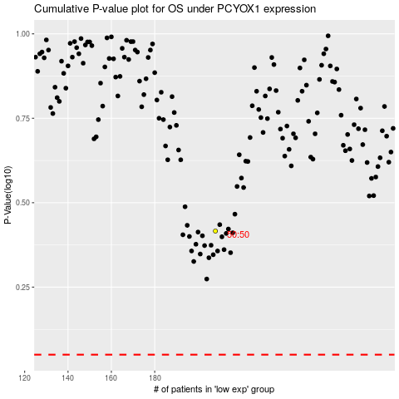

 |  |  |  |  |  | cases_OS | p_OS | rank | exp
 |  |  |  |  |  |  | cases_RFS | p_RFS | rank | exp

