PCYOX1L _multivariate
Reported by Tex Li-Hsing Chi. tex@gate.sinica.edu.tw 2019-08-17

Table 2. The clinicopathological features of HNSCC cohort and PCYOX1L expression. (Chi square test)
Cutoff at -0.3 (49.8%)
 |  | PCYOX1L expression |  | PCYOX1L expression |  | (Optimised)
 | Features | Low | (%) | High | (%) | Case no | P-value | Remark | Matthews
Gender | Female | 151 | 36.4 | 155 | 37.3 | 415 | 0.8007 | 0 | 0
2 | Male | 56 | 13.5 | 53 | 12.8
Age at diagnosis | <=65y | 133 | 32 | 141 | 34 | 415 | 0.5111 | 0 | 0
4 | >65y | 74 | 17.8 | 67 | 16.1
Clinical T Status | T1+T2 | 72 | 17.3 | 77 | 18.6 | 415 | 0.7095 | 0 | 0
6 | T3+T4 | 135 | 32.5 | 131 | 31.6
Clinical N Status | N0 | 111 | 26.7 | 105 | 25.3 | 415 | 0.5875 | 0 | 0
8 | N1-3 | 96 | 23.1 | 103 | 24.8
Clinical M Status | M0 | 206 | 49.6 | 206 | 49.6 | 415 | 1 | 0 | 0
10 | M1 | 1 | 0.2 | 2 | 0.5
Clinical Stage | Stage I+II | 59 | 14.2 | 43 | 10.4 | 415 | 0.0822 | 0 | 0
12 | Stage III+IV | 148 | 35.7 | 165 | 39.8
Surgical Margin status | Negative | 168 | 40.5 | 150 | 36.1 | 415 | 0.0366 | 1 | 0
14 | Positive | 39 | 9.4 | 58 | 14
Tobacco Exposure | Low | 82 | 19.8 | 79 | 19 | 415 | 0.763 | 0 | 0
16 | High | 125 | 30.1 | 129 | 31.1

Table 3. Univariate/Multivariate Cox's proportional hazards regression analyses on OS time of PCYOX1L gene expression in HNSCC

 |  | Univariate |  |  |  | Multivariate
 | Features | HR | CI95%(L) | CI95%(H) | P-value | HR | CI95%(L) | CI95%(H) | P-value
1 | Female | 1 |  |  |  | 1
Gender | Male | 1.157 | 0.843 | 1.587 | 0.367 | 1.199 | 0.858 | 1.676 | 0.288
11 | <=65y | 1 |  |  |  | 1
Age at diagnosis | >65y | 1.329 | 0.99 | 1.784 | 0.058 | 1.394 | 1.026 | 1.895 | 0.034
12 | T1+T2 | 1 |  |  |  | 1
Clinical T Status | T3+T4 | 1.409 | 1.028 | 1.931 | 0.033 | 2.175 | 1.148 | 4.123 | 0.017
13 | N0 | 1 |  |  |  | 1
Clinical N Status | N1-3 | 1.185 | 0.89 | 1.577 | 0.246 | 1.236 | 0.866 | 1.765 | 0.243
14 | M0 | 1 |  |  |  | 1
Clinical M Status | M1 | 4.097 | 1.009 | 16.644 | 0.049 | 9.362 | 2.042 | 42.924 | 0.004
15 | Stage I+II | 1 |  |  |  | 1
Clinical Stage | Stage III+IV | 1.245 | 0.882 | 1.759 | 0.213 | 0.512 | 0.238 | 1.104 | 0.088
16 | Negative | 1 |  |  |  | 1
Surgical Margin status | Positive | 1.591 | 1.155 | 2.191 | 0.004 | 1.688 | 1.218 | 2.34 | 0.002
17 | Low | 1 |  |  |  | 1
Tobacco Exposure | High | 1.364 | 1.008 | 1.844 | 0.044 | 1.452 | 1.054 | 2.001 | 0.023
18 | Low | 1 |  |  |  | 1
RNAseq(z-score) | High | 0.935 | 0.701 | 1.247 | 0.649 | 0.935 | 0.697 | 1.255 | 0.655

Table 4. Univariate/Multivariate Cox's proportional hazards regression analyses on RFS time of PCYOX1L gene expression in HNSCC

 |  | Univariate |  |  |  | Multivariate
 | Features | HR | CI95%(L) | CI95%(H) | P-value | HR | CI95%(L) | CI95%(H) | P-value
1 | Female | 1 |  |  |  | 1
Gender | Male | 1.157 | 0.843 | 1.587 | 0.367 | 1.199 | 0.858 | 1.676 | 0.288
11 | <=65y | 1 |  |  |  | 1
Age at diagnosis | >65y | 1.329 | 0.99 | 1.784 | 0.058 | 1.394 | 1.026 | 1.895 | 0.034
12 | T1+T2 | 1 |  |  |  | 1
Clinical T Status | T3+T4 | 1.409 | 1.028 | 1.931 | 0.033 | 2.175 | 1.148 | 4.123 | 0.017
13 | N0 | 1 |  |  |  | 1
Clinical N Status | N1-3 | 1.185 | 0.89 | 1.577 | 0.246 | 1.236 | 0.866 | 1.765 | 0.243
14 | M0 | 1 |  |  |  | 1
Clinical M Status | M1 | 4.097 | 1.009 | 16.644 | 0.049 | 9.362 | 2.042 | 42.924 | 0.004
15 | Stage I+II | 1 |  |  |  | 1
Clinical Stage | Stage III+IV | 1.245 | 0.882 | 1.759 | 0.213 | 0.512 | 0.238 | 1.104 | 0.088
16 | Negative | 1 |  |  |  | 1
Surgical Margin status | Positive | 1.591 | 1.155 | 2.191 | 0.004 | 1.688 | 1.218 | 2.34 | 0.002
17 | Low | 1 |  |  |  | 1
Tobacco Exposure | High | 1.364 | 1.008 | 1.844 | 0.044 | 1.452 | 1.054 | 2.001 | 0.023
18 | Low | 1 |  |  |  | 1
RNAseq(z-score) | High | 0.935 | 0.701 | 1.247 | 0.649 | 0.935 | 0.697 | 1.255 | 0.655

Kaplan-Meier survival estimate: Cutoff at -0.3 (49.8%)



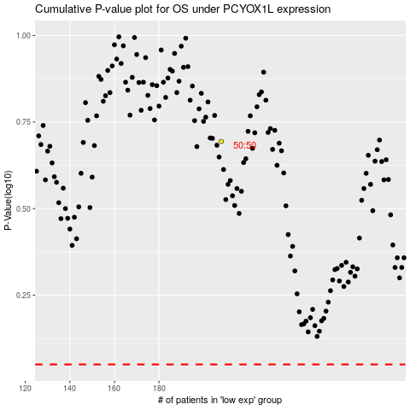

 |  |  |  |  |  | cases_OS | p_OS | rank | exp
 |  |  |  |  |  |  | cases_RFS | p_RFS | rank | exp

