PCYT1B _multivariate
Reported by Tex Li-Hsing Chi. tex@gate.sinica.edu.tw 2019-08-17

Table 2. The clinicopathological features of HNSCC cohort and PCYT1B expression. (Chi square test)
Cutoff at -0.399 (49.8%)
 |  | PCYT1B expression |  | PCYT1B expression |  | (Optimised)
 | Features | Low | (%) | High | (%) | Case no | P-value | Remark | Matthews
Gender | Female | 146 | 35.2 | 160 | 38.6 | 415 | 0.1714 | 0 | 0
2 | Male | 61 | 14.7 | 48 | 11.6
Age at diagnosis | <=65y | 132 | 31.8 | 142 | 34.2 | 415 | 0.3874 | 0 | 0
4 | >65y | 75 | 18.1 | 66 | 15.9
Clinical T Status | T1+T2 | 77 | 18.6 | 72 | 17.3 | 415 | 0.6556 | 0 | 0
6 | T3+T4 | 130 | 31.3 | 136 | 32.8
Clinical N Status | N0 | 99 | 23.9 | 117 | 28.2 | 415 | 0.1054 | 0 | 0
8 | N1-3 | 108 | 26 | 91 | 21.9
Clinical M Status | M0 | 205 | 49.4 | 207 | 49.9 | 415 | 0.6232 | 0 | 0
10 | M1 | 2 | 0.5 | 1 | 0.2
Clinical Stage | Stage I+II | 49 | 11.8 | 53 | 12.8 | 415 | 0.7535 | 0 | 0
12 | Stage III+IV | 158 | 38.1 | 155 | 37.3
Surgical Margin status | Negative | 153 | 36.9 | 165 | 39.8 | 415 | 0.2036 | 0 | 0
14 | Positive | 54 | 13 | 43 | 10.4
Tobacco Exposure | Low | 99 | 23.9 | 62 | 14.9 | 415 | 2e-04 | 1 | 0
16 | High | 108 | 26 | 146 | 35.2

Table 3. Univariate/Multivariate Cox's proportional hazards regression analyses on OS time of PCYT1B gene expression in HNSCC

 |  | Univariate |  |  |  | Multivariate
 | Features | HR | CI95%(L) | CI95%(H) | P-value | HR | CI95%(L) | CI95%(H) | P-value
1 | Female | 1 |  |  |  | 1
Gender | Male | 1.157 | 0.843 | 1.587 | 0.367 | 1.202 | 0.86 | 1.679 | 0.281
11 | <=65y | 1 |  |  |  | 1
Age at diagnosis | >65y | 1.329 | 0.99 | 1.784 | 0.058 | 1.392 | 1.024 | 1.892 | 0.035
12 | T1+T2 | 1 |  |  |  | 1
Clinical T Status | T3+T4 | 1.409 | 1.028 | 1.931 | 0.033 | 2.202 | 1.164 | 4.164 | 0.015
13 | N0 | 1 |  |  |  | 1
Clinical N Status | N1-3 | 1.185 | 0.89 | 1.577 | 0.246 | 1.241 | 0.868 | 1.776 | 0.237
14 | M0 | 1 |  |  |  | 1
Clinical M Status | M1 | 4.097 | 1.009 | 16.644 | 0.049 | 9.412 | 2.051 | 43.191 | 0.004
15 | Stage I+II | 1 |  |  |  | 1
Clinical Stage | Stage III+IV | 1.245 | 0.882 | 1.759 | 0.213 | 0.505 | 0.235 | 1.083 | 0.079
16 | Negative | 1 |  |  |  | 1
Surgical Margin status | Positive | 1.591 | 1.155 | 2.191 | 0.004 | 1.672 | 1.21 | 2.31 | 0.002
17 | Low | 1 |  |  |  | 1
Tobacco Exposure | High | 1.364 | 1.008 | 1.844 | 0.044 | 1.452 | 1.043 | 2.021 | 0.027
18 | Low | 1 |  |  |  | 1
RNAseq(z-score) | High | 1.034 | 0.776 | 1.379 | 0.818 | 1.003 | 0.743 | 1.355 | 0.983

Table 4. Univariate/Multivariate Cox's proportional hazards regression analyses on RFS time of PCYT1B gene expression in HNSCC

 |  | Univariate |  |  |  | Multivariate
 | Features | HR | CI95%(L) | CI95%(H) | P-value | HR | CI95%(L) | CI95%(H) | P-value
1 | Female | 1 |  |  |  | 1
Gender | Male | 1.157 | 0.843 | 1.587 | 0.367 | 1.202 | 0.86 | 1.679 | 0.281
11 | <=65y | 1 |  |  |  | 1
Age at diagnosis | >65y | 1.329 | 0.99 | 1.784 | 0.058 | 1.392 | 1.024 | 1.892 | 0.035
12 | T1+T2 | 1 |  |  |  | 1
Clinical T Status | T3+T4 | 1.409 | 1.028 | 1.931 | 0.033 | 2.202 | 1.164 | 4.164 | 0.015
13 | N0 | 1 |  |  |  | 1
Clinical N Status | N1-3 | 1.185 | 0.89 | 1.577 | 0.246 | 1.241 | 0.868 | 1.776 | 0.237
14 | M0 | 1 |  |  |  | 1
Clinical M Status | M1 | 4.097 | 1.009 | 16.644 | 0.049 | 9.412 | 2.051 | 43.191 | 0.004
15 | Stage I+II | 1 |  |  |  | 1
Clinical Stage | Stage III+IV | 1.245 | 0.882 | 1.759 | 0.213 | 0.505 | 0.235 | 1.083 | 0.079
16 | Negative | 1 |  |  |  | 1
Surgical Margin status | Positive | 1.591 | 1.155 | 2.191 | 0.004 | 1.672 | 1.21 | 2.31 | 0.002
17 | Low | 1 |  |  |  | 1
Tobacco Exposure | High | 1.364 | 1.008 | 1.844 | 0.044 | 1.452 | 1.043 | 2.021 | 0.027
18 | Low | 1 |  |  |  | 1
RNAseq(z-score) | High | 1.034 | 0.776 | 1.379 | 0.818 | 1.003 | 0.743 | 1.355 | 0.983

Kaplan-Meier survival estimate: Cutoff at -0.399 (49.8%)



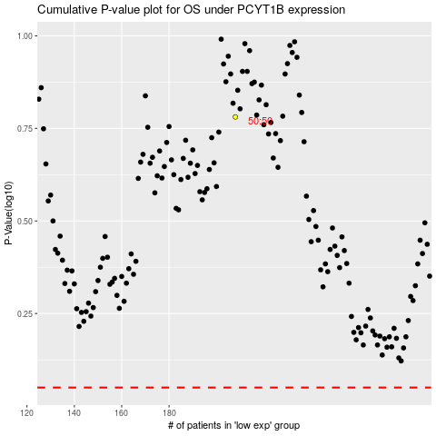

 |  |  |  |  |  | cases_OS | p_OS | rank | exp
 |  |  |  |  |  |  | cases_RFS | p_RFS | rank | exp

