PCYT2 _multivariate
Reported by Tex Li-Hsing Chi. tex@gate.sinica.edu.tw 2019-08-17

Table 2. The clinicopathological features of HNSCC cohort and PCYT2 expression. (Chi square test)
Cutoff at -0.25 (49.8%)
 |  | PCYT2 expression |  | PCYT2 expression |  | (Optimised)
 | Features | Low | (%) | High | (%) | Case no | P-value | Remark | Matthews
Gender | Female | 143 | 34.5 | 163 | 39.3 | 415 | 0.0416 | 1 | 0
2 | Male | 64 | 15.4 | 45 | 10.8
Age at diagnosis | <=65y | 126 | 30.4 | 148 | 35.7 | 415 | 0.035 | 1 | 0
4 | >65y | 81 | 19.5 | 60 | 14.5
Clinical T Status | T1+T2 | 74 | 17.8 | 75 | 18.1 | 415 | 1 | 0 | 0
6 | T3+T4 | 133 | 32 | 133 | 32
Clinical N Status | N0 | 109 | 26.3 | 107 | 25.8 | 415 | 0.8812 | 0 | 0
8 | N1-3 | 98 | 23.6 | 101 | 24.3
Clinical M Status | M0 | 206 | 49.6 | 206 | 49.6 | 415 | 1 | 0 | 0
10 | M1 | 1 | 0.2 | 2 | 0.5
Clinical Stage | Stage I+II | 52 | 12.5 | 50 | 12 | 415 | 0.8871 | 0 | 0
12 | Stage III+IV | 155 | 37.3 | 158 | 38.1
Surgical Margin status | Negative | 159 | 38.3 | 159 | 38.3 | 415 | 1 | 0 | 0
14 | Positive | 48 | 11.6 | 49 | 11.8
Tobacco Exposure | Low | 88 | 21.2 | 73 | 17.6 | 415 | 0.1314 | 0 | 0
16 | High | 119 | 28.7 | 135 | 32.5

Table 3. Univariate/Multivariate Cox's proportional hazards regression analyses on OS time of PCYT2 gene expression in HNSCC

 |  | Univariate |  |  |  | Multivariate
 | Features | HR | CI95%(L) | CI95%(H) | P-value | HR | CI95%(L) | CI95%(H) | P-value
1 | Female | 1 |  |  |  | 1
Gender | Male | 1.157 | 0.843 | 1.587 | 0.367 | 1.18 | 0.844 | 1.649 | 0.334
11 | <=65y | 1 |  |  |  | 1
Age at diagnosis | >65y | 1.329 | 0.99 | 1.784 | 0.058 | 1.392 | 1.023 | 1.893 | 0.035
12 | T1+T2 | 1 |  |  |  | 1
Clinical T Status | T3+T4 | 1.409 | 1.028 | 1.931 | 0.033 | 2.252 | 1.191 | 4.26 | 0.013
13 | N0 | 1 |  |  |  | 1
Clinical N Status | N1-3 | 1.185 | 0.89 | 1.577 | 0.246 | 1.255 | 0.879 | 1.791 | 0.212
14 | M0 | 1 |  |  |  | 1
Clinical M Status | M1 | 4.097 | 1.009 | 16.644 | 0.049 | 10.118 | 2.199 | 46.556 | 0.003
15 | Stage I+II | 1 |  |  |  | 1
Clinical Stage | Stage III+IV | 1.245 | 0.882 | 1.759 | 0.213 | 0.493 | 0.23 | 1.06 | 0.07
16 | Negative | 1 |  |  |  | 1
Surgical Margin status | Positive | 1.591 | 1.155 | 2.191 | 0.004 | 1.671 | 1.21 | 2.307 | 0.002
17 | Low | 1 |  |  |  | 1
Tobacco Exposure | High | 1.364 | 1.008 | 1.844 | 0.044 | 1.475 | 1.07 | 2.034 | 0.018
18 | Low | 1 |  |  |  | 1
RNAseq(z-score) | High | 0.839 | 0.629 | 1.118 | 0.231 | 0.815 | 0.609 | 1.089 | 0.166

Table 4. Univariate/Multivariate Cox's proportional hazards regression analyses on RFS time of PCYT2 gene expression in HNSCC

 |  | Univariate |  |  |  | Multivariate
 | Features | HR | CI95%(L) | CI95%(H) | P-value | HR | CI95%(L) | CI95%(H) | P-value
1 | Female | 1 |  |  |  | 1
Gender | Male | 1.157 | 0.843 | 1.587 | 0.367 | 1.18 | 0.844 | 1.649 | 0.334
11 | <=65y | 1 |  |  |  | 1
Age at diagnosis | >65y | 1.329 | 0.99 | 1.784 | 0.058 | 1.392 | 1.023 | 1.893 | 0.035
12 | T1+T2 | 1 |  |  |  | 1
Clinical T Status | T3+T4 | 1.409 | 1.028 | 1.931 | 0.033 | 2.252 | 1.191 | 4.26 | 0.013
13 | N0 | 1 |  |  |  | 1
Clinical N Status | N1-3 | 1.185 | 0.89 | 1.577 | 0.246 | 1.255 | 0.879 | 1.791 | 0.212
14 | M0 | 1 |  |  |  | 1
Clinical M Status | M1 | 4.097 | 1.009 | 16.644 | 0.049 | 10.118 | 2.199 | 46.556 | 0.003
15 | Stage I+II | 1 |  |  |  | 1
Clinical Stage | Stage III+IV | 1.245 | 0.882 | 1.759 | 0.213 | 0.493 | 0.23 | 1.06 | 0.07
16 | Negative | 1 |  |  |  | 1
Surgical Margin status | Positive | 1.591 | 1.155 | 2.191 | 0.004 | 1.671 | 1.21 | 2.307 | 0.002
17 | Low | 1 |  |  |  | 1
Tobacco Exposure | High | 1.364 | 1.008 | 1.844 | 0.044 | 1.475 | 1.07 | 2.034 | 0.018
18 | Low | 1 |  |  |  | 1
RNAseq(z-score) | High | 0.839 | 0.629 | 1.118 | 0.231 | 0.815 | 0.609 | 1.089 | 0.166

Kaplan-Meier survival estimate: Cutoff at -0.25 (49.8%)



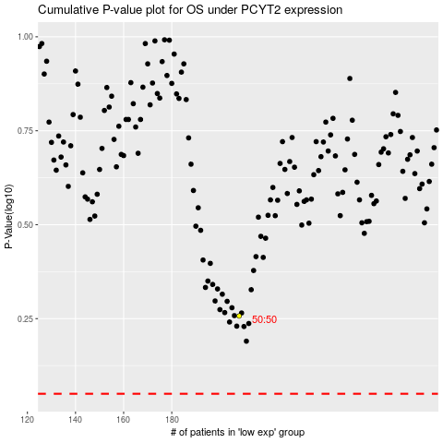

 |  |  |  |  |  | cases_OS | p_OS | rank | exp
 |  |  |  |  |  |  | cases_RFS | p_RFS | rank | exp

