PDCD1 _multivariate
Reported by Tex Li-Hsing Chi. tex@gate.sinica.edu.tw 2019-08-17

Table 2. The clinicopathological features of HNSCC cohort and PDCD1 expression. (Chi square test)
Cutoff at -0.385 (49.8%)
 |  | PDCD1 expression |  | PDCD1 expression |  | (Optimised)
 | Features | Low | (%) | High | (%) | Case no | P-value | Remark | Matthews
Gender | Female | 157 | 37.8 | 149 | 35.9 | 415 | 0.3881 | 0 | 0
2 | Male | 50 | 12 | 59 | 14.2
Age at diagnosis | <=65y | 142 | 34.2 | 132 | 31.8 | 415 | 0.3167 | 0 | 0
4 | >65y | 65 | 15.7 | 76 | 18.3
Clinical T Status | T1+T2 | 62 | 14.9 | 87 | 21 | 415 | 0.0156 | 1 | 0
6 | T3+T4 | 145 | 34.9 | 121 | 29.2
Clinical N Status | N0 | 116 | 28 | 100 | 24.1 | 415 | 0.1273 | 1 | 0
8 | N1-3 | 91 | 21.9 | 108 | 26
Clinical M Status | M0 | 207 | 49.9 | 205 | 49.4 | 415 | 0.2482 | 0 | 0
10 | M1 | 0 | 0 | 3 | 0.7
Clinical Stage | Stage I+II | 49 | 11.8 | 53 | 12.8 | 415 | 0.7535 | 0 | 0
12 | Stage III+IV | 158 | 38.1 | 155 | 37.3
Surgical Margin status | Negative | 160 | 38.6 | 158 | 38.1 | 415 | 0.8167 | 0 | 0
14 | Positive | 47 | 11.3 | 50 | 12
Tobacco Exposure | Low | 72 | 17.3 | 89 | 21.4 | 415 | 0.1071 | 0 | 0
16 | High | 135 | 32.5 | 119 | 28.7

Table 3. Univariate/Multivariate Cox's proportional hazards regression analyses on OS time of PDCD1 gene expression in HNSCC

 |  | Univariate |  |  |  | Multivariate
 | Features | HR | CI95%(L) | CI95%(H) | P-value | HR | CI95%(L) | CI95%(H) | P-value
1 | Female | 1 |  |  |  | 1
Gender | Male | 1.157 | 0.843 | 1.587 | 0.367 | 1.199 | 0.858 | 1.674 | 0.288
11 | <=65y | 1 |  |  |  | 1
Age at diagnosis | >65y | 1.329 | 0.99 | 1.784 | 0.058 | 1.4 | 1.031 | 1.902 | 0.031
12 | T1+T2 | 1 |  |  |  | 1
Clinical T Status | T3+T4 | 1.409 | 1.028 | 1.931 | 0.033 | 2.147 | 1.135 | 4.061 | 0.019
13 | N0 | 1 |  |  |  | 1
Clinical N Status | N1-3 | 1.185 | 0.89 | 1.577 | 0.246 | 1.268 | 0.888 | 1.811 | 0.192
14 | M0 | 1 |  |  |  | 1
Clinical M Status | M1 | 4.097 | 1.009 | 16.644 | 0.049 | 10.26 | 2.226 | 47.28 | 0.003
15 | Stage I+II | 1 |  |  |  | 1
Clinical Stage | Stage III+IV | 1.245 | 0.882 | 1.759 | 0.213 | 0.503 | 0.234 | 1.079 | 0.077
16 | Negative | 1 |  |  |  | 1
Surgical Margin status | Positive | 1.591 | 1.155 | 2.191 | 0.004 | 1.694 | 1.225 | 2.343 | 0.001
17 | Low | 1 |  |  |  | 1
Tobacco Exposure | High | 1.364 | 1.008 | 1.844 | 0.044 | 1.411 | 1.021 | 1.948 | 0.037
18 | Low | 1 |  |  |  | 1
RNAseq(z-score) | High | 0.801 | 0.601 | 1.067 | 0.13 | 0.805 | 0.6 | 1.082 | 0.15

Table 4. Univariate/Multivariate Cox's proportional hazards regression analyses on RFS time of PDCD1 gene expression in HNSCC

 |  | Univariate |  |  |  | Multivariate
 | Features | HR | CI95%(L) | CI95%(H) | P-value | HR | CI95%(L) | CI95%(H) | P-value
1 | Female | 1 |  |  |  | 1
Gender | Male | 1.157 | 0.843 | 1.587 | 0.367 | 1.199 | 0.858 | 1.674 | 0.288
11 | <=65y | 1 |  |  |  | 1
Age at diagnosis | >65y | 1.329 | 0.99 | 1.784 | 0.058 | 1.4 | 1.031 | 1.902 | 0.031
12 | T1+T2 | 1 |  |  |  | 1
Clinical T Status | T3+T4 | 1.409 | 1.028 | 1.931 | 0.033 | 2.147 | 1.135 | 4.061 | 0.019
13 | N0 | 1 |  |  |  | 1
Clinical N Status | N1-3 | 1.185 | 0.89 | 1.577 | 0.246 | 1.268 | 0.888 | 1.811 | 0.192
14 | M0 | 1 |  |  |  | 1
Clinical M Status | M1 | 4.097 | 1.009 | 16.644 | 0.049 | 10.26 | 2.226 | 47.28 | 0.003
15 | Stage I+II | 1 |  |  |  | 1
Clinical Stage | Stage III+IV | 1.245 | 0.882 | 1.759 | 0.213 | 0.503 | 0.234 | 1.079 | 0.077
16 | Negative | 1 |  |  |  | 1
Surgical Margin status | Positive | 1.591 | 1.155 | 2.191 | 0.004 | 1.694 | 1.225 | 2.343 | 0.001
17 | Low | 1 |  |  |  | 1
Tobacco Exposure | High | 1.364 | 1.008 | 1.844 | 0.044 | 1.411 | 1.021 | 1.948 | 0.037
18 | Low | 1 |  |  |  | 1
RNAseq(z-score) | High | 0.801 | 0.601 | 1.067 | 0.13 | 0.805 | 0.6 | 1.082 | 0.15

Kaplan-Meier survival estimate: Cutoff at -0.385 (49.8%)



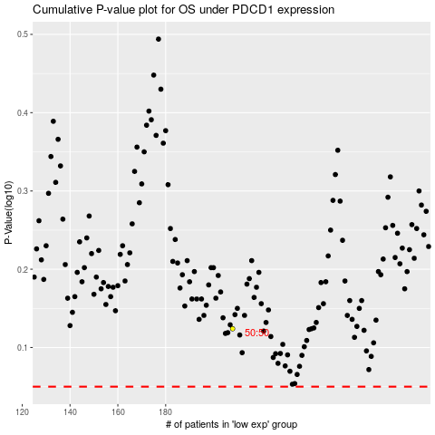

 |  |  |  |  |  | cases_OS | p_OS | rank | exp
 |  |  |  |  |  |  | cases_RFS | p_RFS | rank | exp

