PDCD11 _multivariate
Reported by Tex Li-Hsing Chi. tex@gate.sinica.edu.tw 2019-08-17

Table 2. The clinicopathological features of HNSCC cohort and PDCD11 expression. (Chi square test)
Cutoff at -0.044 (50.0%)
 |  | PDCD11 expression |  | PDCD11 expression |  | (Optimised)
 | Features | Low | (%) | High | (%) | Case no | P-value | Remark | Matthews
Gender | Female | 151 | 36.4 | 155 | 37.3 | 415 | 0.8007 | 0 | 0
2 | Male | 56 | 13.5 | 53 | 12.8
Age at diagnosis | <=65y | 140 | 33.7 | 134 | 32.3 | 415 | 0.5574 | 0 | 0
4 | >65y | 67 | 16.1 | 74 | 17.8
Clinical T Status | T1+T2 | 84 | 20.2 | 65 | 15.7 | 415 | 0.0603 | 0 | 0
6 | T3+T4 | 123 | 29.6 | 143 | 34.5
Clinical N Status | N0 | 108 | 26 | 108 | 26 | 415 | 1 | 0 | 0
8 | N1-3 | 99 | 23.9 | 100 | 24.1
Clinical M Status | M0 | 205 | 49.4 | 207 | 49.9 | 415 | 0.6232 | 0 | 0
10 | M1 | 2 | 0.5 | 1 | 0.2
Clinical Stage | Stage I+II | 53 | 12.8 | 49 | 11.8 | 415 | 0.7113 | 0 | 0
12 | Stage III+IV | 154 | 37.1 | 159 | 38.3
Surgical Margin status | Negative | 157 | 37.8 | 161 | 38.8 | 415 | 0.729 | 0 | 0
14 | Positive | 50 | 12 | 47 | 11.3
Tobacco Exposure | Low | 86 | 20.7 | 75 | 18.1 | 415 | 0.2687 | 0 | 0
16 | High | 121 | 29.2 | 133 | 32

Table 3. Univariate/Multivariate Cox's proportional hazards regression analyses on OS time of PDCD11 gene expression in HNSCC

 |  | Univariate |  |  |  | Multivariate
 | Features | HR | CI95%(L) | CI95%(H) | P-value | HR | CI95%(L) | CI95%(H) | P-value
1 | Female | 1 |  |  |  | 1
Gender | Male | 1.157 | 0.843 | 1.587 | 0.367 | 1.205 | 0.862 | 1.685 | 0.274
11 | <=65y | 1 |  |  |  | 1
Age at diagnosis | >65y | 1.329 | 0.99 | 1.784 | 0.058 | 1.384 | 1.017 | 1.882 | 0.038
12 | T1+T2 | 1 |  |  |  | 1
Clinical T Status | T3+T4 | 1.409 | 1.028 | 1.931 | 0.033 | 2.147 | 1.132 | 4.072 | 0.019
13 | N0 | 1 |  |  |  | 1
Clinical N Status | N1-3 | 1.185 | 0.89 | 1.577 | 0.246 | 1.231 | 0.862 | 1.757 | 0.254
14 | M0 | 1 |  |  |  | 1
Clinical M Status | M1 | 4.097 | 1.009 | 16.644 | 0.049 | 9.574 | 2.088 | 43.912 | 0.004
15 | Stage I+II | 1 |  |  |  | 1
Clinical Stage | Stage III+IV | 1.245 | 0.882 | 1.759 | 0.213 | 0.514 | 0.239 | 1.106 | 0.089
16 | Negative | 1 |  |  |  | 1
Surgical Margin status | Positive | 1.591 | 1.155 | 2.191 | 0.004 | 1.679 | 1.215 | 2.32 | 0.002
17 | Low | 1 |  |  |  | 1
Tobacco Exposure | High | 1.364 | 1.008 | 1.844 | 0.044 | 1.451 | 1.053 | 2 | 0.023
18 | Low | 1 |  |  |  | 1
RNAseq(z-score) | High | 1.178 | 0.884 | 1.569 | 0.265 | 1.123 | 0.84 | 1.502 | 0.435

Table 4. Univariate/Multivariate Cox's proportional hazards regression analyses on RFS time of PDCD11 gene expression in HNSCC

 |  | Univariate |  |  |  | Multivariate
 | Features | HR | CI95%(L) | CI95%(H) | P-value | HR | CI95%(L) | CI95%(H) | P-value
1 | Female | 1 |  |  |  | 1
Gender | Male | 1.157 | 0.843 | 1.587 | 0.367 | 1.205 | 0.862 | 1.685 | 0.274
11 | <=65y | 1 |  |  |  | 1
Age at diagnosis | >65y | 1.329 | 0.99 | 1.784 | 0.058 | 1.384 | 1.017 | 1.882 | 0.038
12 | T1+T2 | 1 |  |  |  | 1
Clinical T Status | T3+T4 | 1.409 | 1.028 | 1.931 | 0.033 | 2.147 | 1.132 | 4.072 | 0.019
13 | N0 | 1 |  |  |  | 1
Clinical N Status | N1-3 | 1.185 | 0.89 | 1.577 | 0.246 | 1.231 | 0.862 | 1.757 | 0.254
14 | M0 | 1 |  |  |  | 1
Clinical M Status | M1 | 4.097 | 1.009 | 16.644 | 0.049 | 9.574 | 2.088 | 43.912 | 0.004
15 | Stage I+II | 1 |  |  |  | 1
Clinical Stage | Stage III+IV | 1.245 | 0.882 | 1.759 | 0.213 | 0.514 | 0.239 | 1.106 | 0.089
16 | Negative | 1 |  |  |  | 1
Surgical Margin status | Positive | 1.591 | 1.155 | 2.191 | 0.004 | 1.679 | 1.215 | 2.32 | 0.002
17 | Low | 1 |  |  |  | 1
Tobacco Exposure | High | 1.364 | 1.008 | 1.844 | 0.044 | 1.451 | 1.053 | 2 | 0.023
18 | Low | 1 |  |  |  | 1
RNAseq(z-score) | High | 1.178 | 0.884 | 1.569 | 0.265 | 1.123 | 0.84 | 1.502 | 0.435

Kaplan-Meier survival estimate: Cutoff at -0.044 (50.0%)



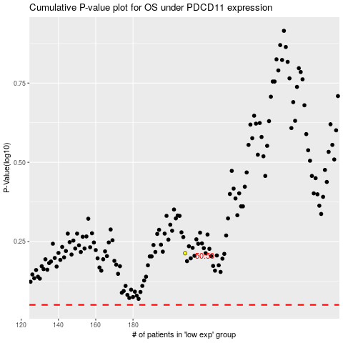

 |  |  |  |  |  | cases_OS | p_OS | rank | exp
 |  |  |  |  |  |  | cases_RFS | p_RFS | rank | exp

