PDCD1LG2 _multivariate
Reported by Tex Li-Hsing Chi. tex@gate.sinica.edu.tw 2019-08-17

Table 2. The clinicopathological features of HNSCC cohort and PDCD1LG2 expression. (Chi square test)
Cutoff at -0.17 (50.0%)
 |  | PDCD1LG2 expression |  | PDCD1LG2 expression |  | (Optimised)
 | Features | Low | (%) | High | (%) | Case no | P-value | Remark | Matthews
Gender | Female | 168 | 40.5 | 138 | 33.3 | 415 | 9e-04 | 1 | 0
2 | Male | 39 | 9.4 | 70 | 16.9
Age at diagnosis | <=65y | 146 | 35.2 | 128 | 30.8 | 415 | 0.0672 | 0 | 0
4 | >65y | 61 | 14.7 | 80 | 19.3
Clinical T Status | T1+T2 | 67 | 16.1 | 82 | 19.8 | 415 | 0.1628 | 0 | 0
6 | T3+T4 | 140 | 33.7 | 126 | 30.4
Clinical N Status | N0 | 109 | 26.3 | 107 | 25.8 | 415 | 0.8812 | 0 | 0
8 | N1-3 | 98 | 23.6 | 101 | 24.3
Clinical M Status | M0 | 206 | 49.6 | 206 | 49.6 | 415 | 1 | 0 | 0
10 | M1 | 1 | 0.2 | 2 | 0.5
Clinical Stage | Stage I+II | 43 | 10.4 | 59 | 14.2 | 415 | 0.0925 | 0 | 0
12 | Stage III+IV | 164 | 39.5 | 149 | 35.9
Surgical Margin status | Negative | 163 | 39.3 | 155 | 37.3 | 415 | 0.3537 | 0 | 0
14 | Positive | 44 | 10.6 | 53 | 12.8
Tobacco Exposure | Low | 62 | 14.9 | 99 | 23.9 | 415 | 3e-04 | 1 | 0
16 | High | 145 | 34.9 | 109 | 26.3

Table 3. Univariate/Multivariate Cox's proportional hazards regression analyses on OS time of PDCD1LG2 gene expression in HNSCC

 |  | Univariate |  |  |  | Multivariate
 | Features | HR | CI95%(L) | CI95%(H) | P-value | HR | CI95%(L) | CI95%(H) | P-value
1 | Female | 1 |  |  |  | 1
Gender | Male | 1.157 | 0.843 | 1.587 | 0.367 | 1.203 | 0.861 | 1.683 | 0.279
11 | <=65y | 1 |  |  |  | 1
Age at diagnosis | >65y | 1.329 | 0.99 | 1.784 | 0.058 | 1.394 | 1.025 | 1.897 | 0.035
12 | T1+T2 | 1 |  |  |  | 1
Clinical T Status | T3+T4 | 1.409 | 1.028 | 1.931 | 0.033 | 2.208 | 1.166 | 4.18 | 0.015
13 | N0 | 1 |  |  |  | 1
Clinical N Status | N1-3 | 1.185 | 0.89 | 1.577 | 0.246 | 1.242 | 0.87 | 1.773 | 0.232
14 | M0 | 1 |  |  |  | 1
Clinical M Status | M1 | 4.097 | 1.009 | 16.644 | 0.049 | 9.492 | 2.058 | 43.77 | 0.004
15 | Stage I+II | 1 |  |  |  | 1
Clinical Stage | Stage III+IV | 1.245 | 0.882 | 1.759 | 0.213 | 0.502 | 0.233 | 1.082 | 0.078
16 | Negative | 1 |  |  |  | 1
Surgical Margin status | Positive | 1.591 | 1.155 | 2.191 | 0.004 | 1.673 | 1.211 | 2.313 | 0.002
17 | Low | 1 |  |  |  | 1
Tobacco Exposure | High | 1.364 | 1.008 | 1.844 | 0.044 | 1.449 | 1.048 | 2.002 | 0.025
18 | Low | 1 |  |  |  | 1
RNAseq(z-score) | High | 1.01 | 0.756 | 1.35 | 0.944 | 0.98 | 0.726 | 1.324 | 0.896

Table 4. Univariate/Multivariate Cox's proportional hazards regression analyses on RFS time of PDCD1LG2 gene expression in HNSCC

 |  | Univariate |  |  |  | Multivariate
 | Features | HR | CI95%(L) | CI95%(H) | P-value | HR | CI95%(L) | CI95%(H) | P-value
1 | Female | 1 |  |  |  | 1
Gender | Male | 1.157 | 0.843 | 1.587 | 0.367 | 1.203 | 0.861 | 1.683 | 0.279
11 | <=65y | 1 |  |  |  | 1
Age at diagnosis | >65y | 1.329 | 0.99 | 1.784 | 0.058 | 1.394 | 1.025 | 1.897 | 0.035
12 | T1+T2 | 1 |  |  |  | 1
Clinical T Status | T3+T4 | 1.409 | 1.028 | 1.931 | 0.033 | 2.208 | 1.166 | 4.18 | 0.015
13 | N0 | 1 |  |  |  | 1
Clinical N Status | N1-3 | 1.185 | 0.89 | 1.577 | 0.246 | 1.242 | 0.87 | 1.773 | 0.232
14 | M0 | 1 |  |  |  | 1
Clinical M Status | M1 | 4.097 | 1.009 | 16.644 | 0.049 | 9.492 | 2.058 | 43.77 | 0.004
15 | Stage I+II | 1 |  |  |  | 1
Clinical Stage | Stage III+IV | 1.245 | 0.882 | 1.759 | 0.213 | 0.502 | 0.233 | 1.082 | 0.078
16 | Negative | 1 |  |  |  | 1
Surgical Margin status | Positive | 1.591 | 1.155 | 2.191 | 0.004 | 1.673 | 1.211 | 2.313 | 0.002
17 | Low | 1 |  |  |  | 1
Tobacco Exposure | High | 1.364 | 1.008 | 1.844 | 0.044 | 1.449 | 1.048 | 2.002 | 0.025
18 | Low | 1 |  |  |  | 1
RNAseq(z-score) | High | 1.01 | 0.756 | 1.35 | 0.944 | 0.98 | 0.726 | 1.324 | 0.896

Kaplan-Meier survival estimate: Cutoff at -0.17 (50.0%)

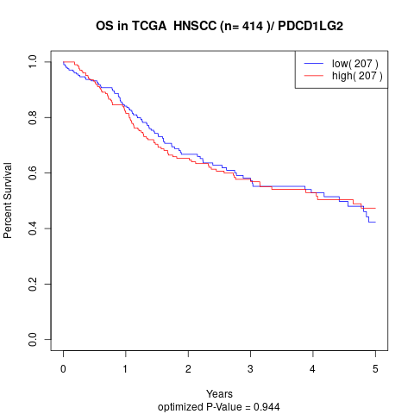

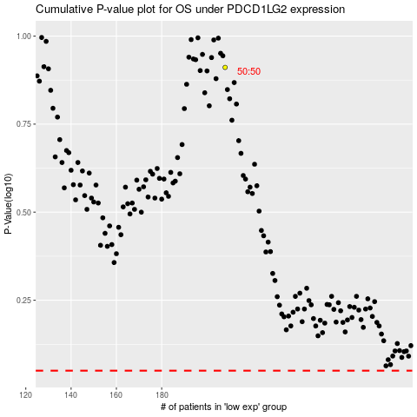

 |  |  |  |  |  | cases_OS | p_OS | rank | exp
 |  |  |  |  |  |  | cases_RFS | p_RFS | rank | exp

