PDCD2L _multivariate
Reported by Tex Li-Hsing Chi. tex@gate.sinica.edu.tw 2019-08-17

Table 2. The clinicopathological features of HNSCC cohort and PDCD2L expression. (Chi square test)
Cutoff at -0.19 (49.8%)
 |  | PDCD2L expression |  | PDCD2L expression |  | (Optimised)
 | Features | Low | (%) | High | (%) | Case no | P-value | Remark | Matthews
Gender | Female | 143 | 34.5 | 163 | 39.3 | 415 | 0.0416 | 1 | 0
2 | Male | 64 | 15.4 | 45 | 10.8
Age at diagnosis | <=65y | 140 | 33.7 | 134 | 32.3 | 415 | 0.5574 | 0 | 0
4 | >65y | 67 | 16.1 | 74 | 17.8
Clinical T Status | T1+T2 | 88 | 21.2 | 61 | 14.7 | 415 | 0.007 | 1 | 0
6 | T3+T4 | 119 | 28.7 | 147 | 35.4
Clinical N Status | N0 | 106 | 25.5 | 110 | 26.5 | 415 | 0.8075 | 0 | 0
8 | N1-3 | 101 | 24.3 | 98 | 23.6
Clinical M Status | M0 | 206 | 49.6 | 206 | 49.6 | 415 | 1 | 0 | 0
10 | M1 | 1 | 0.2 | 2 | 0.5
Clinical Stage | Stage I+II | 58 | 14 | 44 | 10.6 | 415 | 0.131 | 0 | 0
12 | Stage III+IV | 149 | 35.9 | 164 | 39.5
Surgical Margin status | Negative | 158 | 38.1 | 160 | 38.6 | 415 | 0.9081 | 0 | 0
14 | Positive | 49 | 11.8 | 48 | 11.6
Tobacco Exposure | Low | 94 | 22.7 | 67 | 16.1 | 415 | 0.0065 | 1 | 0
16 | High | 113 | 27.2 | 141 | 34

Table 3. Univariate/Multivariate Cox's proportional hazards regression analyses on OS time of PDCD2L gene expression in HNSCC

 |  | Univariate |  |  |  | Multivariate
 | Features | HR | CI95%(L) | CI95%(H) | P-value | HR | CI95%(L) | CI95%(H) | P-value
1 | Female | 1 |  |  |  | 1
Gender | Male | 1.157 | 0.843 | 1.587 | 0.367 | 1.204 | 0.863 | 1.681 | 0.275
11 | <=65y | 1 |  |  |  | 1
Age at diagnosis | >65y | 1.329 | 0.99 | 1.784 | 0.058 | 1.396 | 1.027 | 1.898 | 0.033
12 | T1+T2 | 1 |  |  |  | 1
Clinical T Status | T3+T4 | 1.409 | 1.028 | 1.931 | 0.033 | 2.275 | 1.198 | 4.322 | 0.012
13 | N0 | 1 |  |  |  | 1
Clinical N Status | N1-3 | 1.185 | 0.89 | 1.577 | 0.246 | 1.244 | 0.872 | 1.774 | 0.229
14 | M0 | 1 |  |  |  | 1
Clinical M Status | M1 | 4.097 | 1.009 | 16.644 | 0.049 | 10.036 | 2.174 | 46.317 | 0.003
15 | Stage I+II | 1 |  |  |  | 1
Clinical Stage | Stage III+IV | 1.245 | 0.882 | 1.759 | 0.213 | 0.498 | 0.232 | 1.068 | 0.073
16 | Negative | 1 |  |  |  | 1
Surgical Margin status | Positive | 1.591 | 1.155 | 2.191 | 0.004 | 1.684 | 1.218 | 2.329 | 0.002
17 | Low | 1 |  |  |  | 1
Tobacco Exposure | High | 1.364 | 1.008 | 1.844 | 0.044 | 1.479 | 1.071 | 2.042 | 0.017
18 | Low | 1 |  |  |  | 1
RNAseq(z-score) | High | 1.017 | 0.764 | 1.354 | 0.909 | 0.875 | 0.653 | 1.174 | 0.374

Table 4. Univariate/Multivariate Cox's proportional hazards regression analyses on RFS time of PDCD2L gene expression in HNSCC

 |  | Univariate |  |  |  | Multivariate
 | Features | HR | CI95%(L) | CI95%(H) | P-value | HR | CI95%(L) | CI95%(H) | P-value
1 | Female | 1 |  |  |  | 1
Gender | Male | 1.157 | 0.843 | 1.587 | 0.367 | 1.204 | 0.863 | 1.681 | 0.275
11 | <=65y | 1 |  |  |  | 1
Age at diagnosis | >65y | 1.329 | 0.99 | 1.784 | 0.058 | 1.396 | 1.027 | 1.898 | 0.033
12 | T1+T2 | 1 |  |  |  | 1
Clinical T Status | T3+T4 | 1.409 | 1.028 | 1.931 | 0.033 | 2.275 | 1.198 | 4.322 | 0.012
13 | N0 | 1 |  |  |  | 1
Clinical N Status | N1-3 | 1.185 | 0.89 | 1.577 | 0.246 | 1.244 | 0.872 | 1.774 | 0.229
14 | M0 | 1 |  |  |  | 1
Clinical M Status | M1 | 4.097 | 1.009 | 16.644 | 0.049 | 10.036 | 2.174 | 46.317 | 0.003
15 | Stage I+II | 1 |  |  |  | 1
Clinical Stage | Stage III+IV | 1.245 | 0.882 | 1.759 | 0.213 | 0.498 | 0.232 | 1.068 | 0.073
16 | Negative | 1 |  |  |  | 1
Surgical Margin status | Positive | 1.591 | 1.155 | 2.191 | 0.004 | 1.684 | 1.218 | 2.329 | 0.002
17 | Low | 1 |  |  |  | 1
Tobacco Exposure | High | 1.364 | 1.008 | 1.844 | 0.044 | 1.479 | 1.071 | 2.042 | 0.017
18 | Low | 1 |  |  |  | 1
RNAseq(z-score) | High | 1.017 | 0.764 | 1.354 | 0.909 | 0.875 | 0.653 | 1.174 | 0.374

Kaplan-Meier survival estimate: Cutoff at -0.19 (49.8%)



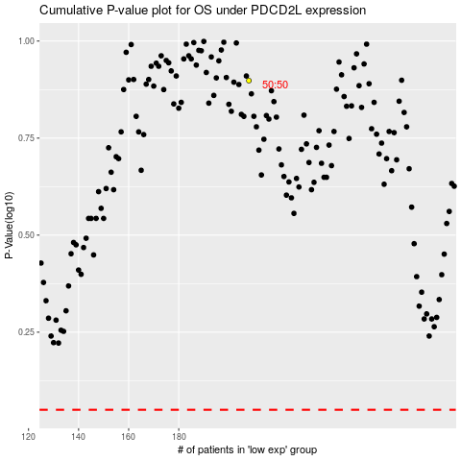

 |  |  |  |  |  | cases_OS | p_OS | rank | exp
 |  |  |  |  |  |  | cases_RFS | p_RFS | rank | exp

