PDCD4 _multivariate
Reported by Tex Li-Hsing Chi. tex@gate.sinica.edu.tw 2019-08-17

Table 2. The clinicopathological features of HNSCC cohort and PDCD4 expression. (Chi square test)
Cutoff at -0.296 (50.0%)
 |  | PDCD4 expression |  | PDCD4 expression |  | (Optimised)
 | Features | Low | (%) | High | (%) | Case no | P-value | Remark | Matthews
Gender | Female | 157 | 37.8 | 149 | 35.9 | 415 | 0.3881 | 0 | 0
2 | Male | 50 | 12 | 59 | 14.2
Age at diagnosis | <=65y | 129 | 31.1 | 145 | 34.9 | 415 | 0.1372 | 0 | 0
4 | >65y | 78 | 18.8 | 63 | 15.2
Clinical T Status | T1+T2 | 78 | 18.8 | 71 | 17.1 | 415 | 0.5152 | 0 | 0
6 | T3+T4 | 129 | 31.1 | 137 | 33
Clinical N Status | N0 | 103 | 24.8 | 113 | 27.2 | 415 | 0.4047 | 0 | 0
8 | N1-3 | 104 | 25.1 | 95 | 22.9
Clinical M Status | M0 | 205 | 49.4 | 207 | 49.9 | 415 | 0.6232 | 0 | 0
10 | M1 | 2 | 0.5 | 1 | 0.2
Clinical Stage | Stage I+II | 53 | 12.8 | 49 | 11.8 | 415 | 0.7113 | 0 | 0
12 | Stage III+IV | 154 | 37.1 | 159 | 38.3
Surgical Margin status | Negative | 163 | 39.3 | 155 | 37.3 | 415 | 0.3537 | 0 | 0
14 | Positive | 44 | 10.6 | 53 | 12.8
Tobacco Exposure | Low | 68 | 16.4 | 93 | 22.4 | 415 | 0.0156 | 1 | 0
16 | High | 139 | 33.5 | 115 | 27.7

Table 3. Univariate/Multivariate Cox's proportional hazards regression analyses on OS time of PDCD4 gene expression in HNSCC

 |  | Univariate |  |  |  | Multivariate
 | Features | HR | CI95%(L) | CI95%(H) | P-value | HR | CI95%(L) | CI95%(H) | P-value
1 | Female | 1 |  |  |  | 1
Gender | Male | 1.157 | 0.843 | 1.587 | 0.367 | 1.21 | 0.865 | 1.692 | 0.265
11 | <=65y | 1 |  |  |  | 1
Age at diagnosis | >65y | 1.329 | 0.99 | 1.784 | 0.058 | 1.367 | 1.001 | 1.867 | 0.049
12 | T1+T2 | 1 |  |  |  | 1
Clinical T Status | T3+T4 | 1.409 | 1.028 | 1.931 | 0.033 | 2.219 | 1.173 | 4.197 | 0.014
13 | N0 | 1 |  |  |  | 1
Clinical N Status | N1-3 | 1.185 | 0.89 | 1.577 | 0.246 | 1.228 | 0.859 | 1.754 | 0.26
14 | M0 | 1 |  |  |  | 1
Clinical M Status | M1 | 4.097 | 1.009 | 16.644 | 0.049 | 9.371 | 2.044 | 42.951 | 0.004
15 | Stage I+II | 1 |  |  |  | 1
Clinical Stage | Stage III+IV | 1.245 | 0.882 | 1.759 | 0.213 | 0.507 | 0.236 | 1.088 | 0.081
16 | Negative | 1 |  |  |  | 1
Surgical Margin status | Positive | 1.591 | 1.155 | 2.191 | 0.004 | 1.691 | 1.222 | 2.34 | 0.002
17 | Low | 1 |  |  |  | 1
Tobacco Exposure | High | 1.364 | 1.008 | 1.844 | 0.044 | 1.431 | 1.036 | 1.978 | 0.03
18 | Low | 1 |  |  |  | 1
RNAseq(z-score) | High | 0.884 | 0.663 | 1.18 | 0.403 | 0.899 | 0.668 | 1.209 | 0.482

Table 4. Univariate/Multivariate Cox's proportional hazards regression analyses on RFS time of PDCD4 gene expression in HNSCC

 |  | Univariate |  |  |  | Multivariate
 | Features | HR | CI95%(L) | CI95%(H) | P-value | HR | CI95%(L) | CI95%(H) | P-value
1 | Female | 1 |  |  |  | 1
Gender | Male | 1.157 | 0.843 | 1.587 | 0.367 | 1.21 | 0.865 | 1.692 | 0.265
11 | <=65y | 1 |  |  |  | 1
Age at diagnosis | >65y | 1.329 | 0.99 | 1.784 | 0.058 | 1.367 | 1.001 | 1.867 | 0.049
12 | T1+T2 | 1 |  |  |  | 1
Clinical T Status | T3+T4 | 1.409 | 1.028 | 1.931 | 0.033 | 2.219 | 1.173 | 4.197 | 0.014
13 | N0 | 1 |  |  |  | 1
Clinical N Status | N1-3 | 1.185 | 0.89 | 1.577 | 0.246 | 1.228 | 0.859 | 1.754 | 0.26
14 | M0 | 1 |  |  |  | 1
Clinical M Status | M1 | 4.097 | 1.009 | 16.644 | 0.049 | 9.371 | 2.044 | 42.951 | 0.004
15 | Stage I+II | 1 |  |  |  | 1
Clinical Stage | Stage III+IV | 1.245 | 0.882 | 1.759 | 0.213 | 0.507 | 0.236 | 1.088 | 0.081
16 | Negative | 1 |  |  |  | 1
Surgical Margin status | Positive | 1.591 | 1.155 | 2.191 | 0.004 | 1.691 | 1.222 | 2.34 | 0.002
17 | Low | 1 |  |  |  | 1
Tobacco Exposure | High | 1.364 | 1.008 | 1.844 | 0.044 | 1.431 | 1.036 | 1.978 | 0.03
18 | Low | 1 |  |  |  | 1
RNAseq(z-score) | High | 0.884 | 0.663 | 1.18 | 0.403 | 0.899 | 0.668 | 1.209 | 0.482

Kaplan-Meier survival estimate: Cutoff at -0.296 (50.0%)



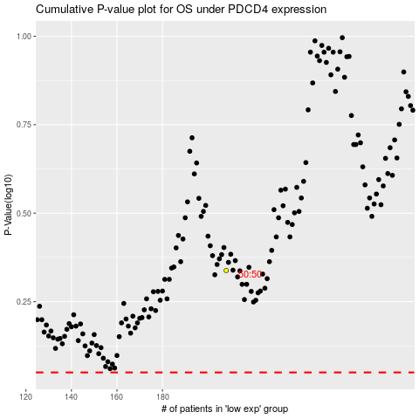

 |  |  |  |  |  | cases_OS | p_OS | rank | exp
 |  |  |  |  |  |  | cases_RFS | p_RFS | rank | exp

