PDCD5 _multivariate
Reported by Tex Li-Hsing Chi. tex@gate.sinica.edu.tw 2019-08-17

Table 2. The clinicopathological features of HNSCC cohort and PDCD5 expression. (Chi square test)
Cutoff at -0.242 (50.0%)
 |  | PDCD5 expression |  | PDCD5 expression |  | (Optimised)
 | Features | Low | (%) | High | (%) | Case no | P-value | Remark | Matthews
Gender | Female | 150 | 36.1 | 156 | 37.6 | 415 | 0.6344 | 0 | 0
2 | Male | 57 | 13.7 | 52 | 12.5
Age at diagnosis | <=65y | 139 | 33.5 | 135 | 32.5 | 415 | 0.7044 | 0 | 0
4 | >65y | 68 | 16.4 | 73 | 17.6
Clinical T Status | T1+T2 | 75 | 18.1 | 74 | 17.8 | 415 | 0.9707 | 0 | 0
6 | T3+T4 | 132 | 31.8 | 134 | 32.3
Clinical N Status | N0 | 109 | 26.3 | 107 | 25.8 | 415 | 0.8812 | 0 | 0
8 | N1-3 | 98 | 23.6 | 101 | 24.3
Clinical M Status | M0 | 207 | 49.9 | 205 | 49.4 | 415 | 0.2482 | 0 | 0
10 | M1 | 0 | 0 | 3 | 0.7
Clinical Stage | Stage I+II | 52 | 12.5 | 50 | 12 | 415 | 0.8871 | 0 | 0
12 | Stage III+IV | 155 | 37.3 | 158 | 38.1
Surgical Margin status | Negative | 167 | 40.2 | 151 | 36.4 | 415 | 0.0632 | 0 | 0
14 | Positive | 40 | 9.6 | 57 | 13.7
Tobacco Exposure | Low | 86 | 20.7 | 75 | 18.1 | 415 | 0.2687 | 0 | 0
16 | High | 121 | 29.2 | 133 | 32

Table 3. Univariate/Multivariate Cox's proportional hazards regression analyses on OS time of PDCD5 gene expression in HNSCC

 |  | Univariate |  |  |  | Multivariate
 | Features | HR | CI95%(L) | CI95%(H) | P-value | HR | CI95%(L) | CI95%(H) | P-value
1 | Female | 1 |  |  |  | 1
Gender | Male | 1.157 | 0.843 | 1.587 | 0.367 | 1.204 | 0.861 | 1.682 | 0.277
11 | <=65y | 1 |  |  |  | 1
Age at diagnosis | >65y | 1.329 | 0.99 | 1.784 | 0.058 | 1.395 | 1.025 | 1.898 | 0.034
12 | T1+T2 | 1 |  |  |  | 1
Clinical T Status | T3+T4 | 1.409 | 1.028 | 1.931 | 0.033 | 2.204 | 1.165 | 4.167 | 0.015
13 | N0 | 1 |  |  |  | 1
Clinical N Status | N1-3 | 1.185 | 0.89 | 1.577 | 0.246 | 1.242 | 0.87 | 1.772 | 0.233
14 | M0 | 1 |  |  |  | 1
Clinical M Status | M1 | 4.097 | 1.009 | 16.644 | 0.049 | 9.573 | 2.071 | 44.249 | 0.004
15 | Stage I+II | 1 |  |  |  | 1
Clinical Stage | Stage III+IV | 1.245 | 0.882 | 1.759 | 0.213 | 0.505 | 0.235 | 1.084 | 0.079
16 | Negative | 1 |  |  |  | 1
Surgical Margin status | Positive | 1.591 | 1.155 | 2.191 | 0.004 | 1.677 | 1.212 | 2.319 | 0.002
17 | Low | 1 |  |  |  | 1
Tobacco Exposure | High | 1.364 | 1.008 | 1.844 | 0.044 | 1.459 | 1.057 | 2.013 | 0.022
18 | Low | 1 |  |  |  | 1
RNAseq(z-score) | High | 1.084 | 0.814 | 1.444 | 0.58 | 0.968 | 0.723 | 1.297 | 0.828

Table 4. Univariate/Multivariate Cox's proportional hazards regression analyses on RFS time of PDCD5 gene expression in HNSCC

 |  | Univariate |  |  |  | Multivariate
 | Features | HR | CI95%(L) | CI95%(H) | P-value | HR | CI95%(L) | CI95%(H) | P-value
1 | Female | 1 |  |  |  | 1
Gender | Male | 1.157 | 0.843 | 1.587 | 0.367 | 1.204 | 0.861 | 1.682 | 0.277
11 | <=65y | 1 |  |  |  | 1
Age at diagnosis | >65y | 1.329 | 0.99 | 1.784 | 0.058 | 1.395 | 1.025 | 1.898 | 0.034
12 | T1+T2 | 1 |  |  |  | 1
Clinical T Status | T3+T4 | 1.409 | 1.028 | 1.931 | 0.033 | 2.204 | 1.165 | 4.167 | 0.015
13 | N0 | 1 |  |  |  | 1
Clinical N Status | N1-3 | 1.185 | 0.89 | 1.577 | 0.246 | 1.242 | 0.87 | 1.772 | 0.233
14 | M0 | 1 |  |  |  | 1
Clinical M Status | M1 | 4.097 | 1.009 | 16.644 | 0.049 | 9.573 | 2.071 | 44.249 | 0.004
15 | Stage I+II | 1 |  |  |  | 1
Clinical Stage | Stage III+IV | 1.245 | 0.882 | 1.759 | 0.213 | 0.505 | 0.235 | 1.084 | 0.079
16 | Negative | 1 |  |  |  | 1
Surgical Margin status | Positive | 1.591 | 1.155 | 2.191 | 0.004 | 1.677 | 1.212 | 2.319 | 0.002
17 | Low | 1 |  |  |  | 1
Tobacco Exposure | High | 1.364 | 1.008 | 1.844 | 0.044 | 1.459 | 1.057 | 2.013 | 0.022
18 | Low | 1 |  |  |  | 1
RNAseq(z-score) | High | 1.084 | 0.814 | 1.444 | 0.58 | 0.968 | 0.723 | 1.297 | 0.828

Kaplan-Meier survival estimate: Cutoff at -0.242 (50.0%)



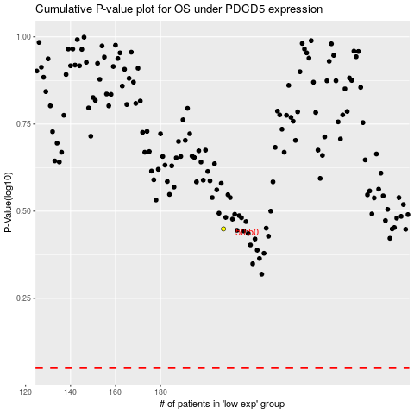

 |  |  |  |  |  | cases_OS | p_OS | rank | exp
 |  |  |  |  |  |  | cases_RFS | p_RFS | rank | exp

