PDCD6 _multivariate
Reported by Tex Li-Hsing Chi. tex@gate.sinica.edu.tw 2019-08-17

Table 2. The clinicopathological features of HNSCC cohort and PDCD6 expression. (Chi square test)
Cutoff at -0.056 (60.9%)
 |  | PDCD6 expression |  | PDCD6 expression |  | (Optimised)
 | Features | Low | (%) | High | (%) | Case no | P-value | Remark | Matthews
Gender | Female | 178 | 42.9 | 128 | 30.8 | 415 | 0.0657 | 0 | 0
2 | Male | 75 | 18.1 | 34 | 8.2
Age at diagnosis | <=65y | 155 | 37.3 | 119 | 28.7 | 415 | 0.0142 | 1 | 0
4 | >65y | 98 | 23.6 | 43 | 10.4
Clinical T Status | T1+T2 | 94 | 22.7 | 55 | 13.3 | 415 | 0.5763 | 0 | 0
6 | T3+T4 | 159 | 38.3 | 107 | 25.8
Clinical N Status | N0 | 134 | 32.3 | 82 | 19.8 | 415 | 0.7142 | 0 | 0
8 | N1-3 | 119 | 28.7 | 80 | 19.3
Clinical M Status | M0 | 253 | 61 | 159 | 38.3 | 415 | 0.0588 | 0 | 0
10 | M1 | 0 | 0 | 3 | 0.7
Clinical Stage | Stage I+II | 64 | 15.4 | 38 | 9.2 | 415 | 0.7583 | 0 | 0
12 | Stage III+IV | 189 | 45.5 | 124 | 29.9
Surgical Margin status | Negative | 197 | 47.5 | 121 | 29.2 | 415 | 0.477 | 0 | 0
14 | Positive | 56 | 13.5 | 41 | 9.9
Tobacco Exposure | Low | 108 | 26 | 53 | 12.8 | 415 | 0.0497 | 1 | 0
16 | High | 145 | 34.9 | 109 | 26.3

Table 3. Univariate/Multivariate Cox's proportional hazards regression analyses on OS time of PDCD6 gene expression in HNSCC

 |  | Univariate |  |  |  | Multivariate
 | Features | HR | CI95%(L) | CI95%(H) | P-value | HR | CI95%(L) | CI95%(H) | P-value
1 | Female | 1 |  |  |  | 1
Gender | Male | 1.157 | 0.843 | 1.587 | 0.367 | 1.202 | 0.86 | 1.679 | 0.281
11 | <=65y | 1 |  |  |  | 1
Age at diagnosis | >65y | 1.329 | 0.99 | 1.784 | 0.058 | 1.419 | 1.043 | 1.931 | 0.026
12 | T1+T2 | 1 |  |  |  | 1
Clinical T Status | T3+T4 | 1.409 | 1.028 | 1.931 | 0.033 | 2.104 | 1.109 | 3.99 | 0.023
13 | N0 | 1 |  |  |  | 1
Clinical N Status | N1-3 | 1.185 | 0.89 | 1.577 | 0.246 | 1.237 | 0.867 | 1.765 | 0.24
14 | M0 | 1 |  |  |  | 1
Clinical M Status | M1 | 4.097 | 1.009 | 16.644 | 0.049 | 7.925 | 1.699 | 36.973 | 0.008
15 | Stage I+II | 1 |  |  |  | 1
Clinical Stage | Stage III+IV | 1.245 | 0.882 | 1.759 | 0.213 | 0.535 | 0.248 | 1.154 | 0.111
16 | Negative | 1 |  |  |  | 1
Surgical Margin status | Positive | 1.591 | 1.155 | 2.191 | 0.004 | 1.613 | 1.163 | 2.237 | 0.004
17 | Low | 1 |  |  |  | 1
Tobacco Exposure | High | 1.364 | 1.008 | 1.844 | 0.044 | 1.421 | 1.03 | 1.96 | 0.032
18 | Low | 1 |  |  |  | 1
RNAseq(z-score) | High | 1.347 | 1.005 | 1.806 | 0.046 | 1.239 | 0.914 | 1.678 | 0.167

Table 4. Univariate/Multivariate Cox's proportional hazards regression analyses on RFS time of PDCD6 gene expression in HNSCC

 |  | Univariate |  |  |  | Multivariate
 | Features | HR | CI95%(L) | CI95%(H) | P-value | HR | CI95%(L) | CI95%(H) | P-value
1 | Female | 1 |  |  |  | 1
Gender | Male | 1.157 | 0.843 | 1.587 | 0.367 | 1.202 | 0.86 | 1.679 | 0.281
11 | <=65y | 1 |  |  |  | 1
Age at diagnosis | >65y | 1.329 | 0.99 | 1.784 | 0.058 | 1.419 | 1.043 | 1.931 | 0.026
12 | T1+T2 | 1 |  |  |  | 1
Clinical T Status | T3+T4 | 1.409 | 1.028 | 1.931 | 0.033 | 2.104 | 1.109 | 3.99 | 0.023
13 | N0 | 1 |  |  |  | 1
Clinical N Status | N1-3 | 1.185 | 0.89 | 1.577 | 0.246 | 1.237 | 0.867 | 1.765 | 0.24
14 | M0 | 1 |  |  |  | 1
Clinical M Status | M1 | 4.097 | 1.009 | 16.644 | 0.049 | 7.925 | 1.699 | 36.973 | 0.008
15 | Stage I+II | 1 |  |  |  | 1
Clinical Stage | Stage III+IV | 1.245 | 0.882 | 1.759 | 0.213 | 0.535 | 0.248 | 1.154 | 0.111
16 | Negative | 1 |  |  |  | 1
Surgical Margin status | Positive | 1.591 | 1.155 | 2.191 | 0.004 | 1.613 | 1.163 | 2.237 | 0.004
17 | Low | 1 |  |  |  | 1
Tobacco Exposure | High | 1.364 | 1.008 | 1.844 | 0.044 | 1.421 | 1.03 | 1.96 | 0.032
18 | Low | 1 |  |  |  | 1
RNAseq(z-score) | High | 1.347 | 1.005 | 1.806 | 0.046 | 1.239 | 0.914 | 1.678 | 0.167

Kaplan-Meier survival estimate: Cutoff at -0.056 (60.9%)

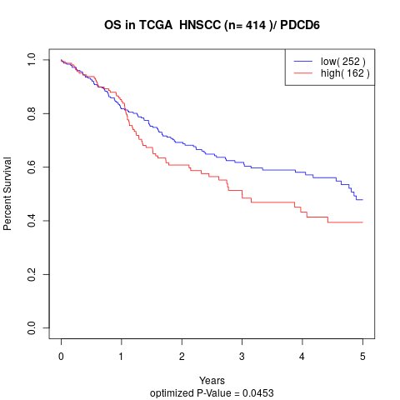

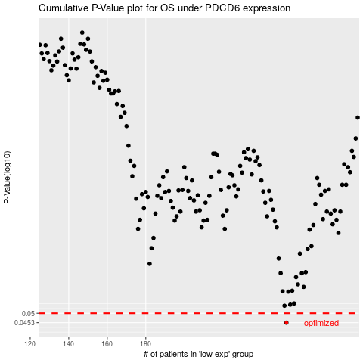

 |  |  |  |  |  | cases_OS | p_OS | rank | exp
 |  |  |  |  |  | 253 | 0.0453 | 78 | -0.055611555093
 |  |  |  |  |  |  | cases_RFS | p_RFS | rank | exp
 |  |  |  |  |  |  | 252 | 0.0453 | 15 | -0.06347772786

