PDCD7 _multivariate
Reported by Tex Li-Hsing Chi. tex@gate.sinica.edu.tw 2019-08-17

Table 2. The clinicopathological features of HNSCC cohort and PDCD7 expression. (Chi square test)
Cutoff at -0.203 (49.8%)
 |  | PDCD7 expression |  | PDCD7 expression |  | (Optimised)
 | Features | Low | (%) | High | (%) | Case no | P-value | Remark | Matthews
Gender | Female | 156 | 37.6 | 150 | 36.1 | 415 | 0.5222 | 0 | 0
2 | Male | 51 | 12.3 | 58 | 14
Age at diagnosis | <=65y | 131 | 31.6 | 143 | 34.5 | 415 | 0.2839 | 0 | 0
4 | >65y | 76 | 18.3 | 65 | 15.7
Clinical T Status | T1+T2 | 73 | 17.6 | 76 | 18.3 | 415 | 0.8666 | 0 | 0
6 | T3+T4 | 134 | 32.3 | 132 | 31.8
Clinical N Status | N0 | 105 | 25.3 | 111 | 26.7 | 415 | 0.6598 | 0 | 0
8 | N1-3 | 102 | 24.6 | 97 | 23.4
Clinical M Status | M0 | 207 | 49.9 | 205 | 49.4 | 415 | 0.2482 | 0 | 0
10 | M1 | 0 | 0 | 3 | 0.7
Clinical Stage | Stage I+II | 53 | 12.8 | 49 | 11.8 | 415 | 0.7113 | 0 | 0
12 | Stage III+IV | 154 | 37.1 | 159 | 38.3
Surgical Margin status | Negative | 166 | 40 | 152 | 36.6 | 415 | 0.1042 | 0 | 0
14 | Positive | 41 | 9.9 | 56 | 13.5
Tobacco Exposure | Low | 86 | 20.7 | 75 | 18.1 | 415 | 0.2687 | 0 | 0
16 | High | 121 | 29.2 | 133 | 32

Table 3. Univariate/Multivariate Cox's proportional hazards regression analyses on OS time of PDCD7 gene expression in HNSCC

 |  | Univariate |  |  |  | Multivariate
 | Features | HR | CI95%(L) | CI95%(H) | P-value | HR | CI95%(L) | CI95%(H) | P-value
1 | Female | 1 |  |  |  | 1
Gender | Male | 1.157 | 0.843 | 1.587 | 0.367 | 1.2 | 0.858 | 1.678 | 0.287
11 | <=65y | 1 |  |  |  | 1
Age at diagnosis | >65y | 1.329 | 0.99 | 1.784 | 0.058 | 1.392 | 1.024 | 1.892 | 0.035
12 | T1+T2 | 1 |  |  |  | 1
Clinical T Status | T3+T4 | 1.409 | 1.028 | 1.931 | 0.033 | 2.204 | 1.165 | 4.167 | 0.015
13 | N0 | 1 |  |  |  | 1
Clinical N Status | N1-3 | 1.185 | 0.89 | 1.577 | 0.246 | 1.243 | 0.87 | 1.774 | 0.232
14 | M0 | 1 |  |  |  | 1
Clinical M Status | M1 | 4.097 | 1.009 | 16.644 | 0.049 | 9.315 | 2.015 | 43.064 | 0.004
15 | Stage I+II | 1 |  |  |  | 1
Clinical Stage | Stage III+IV | 1.245 | 0.882 | 1.759 | 0.213 | 0.504 | 0.235 | 1.082 | 0.079
16 | Negative | 1 |  |  |  | 1
Surgical Margin status | Positive | 1.591 | 1.155 | 2.191 | 0.004 | 1.667 | 1.203 | 2.31 | 0.002
17 | Low | 1 |  |  |  | 1
Tobacco Exposure | High | 1.364 | 1.008 | 1.844 | 0.044 | 1.452 | 1.053 | 2.001 | 0.023
18 | Low | 1 |  |  |  | 1
RNAseq(z-score) | High | 1.086 | 0.815 | 1.447 | 0.575 | 1.018 | 0.759 | 1.365 | 0.906

Table 4. Univariate/Multivariate Cox's proportional hazards regression analyses on RFS time of PDCD7 gene expression in HNSCC

 |  | Univariate |  |  |  | Multivariate
 | Features | HR | CI95%(L) | CI95%(H) | P-value | HR | CI95%(L) | CI95%(H) | P-value
1 | Female | 1 |  |  |  | 1
Gender | Male | 1.157 | 0.843 | 1.587 | 0.367 | 1.2 | 0.858 | 1.678 | 0.287
11 | <=65y | 1 |  |  |  | 1
Age at diagnosis | >65y | 1.329 | 0.99 | 1.784 | 0.058 | 1.392 | 1.024 | 1.892 | 0.035
12 | T1+T2 | 1 |  |  |  | 1
Clinical T Status | T3+T4 | 1.409 | 1.028 | 1.931 | 0.033 | 2.204 | 1.165 | 4.167 | 0.015
13 | N0 | 1 |  |  |  | 1
Clinical N Status | N1-3 | 1.185 | 0.89 | 1.577 | 0.246 | 1.243 | 0.87 | 1.774 | 0.232
14 | M0 | 1 |  |  |  | 1
Clinical M Status | M1 | 4.097 | 1.009 | 16.644 | 0.049 | 9.315 | 2.015 | 43.064 | 0.004
15 | Stage I+II | 1 |  |  |  | 1
Clinical Stage | Stage III+IV | 1.245 | 0.882 | 1.759 | 0.213 | 0.504 | 0.235 | 1.082 | 0.079
16 | Negative | 1 |  |  |  | 1
Surgical Margin status | Positive | 1.591 | 1.155 | 2.191 | 0.004 | 1.667 | 1.203 | 2.31 | 0.002
17 | Low | 1 |  |  |  | 1
Tobacco Exposure | High | 1.364 | 1.008 | 1.844 | 0.044 | 1.452 | 1.053 | 2.001 | 0.023
18 | Low | 1 |  |  |  | 1
RNAseq(z-score) | High | 1.086 | 0.815 | 1.447 | 0.575 | 1.018 | 0.759 | 1.365 | 0.906

Kaplan-Meier survival estimate: Cutoff at -0.203 (49.8%)



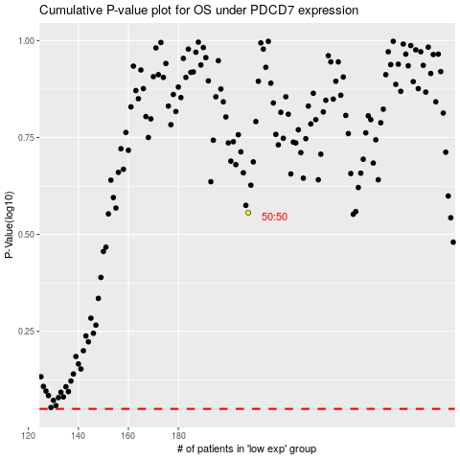

 |  |  |  |  |  | cases_OS | p_OS | rank | exp
 |  |  |  |  |  |  | cases_RFS | p_RFS | rank | exp

