PDCL3 _multivariate
Reported by Tex Li-Hsing Chi. tex@gate.sinica.edu.tw 2019-08-17

Table 2. The clinicopathological features of HNSCC cohort and PDCL3 expression. (Chi square test)
Cutoff at -0.234 (50.0%)
 |  | PDCL3 expression |  | PDCL3 expression |  | (Optimised)
 | Features | Low | (%) | High | (%) | Case no | P-value | Remark | Matthews
Gender | Female | 155 | 37.3 | 151 | 36.4 | 415 | 0.6768 | 0 | 0
2 | Male | 52 | 12.5 | 57 | 13.7
Age at diagnosis | <=65y | 129 | 31.1 | 145 | 34.9 | 415 | 0.1372 | 0 | 0
4 | >65y | 78 | 18.8 | 63 | 15.2
Clinical T Status | T1+T2 | 75 | 18.1 | 74 | 17.8 | 415 | 0.9707 | 0 | 0
6 | T3+T4 | 132 | 31.8 | 134 | 32.3
Clinical N Status | N0 | 109 | 26.3 | 107 | 25.8 | 415 | 0.8812 | 0 | 0
8 | N1-3 | 98 | 23.6 | 101 | 24.3
Clinical M Status | M0 | 207 | 49.9 | 205 | 49.4 | 415 | 0.2482 | 0 | 0
10 | M1 | 0 | 0 | 3 | 0.7
Clinical Stage | Stage I+II | 54 | 13 | 48 | 11.6 | 415 | 0.5498 | 0 | 0
12 | Stage III+IV | 153 | 36.9 | 160 | 38.6
Surgical Margin status | Negative | 162 | 39 | 156 | 37.6 | 415 | 0.4867 | 0 | 0
14 | Positive | 45 | 10.8 | 52 | 12.5
Tobacco Exposure | Low | 87 | 21 | 74 | 17.8 | 415 | 0.1911 | 0 | 0
16 | High | 120 | 28.9 | 134 | 32.3

Table 3. Univariate/Multivariate Cox's proportional hazards regression analyses on OS time of PDCL3 gene expression in HNSCC

 |  | Univariate |  |  |  | Multivariate
 | Features | HR | CI95%(L) | CI95%(H) | P-value | HR | CI95%(L) | CI95%(H) | P-value
1 | Female | 1 |  |  |  | 1
Gender | Male | 1.157 | 0.843 | 1.587 | 0.367 | 1.18 | 0.842 | 1.654 | 0.337
11 | <=65y | 1 |  |  |  | 1
Age at diagnosis | >65y | 1.329 | 0.99 | 1.784 | 0.058 | 1.394 | 1.026 | 1.894 | 0.034
12 | T1+T2 | 1 |  |  |  | 1
Clinical T Status | T3+T4 | 1.409 | 1.028 | 1.931 | 0.033 | 2.206 | 1.167 | 4.172 | 0.015
13 | N0 | 1 |  |  |  | 1
Clinical N Status | N1-3 | 1.185 | 0.89 | 1.577 | 0.246 | 1.238 | 0.867 | 1.766 | 0.24
14 | M0 | 1 |  |  |  | 1
Clinical M Status | M1 | 4.097 | 1.009 | 16.644 | 0.049 | 8.88 | 1.924 | 40.99 | 0.005
15 | Stage I+II | 1 |  |  |  | 1
Clinical Stage | Stage III+IV | 1.245 | 0.882 | 1.759 | 0.213 | 0.502 | 0.234 | 1.079 | 0.077
16 | Negative | 1 |  |  |  | 1
Surgical Margin status | Positive | 1.591 | 1.155 | 2.191 | 0.004 | 1.661 | 1.201 | 2.295 | 0.002
17 | Low | 1 |  |  |  | 1
Tobacco Exposure | High | 1.364 | 1.008 | 1.844 | 0.044 | 1.429 | 1.034 | 1.974 | 0.031
18 | Low | 1 |  |  |  | 1
RNAseq(z-score) | High | 1.211 | 0.909 | 1.612 | 0.191 | 1.116 | 0.832 | 1.497 | 0.463

Table 4. Univariate/Multivariate Cox's proportional hazards regression analyses on RFS time of PDCL3 gene expression in HNSCC

 |  | Univariate |  |  |  | Multivariate
 | Features | HR | CI95%(L) | CI95%(H) | P-value | HR | CI95%(L) | CI95%(H) | P-value
1 | Female | 1 |  |  |  | 1
Gender | Male | 1.157 | 0.843 | 1.587 | 0.367 | 1.18 | 0.842 | 1.654 | 0.337
11 | <=65y | 1 |  |  |  | 1
Age at diagnosis | >65y | 1.329 | 0.99 | 1.784 | 0.058 | 1.394 | 1.026 | 1.894 | 0.034
12 | T1+T2 | 1 |  |  |  | 1
Clinical T Status | T3+T4 | 1.409 | 1.028 | 1.931 | 0.033 | 2.206 | 1.167 | 4.172 | 0.015
13 | N0 | 1 |  |  |  | 1
Clinical N Status | N1-3 | 1.185 | 0.89 | 1.577 | 0.246 | 1.238 | 0.867 | 1.766 | 0.24
14 | M0 | 1 |  |  |  | 1
Clinical M Status | M1 | 4.097 | 1.009 | 16.644 | 0.049 | 8.88 | 1.924 | 40.99 | 0.005
15 | Stage I+II | 1 |  |  |  | 1
Clinical Stage | Stage III+IV | 1.245 | 0.882 | 1.759 | 0.213 | 0.502 | 0.234 | 1.079 | 0.077
16 | Negative | 1 |  |  |  | 1
Surgical Margin status | Positive | 1.591 | 1.155 | 2.191 | 0.004 | 1.661 | 1.201 | 2.295 | 0.002
17 | Low | 1 |  |  |  | 1
Tobacco Exposure | High | 1.364 | 1.008 | 1.844 | 0.044 | 1.429 | 1.034 | 1.974 | 0.031
18 | Low | 1 |  |  |  | 1
RNAseq(z-score) | High | 1.211 | 0.909 | 1.612 | 0.191 | 1.116 | 0.832 | 1.497 | 0.463

Kaplan-Meier survival estimate: Cutoff at -0.234 (50.0%)



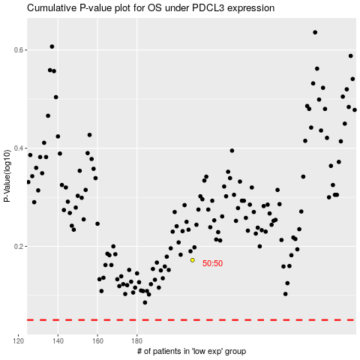

 |  |  |  |  |  | cases_OS | p_OS | rank | exp
 |  |  |  |  |  |  | cases_RFS | p_RFS | rank | exp

