PDE1B _multivariate
Reported by Tex Li-Hsing Chi. tex@gate.sinica.edu.tw 2019-08-17

Table 2. The clinicopathological features of HNSCC cohort and PDE1B expression. (Chi square test)
Cutoff at -0.238 (49.8%)
 |  | PDE1B expression |  | PDE1B expression |  | (Optimised)
 | Features | Low | (%) | High | (%) | Case no | P-value | Remark | Matthews
Gender | Female | 165 | 39.8 | 141 | 34 | 415 | 0.0081 | 1 | 0
2 | Male | 42 | 10.1 | 67 | 16.1
Age at diagnosis | <=65y | 139 | 33.5 | 135 | 32.5 | 415 | 0.7044 | 0 | 0
4 | >65y | 68 | 16.4 | 73 | 17.6
Clinical T Status | T1+T2 | 70 | 16.9 | 79 | 19 | 415 | 0.4343 | 0 | 0
6 | T3+T4 | 137 | 33 | 129 | 31.1
Clinical N Status | N0 | 108 | 26 | 108 | 26 | 415 | 1 | 0 | 0
8 | N1-3 | 99 | 23.9 | 100 | 24.1
Clinical M Status | M0 | 205 | 49.4 | 207 | 49.9 | 415 | 0.6232 | 0 | 0
10 | M1 | 2 | 0.5 | 1 | 0.2
Clinical Stage | Stage I+II | 47 | 11.3 | 55 | 13.3 | 415 | 0.4413 | 0 | 0
12 | Stage III+IV | 160 | 38.6 | 153 | 36.9
Surgical Margin status | Negative | 154 | 37.1 | 164 | 39.5 | 415 | 0.2984 | 0 | 0
14 | Positive | 53 | 12.8 | 44 | 10.6
Tobacco Exposure | Low | 77 | 18.6 | 84 | 20.2 | 415 | 0.5459 | 0 | 0
16 | High | 130 | 31.3 | 124 | 29.9

Table 3. Univariate/Multivariate Cox's proportional hazards regression analyses on OS time of PDE1B gene expression in HNSCC

 |  | Univariate |  |  |  | Multivariate
 | Features | HR | CI95%(L) | CI95%(H) | P-value | HR | CI95%(L) | CI95%(H) | P-value
1 | Female | 1 |  |  |  | 1
Gender | Male | 1.157 | 0.843 | 1.587 | 0.367 | 1.168 | 0.835 | 1.634 | 0.365
11 | <=65y | 1 |  |  |  | 1
Age at diagnosis | >65y | 1.329 | 0.99 | 1.784 | 0.058 | 1.405 | 1.033 | 1.911 | 0.03
12 | T1+T2 | 1 |  |  |  | 1
Clinical T Status | T3+T4 | 1.409 | 1.028 | 1.931 | 0.033 | 2.218 | 1.173 | 4.194 | 0.014
13 | N0 | 1 |  |  |  | 1
Clinical N Status | N1-3 | 1.185 | 0.89 | 1.577 | 0.246 | 1.225 | 0.858 | 1.748 | 0.263
14 | M0 | 1 |  |  |  | 1
Clinical M Status | M1 | 4.097 | 1.009 | 16.644 | 0.049 | 9.659 | 2.106 | 44.308 | 0.004
15 | Stage I+II | 1 |  |  |  | 1
Clinical Stage | Stage III+IV | 1.245 | 0.882 | 1.759 | 0.213 | 0.512 | 0.239 | 1.1 | 0.086
16 | Negative | 1 |  |  |  | 1
Surgical Margin status | Positive | 1.591 | 1.155 | 2.191 | 0.004 | 1.676 | 1.213 | 2.315 | 0.002
17 | Low | 1 |  |  |  | 1
Tobacco Exposure | High | 1.364 | 1.008 | 1.844 | 0.044 | 1.436 | 1.043 | 1.978 | 0.027
18 | Low | 1 |  |  |  | 1
RNAseq(z-score) | High | 1.206 | 0.904 | 1.608 | 0.202 | 1.218 | 0.91 | 1.63 | 0.186

Table 4. Univariate/Multivariate Cox's proportional hazards regression analyses on RFS time of PDE1B gene expression in HNSCC

 |  | Univariate |  |  |  | Multivariate
 | Features | HR | CI95%(L) | CI95%(H) | P-value | HR | CI95%(L) | CI95%(H) | P-value
1 | Female | 1 |  |  |  | 1
Gender | Male | 1.157 | 0.843 | 1.587 | 0.367 | 1.168 | 0.835 | 1.634 | 0.365
11 | <=65y | 1 |  |  |  | 1
Age at diagnosis | >65y | 1.329 | 0.99 | 1.784 | 0.058 | 1.405 | 1.033 | 1.911 | 0.03
12 | T1+T2 | 1 |  |  |  | 1
Clinical T Status | T3+T4 | 1.409 | 1.028 | 1.931 | 0.033 | 2.218 | 1.173 | 4.194 | 0.014
13 | N0 | 1 |  |  |  | 1
Clinical N Status | N1-3 | 1.185 | 0.89 | 1.577 | 0.246 | 1.225 | 0.858 | 1.748 | 0.263
14 | M0 | 1 |  |  |  | 1
Clinical M Status | M1 | 4.097 | 1.009 | 16.644 | 0.049 | 9.659 | 2.106 | 44.308 | 0.004
15 | Stage I+II | 1 |  |  |  | 1
Clinical Stage | Stage III+IV | 1.245 | 0.882 | 1.759 | 0.213 | 0.512 | 0.239 | 1.1 | 0.086
16 | Negative | 1 |  |  |  | 1
Surgical Margin status | Positive | 1.591 | 1.155 | 2.191 | 0.004 | 1.676 | 1.213 | 2.315 | 0.002
17 | Low | 1 |  |  |  | 1
Tobacco Exposure | High | 1.364 | 1.008 | 1.844 | 0.044 | 1.436 | 1.043 | 1.978 | 0.027
18 | Low | 1 |  |  |  | 1
RNAseq(z-score) | High | 1.206 | 0.904 | 1.608 | 0.202 | 1.218 | 0.91 | 1.63 | 0.186

Kaplan-Meier survival estimate: Cutoff at -0.238 (49.8%)



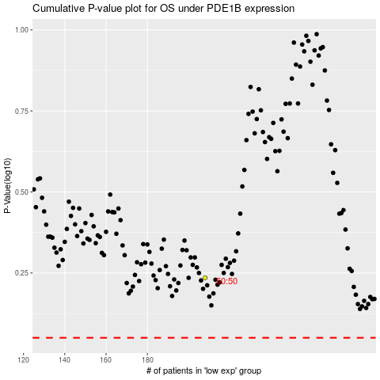

 |  |  |  |  |  | cases_OS | p_OS | rank | exp
 |  |  |  |  |  |  | cases_RFS | p_RFS | rank | exp

