PDE4A _multivariate
Reported by Tex Li-Hsing Chi. tex@gate.sinica.edu.tw 2019-08-17

Table 2. The clinicopathological features of HNSCC cohort and PDE4A expression. (Chi square test)
Cutoff at -0.221 (49.8%)
 |  | PDE4A expression |  | PDE4A expression |  | (Optimised)
 | Features | Low | (%) | High | (%) | Case no | P-value | Remark | Matthews
Gender | Female | 150 | 36.1 | 156 | 37.6 | 415 | 0.6344 | 0 | 0
2 | Male | 57 | 13.7 | 52 | 12.5
Age at diagnosis | <=65y | 133 | 32 | 141 | 34 | 415 | 0.5111 | 0 | 0
4 | >65y | 74 | 17.8 | 67 | 16.1
Clinical T Status | T1+T2 | 79 | 19 | 70 | 16.9 | 415 | 0.3924 | 0 | 0
6 | T3+T4 | 128 | 30.8 | 138 | 33.3
Clinical N Status | N0 | 107 | 25.8 | 109 | 26.3 | 415 | 0.9624 | 0 | 0
8 | N1-3 | 100 | 24.1 | 99 | 23.9
Clinical M Status | M0 | 205 | 49.4 | 207 | 49.9 | 415 | 0.6232 | 0 | 0
10 | M1 | 2 | 0.5 | 1 | 0.2
Clinical Stage | Stage I+II | 55 | 13.3 | 47 | 11.3 | 415 | 0.4087 | 0 | 0
12 | Stage III+IV | 152 | 36.6 | 161 | 38.8
Surgical Margin status | Negative | 153 | 36.9 | 165 | 39.8 | 415 | 0.2036 | 0 | 0
14 | Positive | 54 | 13 | 43 | 10.4
Tobacco Exposure | Low | 88 | 21.2 | 73 | 17.6 | 415 | 0.1314 | 0 | 0
16 | High | 119 | 28.7 | 135 | 32.5

Table 3. Univariate/Multivariate Cox's proportional hazards regression analyses on OS time of PDE4A gene expression in HNSCC

 |  | Univariate |  |  |  | Multivariate
 | Features | HR | CI95%(L) | CI95%(H) | P-value | HR | CI95%(L) | CI95%(H) | P-value
1 | Female | 1 |  |  |  | 1
Gender | Male | 1.157 | 0.843 | 1.587 | 0.367 | 1.173 | 0.838 | 1.643 | 0.353
11 | <=65y | 1 |  |  |  | 1
Age at diagnosis | >65y | 1.329 | 0.99 | 1.784 | 0.058 | 1.398 | 1.029 | 1.901 | 0.032
12 | T1+T2 | 1 |  |  |  | 1
Clinical T Status | T3+T4 | 1.409 | 1.028 | 1.931 | 0.033 | 2.244 | 1.186 | 4.248 | 0.013
13 | N0 | 1 |  |  |  | 1
Clinical N Status | N1-3 | 1.185 | 0.89 | 1.577 | 0.246 | 1.245 | 0.873 | 1.776 | 0.226
14 | M0 | 1 |  |  |  | 1
Clinical M Status | M1 | 4.097 | 1.009 | 16.644 | 0.049 | 9.326 | 2.034 | 42.767 | 0.004
15 | Stage I+II | 1 |  |  |  | 1
Clinical Stage | Stage III+IV | 1.245 | 0.882 | 1.759 | 0.213 | 0.498 | 0.232 | 1.069 | 0.074
16 | Negative | 1 |  |  |  | 1
Surgical Margin status | Positive | 1.591 | 1.155 | 2.191 | 0.004 | 1.67 | 1.208 | 2.307 | 0.002
17 | Low | 1 |  |  |  | 1
Tobacco Exposure | High | 1.364 | 1.008 | 1.844 | 0.044 | 1.466 | 1.063 | 2.022 | 0.02
18 | Low | 1 |  |  |  | 1
RNAseq(z-score) | High | 0.847 | 0.635 | 1.128 | 0.256 | 0.836 | 0.625 | 1.119 | 0.229

Table 4. Univariate/Multivariate Cox's proportional hazards regression analyses on RFS time of PDE4A gene expression in HNSCC

 |  | Univariate |  |  |  | Multivariate
 | Features | HR | CI95%(L) | CI95%(H) | P-value | HR | CI95%(L) | CI95%(H) | P-value
1 | Female | 1 |  |  |  | 1
Gender | Male | 1.157 | 0.843 | 1.587 | 0.367 | 1.173 | 0.838 | 1.643 | 0.353
11 | <=65y | 1 |  |  |  | 1
Age at diagnosis | >65y | 1.329 | 0.99 | 1.784 | 0.058 | 1.398 | 1.029 | 1.901 | 0.032
12 | T1+T2 | 1 |  |  |  | 1
Clinical T Status | T3+T4 | 1.409 | 1.028 | 1.931 | 0.033 | 2.244 | 1.186 | 4.248 | 0.013
13 | N0 | 1 |  |  |  | 1
Clinical N Status | N1-3 | 1.185 | 0.89 | 1.577 | 0.246 | 1.245 | 0.873 | 1.776 | 0.226
14 | M0 | 1 |  |  |  | 1
Clinical M Status | M1 | 4.097 | 1.009 | 16.644 | 0.049 | 9.326 | 2.034 | 42.767 | 0.004
15 | Stage I+II | 1 |  |  |  | 1
Clinical Stage | Stage III+IV | 1.245 | 0.882 | 1.759 | 0.213 | 0.498 | 0.232 | 1.069 | 0.074
16 | Negative | 1 |  |  |  | 1
Surgical Margin status | Positive | 1.591 | 1.155 | 2.191 | 0.004 | 1.67 | 1.208 | 2.307 | 0.002
17 | Low | 1 |  |  |  | 1
Tobacco Exposure | High | 1.364 | 1.008 | 1.844 | 0.044 | 1.466 | 1.063 | 2.022 | 0.02
18 | Low | 1 |  |  |  | 1
RNAseq(z-score) | High | 0.847 | 0.635 | 1.128 | 0.256 | 0.836 | 0.625 | 1.119 | 0.229

Kaplan-Meier survival estimate: Cutoff at -0.221 (49.8%)



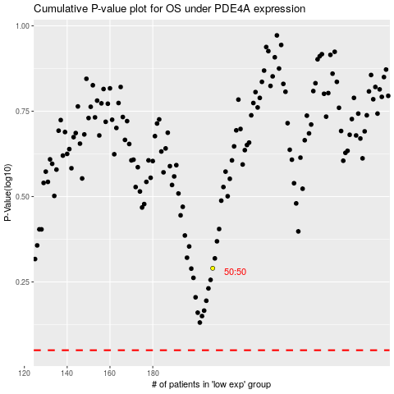

 |  |  |  |  |  | cases_OS | p_OS | rank | exp
 |  |  |  |  |  |  | cases_RFS | p_RFS | rank | exp

