PDE4C _multivariate
Reported by Tex Li-Hsing Chi. tex@gate.sinica.edu.tw 2019-08-17

Table 2. The clinicopathological features of HNSCC cohort and PDE4C expression. (Chi square test)
Cutoff at -0.346 (50.0%)
 |  | PDE4C expression |  | PDE4C expression |  | (Optimised)
 | Features | Low | (%) | High | (%) | Case no | P-value | Remark | Matthews
Gender | Female | 142 | 34.2 | 164 | 39.5 | 415 | 0.0238 | 1 | 0
2 | Male | 65 | 15.7 | 44 | 10.6
Age at diagnosis | <=65y | 138 | 33.3 | 136 | 32.8 | 415 | 0.8634 | 0 | 0
4 | >65y | 69 | 16.6 | 72 | 17.3
Clinical T Status | T1+T2 | 78 | 18.8 | 71 | 17.1 | 415 | 0.5152 | 0 | 0
6 | T3+T4 | 129 | 31.1 | 137 | 33
Clinical N Status | N0 | 110 | 26.5 | 106 | 25.5 | 415 | 0.7294 | 0 | 0
8 | N1-3 | 97 | 23.4 | 102 | 24.6
Clinical M Status | M0 | 205 | 49.4 | 207 | 49.9 | 415 | 0.6232 | 0 | 0
10 | M1 | 2 | 0.5 | 1 | 0.2
Clinical Stage | Stage I+II | 58 | 14 | 44 | 10.6 | 415 | 0.131 | 0 | 0
12 | Stage III+IV | 149 | 35.9 | 164 | 39.5
Surgical Margin status | Negative | 163 | 39.3 | 155 | 37.3 | 415 | 0.3537 | 0 | 0
14 | Positive | 44 | 10.6 | 53 | 12.8
Tobacco Exposure | Low | 99 | 23.9 | 62 | 14.9 | 415 | 2e-04 | 1 | 0
16 | High | 108 | 26 | 146 | 35.2

Table 3. Univariate/Multivariate Cox's proportional hazards regression analyses on OS time of PDE4C gene expression in HNSCC

 |  | Univariate |  |  |  | Multivariate
 | Features | HR | CI95%(L) | CI95%(H) | P-value | HR | CI95%(L) | CI95%(H) | P-value
1 | Female | 1 |  |  |  | 1
Gender | Male | 1.157 | 0.843 | 1.587 | 0.367 | 1.167 | 0.834 | 1.634 | 0.367
11 | <=65y | 1 |  |  |  | 1
Age at diagnosis | >65y | 1.329 | 0.99 | 1.784 | 0.058 | 1.42 | 1.042 | 1.934 | 0.026
12 | T1+T2 | 1 |  |  |  | 1
Clinical T Status | T3+T4 | 1.409 | 1.028 | 1.931 | 0.033 | 2.133 | 1.127 | 4.039 | 0.02
13 | N0 | 1 |  |  |  | 1
Clinical N Status | N1-3 | 1.185 | 0.89 | 1.577 | 0.246 | 1.229 | 0.861 | 1.753 | 0.257
14 | M0 | 1 |  |  |  | 1
Clinical M Status | M1 | 4.097 | 1.009 | 16.644 | 0.049 | 8.446 | 1.833 | 38.922 | 0.006
15 | Stage I+II | 1 |  |  |  | 1
Clinical Stage | Stage III+IV | 1.245 | 0.882 | 1.759 | 0.213 | 0.546 | 0.253 | 1.18 | 0.124
16 | Negative | 1 |  |  |  | 1
Surgical Margin status | Positive | 1.591 | 1.155 | 2.191 | 0.004 | 1.677 | 1.214 | 2.316 | 0.002
17 | Low | 1 |  |  |  | 1
Tobacco Exposure | High | 1.364 | 1.008 | 1.844 | 0.044 | 1.533 | 1.105 | 2.129 | 0.011
18 | Low | 1 |  |  |  | 1
RNAseq(z-score) | High | 0.833 | 0.624 | 1.113 | 0.217 | 0.776 | 0.572 | 1.053 | 0.104

Table 4. Univariate/Multivariate Cox's proportional hazards regression analyses on RFS time of PDE4C gene expression in HNSCC

 |  | Univariate |  |  |  | Multivariate
 | Features | HR | CI95%(L) | CI95%(H) | P-value | HR | CI95%(L) | CI95%(H) | P-value
1 | Female | 1 |  |  |  | 1
Gender | Male | 1.157 | 0.843 | 1.587 | 0.367 | 1.167 | 0.834 | 1.634 | 0.367
11 | <=65y | 1 |  |  |  | 1
Age at diagnosis | >65y | 1.329 | 0.99 | 1.784 | 0.058 | 1.42 | 1.042 | 1.934 | 0.026
12 | T1+T2 | 1 |  |  |  | 1
Clinical T Status | T3+T4 | 1.409 | 1.028 | 1.931 | 0.033 | 2.133 | 1.127 | 4.039 | 0.02
13 | N0 | 1 |  |  |  | 1
Clinical N Status | N1-3 | 1.185 | 0.89 | 1.577 | 0.246 | 1.229 | 0.861 | 1.753 | 0.257
14 | M0 | 1 |  |  |  | 1
Clinical M Status | M1 | 4.097 | 1.009 | 16.644 | 0.049 | 8.446 | 1.833 | 38.922 | 0.006
15 | Stage I+II | 1 |  |  |  | 1
Clinical Stage | Stage III+IV | 1.245 | 0.882 | 1.759 | 0.213 | 0.546 | 0.253 | 1.18 | 0.124
16 | Negative | 1 |  |  |  | 1
Surgical Margin status | Positive | 1.591 | 1.155 | 2.191 | 0.004 | 1.677 | 1.214 | 2.316 | 0.002
17 | Low | 1 |  |  |  | 1
Tobacco Exposure | High | 1.364 | 1.008 | 1.844 | 0.044 | 1.533 | 1.105 | 2.129 | 0.011
18 | Low | 1 |  |  |  | 1
RNAseq(z-score) | High | 0.833 | 0.624 | 1.113 | 0.217 | 0.776 | 0.572 | 1.053 | 0.104

Kaplan-Meier survival estimate: Cutoff at -0.346 (50.0%)



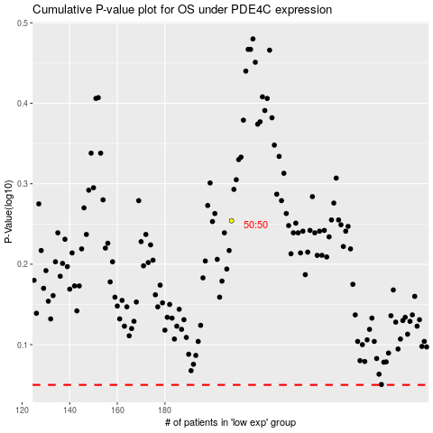

 |  |  |  |  |  | cases_OS | p_OS | rank | exp
 |  |  |  |  |  |  | cases_RFS | p_RFS | rank | exp

