PDE4D _multivariate
Reported by Tex Li-Hsing Chi. tex@gate.sinica.edu.tw 2019-08-17

Table 2. The clinicopathological features of HNSCC cohort and PDE4D expression. (Chi square test)
Cutoff at -0.301 (50.0%)
 |  | PDE4D expression |  | PDE4D expression |  | (Optimised)
 | Features | Low | (%) | High | (%) | Case no | P-value | Remark | Matthews
Gender | Female | 152 | 36.6 | 154 | 37.1 | 415 | 0.9766 | 0 | 0
2 | Male | 55 | 13.3 | 54 | 13
Age at diagnosis | <=65y | 143 | 34.5 | 131 | 31.6 | 415 | 0.2269 | 0 | 0
4 | >65y | 64 | 15.4 | 77 | 18.6
Clinical T Status | T1+T2 | 67 | 16.1 | 82 | 19.8 | 415 | 0.1628 | 0 | 0
6 | T3+T4 | 140 | 33.7 | 126 | 30.4
Clinical N Status | N0 | 112 | 27 | 104 | 25.1 | 415 | 0.4599 | 0 | 0
8 | N1-3 | 95 | 22.9 | 104 | 25.1
Clinical M Status | M0 | 205 | 49.4 | 207 | 49.9 | 415 | 0.6232 | 0 | 0
10 | M1 | 2 | 0.5 | 1 | 0.2
Clinical Stage | Stage I+II | 50 | 12 | 52 | 12.5 | 415 | 0.9315 | 0 | 0
12 | Stage III+IV | 157 | 37.8 | 156 | 37.6
Surgical Margin status | Negative | 165 | 39.8 | 153 | 36.9 | 415 | 0.1639 | 0 | 0
14 | Positive | 42 | 10.1 | 55 | 13.3
Tobacco Exposure | Low | 82 | 19.8 | 79 | 19 | 415 | 0.763 | 0 | 0
16 | High | 125 | 30.1 | 129 | 31.1

Table 3. Univariate/Multivariate Cox's proportional hazards regression analyses on OS time of PDE4D gene expression in HNSCC

 |  | Univariate |  |  |  | Multivariate
 | Features | HR | CI95%(L) | CI95%(H) | P-value | HR | CI95%(L) | CI95%(H) | P-value
1 | Female | 1 |  |  |  | 1
Gender | Male | 1.157 | 0.843 | 1.587 | 0.367 | 1.188 | 0.848 | 1.665 | 0.317
11 | <=65y | 1 |  |  |  | 1
Age at diagnosis | >65y | 1.329 | 0.99 | 1.784 | 0.058 | 1.392 | 1.024 | 1.892 | 0.035
12 | T1+T2 | 1 |  |  |  | 1
Clinical T Status | T3+T4 | 1.409 | 1.028 | 1.931 | 0.033 | 2.182 | 1.153 | 4.13 | 0.017
13 | N0 | 1 |  |  |  | 1
Clinical N Status | N1-3 | 1.185 | 0.89 | 1.577 | 0.246 | 1.242 | 0.871 | 1.772 | 0.232
14 | M0 | 1 |  |  |  | 1
Clinical M Status | M1 | 4.097 | 1.009 | 16.644 | 0.049 | 9.102 | 1.974 | 41.962 | 0.005
15 | Stage I+II | 1 |  |  |  | 1
Clinical Stage | Stage III+IV | 1.245 | 0.882 | 1.759 | 0.213 | 0.508 | 0.237 | 1.092 | 0.083
16 | Negative | 1 |  |  |  | 1
Surgical Margin status | Positive | 1.591 | 1.155 | 2.191 | 0.004 | 1.675 | 1.212 | 2.315 | 0.002
17 | Low | 1 |  |  |  | 1
Tobacco Exposure | High | 1.364 | 1.008 | 1.844 | 0.044 | 1.45 | 1.053 | 1.999 | 0.023
18 | Low | 1 |  |  |  | 1
RNAseq(z-score) | High | 0.888 | 0.666 | 1.184 | 0.419 | 0.93 | 0.694 | 1.246 | 0.626

Table 4. Univariate/Multivariate Cox's proportional hazards regression analyses on RFS time of PDE4D gene expression in HNSCC

 |  | Univariate |  |  |  | Multivariate
 | Features | HR | CI95%(L) | CI95%(H) | P-value | HR | CI95%(L) | CI95%(H) | P-value
1 | Female | 1 |  |  |  | 1
Gender | Male | 1.157 | 0.843 | 1.587 | 0.367 | 1.188 | 0.848 | 1.665 | 0.317
11 | <=65y | 1 |  |  |  | 1
Age at diagnosis | >65y | 1.329 | 0.99 | 1.784 | 0.058 | 1.392 | 1.024 | 1.892 | 0.035
12 | T1+T2 | 1 |  |  |  | 1
Clinical T Status | T3+T4 | 1.409 | 1.028 | 1.931 | 0.033 | 2.182 | 1.153 | 4.13 | 0.017
13 | N0 | 1 |  |  |  | 1
Clinical N Status | N1-3 | 1.185 | 0.89 | 1.577 | 0.246 | 1.242 | 0.871 | 1.772 | 0.232
14 | M0 | 1 |  |  |  | 1
Clinical M Status | M1 | 4.097 | 1.009 | 16.644 | 0.049 | 9.102 | 1.974 | 41.962 | 0.005
15 | Stage I+II | 1 |  |  |  | 1
Clinical Stage | Stage III+IV | 1.245 | 0.882 | 1.759 | 0.213 | 0.508 | 0.237 | 1.092 | 0.083
16 | Negative | 1 |  |  |  | 1
Surgical Margin status | Positive | 1.591 | 1.155 | 2.191 | 0.004 | 1.675 | 1.212 | 2.315 | 0.002
17 | Low | 1 |  |  |  | 1
Tobacco Exposure | High | 1.364 | 1.008 | 1.844 | 0.044 | 1.45 | 1.053 | 1.999 | 0.023
18 | Low | 1 |  |  |  | 1
RNAseq(z-score) | High | 0.888 | 0.666 | 1.184 | 0.419 | 0.93 | 0.694 | 1.246 | 0.626

Kaplan-Meier survival estimate: Cutoff at -0.301 (50.0%)



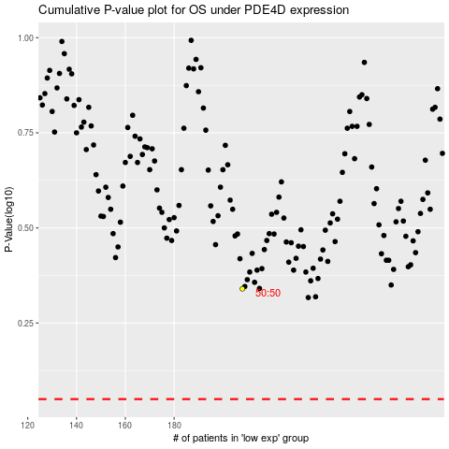

 |  |  |  |  |  | cases_OS | p_OS | rank | exp
 |  |  |  |  |  |  | cases_RFS | p_RFS | rank | exp

