PDE4DIP _multivariate
Reported by Tex Li-Hsing Chi. tex@gate.sinica.edu.tw 2019-08-17

Table 2. The clinicopathological features of HNSCC cohort and PDE4DIP expression. (Chi square test)
Cutoff at -0.212 (50.0%)
 |  | PDE4DIP expression |  | PDE4DIP expression |  | (Optimised)
 | Features | Low | (%) | High | (%) | Case no | P-value | Remark | Matthews
Gender | Female | 157 | 37.8 | 149 | 35.9 | 415 | 0.3881 | 0 | 0
2 | Male | 50 | 12 | 59 | 14.2
Age at diagnosis | <=65y | 133 | 32 | 141 | 34 | 415 | 0.5111 | 0 | 0
4 | >65y | 74 | 17.8 | 67 | 16.1
Clinical T Status | T1+T2 | 60 | 14.5 | 89 | 21.4 | 415 | 0.0047 | 1 | 0
6 | T3+T4 | 147 | 35.4 | 119 | 28.7
Clinical N Status | N0 | 111 | 26.7 | 105 | 25.3 | 415 | 0.5875 | 0 | 0
8 | N1-3 | 96 | 23.1 | 103 | 24.8
Clinical M Status | M0 | 204 | 49.2 | 208 | 50.1 | 415 | 0.1232 | 0 | 0
10 | M1 | 3 | 0.7 | 0 | 0
Clinical Stage | Stage I+II | 41 | 9.9 | 61 | 14.7 | 415 | 0.0325 | 1 | 0
12 | Stage III+IV | 166 | 40 | 147 | 35.4
Surgical Margin status | Negative | 157 | 37.8 | 161 | 38.8 | 415 | 0.729 | 0 | 0
14 | Positive | 50 | 12 | 47 | 11.3
Tobacco Exposure | Low | 74 | 17.8 | 87 | 21 | 415 | 0.227 | 0 | 0
16 | High | 133 | 32 | 121 | 29.2

Table 3. Univariate/Multivariate Cox's proportional hazards regression analyses on OS time of PDE4DIP gene expression in HNSCC

 |  | Univariate |  |  |  | Multivariate
 | Features | HR | CI95%(L) | CI95%(H) | P-value | HR | CI95%(L) | CI95%(H) | P-value
1 | Female | 1 |  |  |  | 1
Gender | Male | 1.157 | 0.843 | 1.587 | 0.367 | 1.202 | 0.861 | 1.677 | 0.28
11 | <=65y | 1 |  |  |  | 1
Age at diagnosis | >65y | 1.329 | 0.99 | 1.784 | 0.058 | 1.404 | 1.032 | 1.91 | 0.031
12 | T1+T2 | 1 |  |  |  | 1
Clinical T Status | T3+T4 | 1.409 | 1.028 | 1.931 | 0.033 | 2.238 | 1.182 | 4.238 | 0.013
13 | N0 | 1 |  |  |  | 1
Clinical N Status | N1-3 | 1.185 | 0.89 | 1.577 | 0.246 | 1.225 | 0.858 | 1.751 | 0.264
14 | M0 | 1 |  |  |  | 1
Clinical M Status | M1 | 4.097 | 1.009 | 16.644 | 0.049 | 10.188 | 2.197 | 47.246 | 0.003
15 | Stage I+II | 1 |  |  |  | 1
Clinical Stage | Stage III+IV | 1.245 | 0.882 | 1.759 | 0.213 | 0.511 | 0.238 | 1.098 | 0.085
16 | Negative | 1 |  |  |  | 1
Surgical Margin status | Positive | 1.591 | 1.155 | 2.191 | 0.004 | 1.68 | 1.216 | 2.322 | 0.002
17 | Low | 1 |  |  |  | 1
Tobacco Exposure | High | 1.364 | 1.008 | 1.844 | 0.044 | 1.454 | 1.056 | 2.001 | 0.022
18 | Low | 1 |  |  |  | 1
RNAseq(z-score) | High | 1.034 | 0.776 | 1.377 | 0.819 | 1.137 | 0.847 | 1.525 | 0.393

Table 4. Univariate/Multivariate Cox's proportional hazards regression analyses on RFS time of PDE4DIP gene expression in HNSCC

 |  | Univariate |  |  |  | Multivariate
 | Features | HR | CI95%(L) | CI95%(H) | P-value | HR | CI95%(L) | CI95%(H) | P-value
1 | Female | 1 |  |  |  | 1
Gender | Male | 1.157 | 0.843 | 1.587 | 0.367 | 1.202 | 0.861 | 1.677 | 0.28
11 | <=65y | 1 |  |  |  | 1
Age at diagnosis | >65y | 1.329 | 0.99 | 1.784 | 0.058 | 1.404 | 1.032 | 1.91 | 0.031
12 | T1+T2 | 1 |  |  |  | 1
Clinical T Status | T3+T4 | 1.409 | 1.028 | 1.931 | 0.033 | 2.238 | 1.182 | 4.238 | 0.013
13 | N0 | 1 |  |  |  | 1
Clinical N Status | N1-3 | 1.185 | 0.89 | 1.577 | 0.246 | 1.225 | 0.858 | 1.751 | 0.264
14 | M0 | 1 |  |  |  | 1
Clinical M Status | M1 | 4.097 | 1.009 | 16.644 | 0.049 | 10.188 | 2.197 | 47.246 | 0.003
15 | Stage I+II | 1 |  |  |  | 1
Clinical Stage | Stage III+IV | 1.245 | 0.882 | 1.759 | 0.213 | 0.511 | 0.238 | 1.098 | 0.085
16 | Negative | 1 |  |  |  | 1
Surgical Margin status | Positive | 1.591 | 1.155 | 2.191 | 0.004 | 1.68 | 1.216 | 2.322 | 0.002
17 | Low | 1 |  |  |  | 1
Tobacco Exposure | High | 1.364 | 1.008 | 1.844 | 0.044 | 1.454 | 1.056 | 2.001 | 0.022
18 | Low | 1 |  |  |  | 1
RNAseq(z-score) | High | 1.034 | 0.776 | 1.377 | 0.819 | 1.137 | 0.847 | 1.525 | 0.393

Kaplan-Meier survival estimate: Cutoff at -0.212 (50.0%)



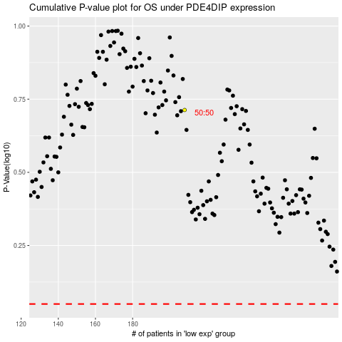

 |  |  |  |  |  | cases_OS | p_OS | rank | exp
 |  |  |  |  |  |  | cases_RFS | p_RFS | rank | exp

