PDE8A _multivariate
Reported by Tex Li-Hsing Chi. tex@gate.sinica.edu.tw 2019-08-17

Table 2. The clinicopathological features of HNSCC cohort and PDE8A expression. (Chi square test)
Cutoff at -0.07 (49.8%)
 |  | PDE8A expression |  | PDE8A expression |  | (Optimised)
 | Features | Low | (%) | High | (%) | Case no | P-value | Remark | Matthews
Gender | Female | 163 | 39.3 | 143 | 34.5 | 415 | 0.0277 | 1 | 0
2 | Male | 44 | 10.6 | 65 | 15.7
Age at diagnosis | <=65y | 135 | 32.5 | 139 | 33.5 | 415 | 0.8084 | 0 | 0
4 | >65y | 72 | 17.3 | 69 | 16.6
Clinical T Status | T1+T2 | 73 | 17.6 | 76 | 18.3 | 415 | 0.8666 | 0 | 0
6 | T3+T4 | 134 | 32.3 | 132 | 31.8
Clinical N Status | N0 | 102 | 24.6 | 114 | 27.5 | 415 | 0.3031 | 0 | 0
8 | N1-3 | 105 | 25.3 | 94 | 22.7
Clinical M Status | M0 | 205 | 49.4 | 207 | 49.9 | 415 | 0.6232 | 0 | 0
10 | M1 | 2 | 0.5 | 1 | 0.2
Clinical Stage | Stage I+II | 50 | 12 | 52 | 12.5 | 415 | 0.9315 | 0 | 0
12 | Stage III+IV | 157 | 37.8 | 156 | 37.6
Surgical Margin status | Negative | 164 | 39.5 | 154 | 37.1 | 415 | 0.2462 | 0 | 0
14 | Positive | 43 | 10.4 | 54 | 13
Tobacco Exposure | Low | 65 | 15.7 | 96 | 23.1 | 415 | 0.0025 | 1 | 0
16 | High | 142 | 34.2 | 112 | 27

Table 3. Univariate/Multivariate Cox's proportional hazards regression analyses on OS time of PDE8A gene expression in HNSCC

 |  | Univariate |  |  |  | Multivariate
 | Features | HR | CI95%(L) | CI95%(H) | P-value | HR | CI95%(L) | CI95%(H) | P-value
1 | Female | 1 |  |  |  | 1
Gender | Male | 1.157 | 0.843 | 1.587 | 0.367 | 1.216 | 0.869 | 1.702 | 0.254
11 | <=65y | 1 |  |  |  | 1
Age at diagnosis | >65y | 1.329 | 0.99 | 1.784 | 0.058 | 1.383 | 1.017 | 1.88 | 0.039
12 | T1+T2 | 1 |  |  |  | 1
Clinical T Status | T3+T4 | 1.409 | 1.028 | 1.931 | 0.033 | 2.171 | 1.147 | 4.109 | 0.017
13 | N0 | 1 |  |  |  | 1
Clinical N Status | N1-3 | 1.185 | 0.89 | 1.577 | 0.246 | 1.229 | 0.86 | 1.755 | 0.258
14 | M0 | 1 |  |  |  | 1
Clinical M Status | M1 | 4.097 | 1.009 | 16.644 | 0.049 | 9.206 | 2.006 | 42.24 | 0.004
15 | Stage I+II | 1 |  |  |  | 1
Clinical Stage | Stage III+IV | 1.245 | 0.882 | 1.759 | 0.213 | 0.513 | 0.239 | 1.101 | 0.087
16 | Negative | 1 |  |  |  | 1
Surgical Margin status | Positive | 1.591 | 1.155 | 2.191 | 0.004 | 1.677 | 1.213 | 2.316 | 0.002
17 | Low | 1 |  |  |  | 1
Tobacco Exposure | High | 1.364 | 1.008 | 1.844 | 0.044 | 1.427 | 1.032 | 1.974 | 0.031
18 | Low | 1 |  |  |  | 1
RNAseq(z-score) | High | 0.835 | 0.626 | 1.113 | 0.218 | 0.899 | 0.669 | 1.209 | 0.483

Table 4. Univariate/Multivariate Cox's proportional hazards regression analyses on RFS time of PDE8A gene expression in HNSCC

 |  | Univariate |  |  |  | Multivariate
 | Features | HR | CI95%(L) | CI95%(H) | P-value | HR | CI95%(L) | CI95%(H) | P-value
1 | Female | 1 |  |  |  | 1
Gender | Male | 1.157 | 0.843 | 1.587 | 0.367 | 1.216 | 0.869 | 1.702 | 0.254
11 | <=65y | 1 |  |  |  | 1
Age at diagnosis | >65y | 1.329 | 0.99 | 1.784 | 0.058 | 1.383 | 1.017 | 1.88 | 0.039
12 | T1+T2 | 1 |  |  |  | 1
Clinical T Status | T3+T4 | 1.409 | 1.028 | 1.931 | 0.033 | 2.171 | 1.147 | 4.109 | 0.017
13 | N0 | 1 |  |  |  | 1
Clinical N Status | N1-3 | 1.185 | 0.89 | 1.577 | 0.246 | 1.229 | 0.86 | 1.755 | 0.258
14 | M0 | 1 |  |  |  | 1
Clinical M Status | M1 | 4.097 | 1.009 | 16.644 | 0.049 | 9.206 | 2.006 | 42.24 | 0.004
15 | Stage I+II | 1 |  |  |  | 1
Clinical Stage | Stage III+IV | 1.245 | 0.882 | 1.759 | 0.213 | 0.513 | 0.239 | 1.101 | 0.087
16 | Negative | 1 |  |  |  | 1
Surgical Margin status | Positive | 1.591 | 1.155 | 2.191 | 0.004 | 1.677 | 1.213 | 2.316 | 0.002
17 | Low | 1 |  |  |  | 1
Tobacco Exposure | High | 1.364 | 1.008 | 1.844 | 0.044 | 1.427 | 1.032 | 1.974 | 0.031
18 | Low | 1 |  |  |  | 1
RNAseq(z-score) | High | 0.835 | 0.626 | 1.113 | 0.218 | 0.899 | 0.669 | 1.209 | 0.483

Kaplan-Meier survival estimate: Cutoff at -0.07 (49.8%)



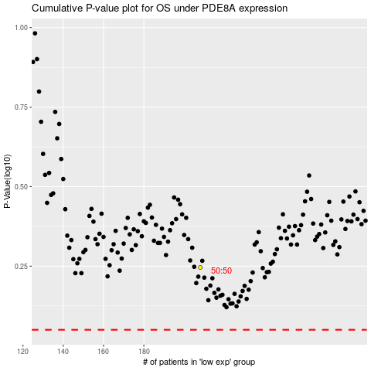

 |  |  |  |  |  | cases_OS | p_OS | rank | exp
 |  |  |  |  |  |  | cases_RFS | p_RFS | rank | exp

