PDE9A _multivariate
Reported by Tex Li-Hsing Chi. tex@gate.sinica.edu.tw 2019-08-17

Table 2. The clinicopathological features of HNSCC cohort and PDE9A expression. (Chi square test)
Cutoff at -0.404 (49.8%)
 |  | PDE9A expression |  | PDE9A expression |  | (Optimised)
 | Features | Low | (%) | High | (%) | Case no | P-value | Remark | Matthews
Gender | Female | 140 | 33.7 | 166 | 40 | 415 | 0.0068 | 1 | 0
2 | Male | 67 | 16.1 | 42 | 10.1
Age at diagnosis | <=65y | 139 | 33.5 | 135 | 32.5 | 415 | 0.7044 | 0 | 0
4 | >65y | 68 | 16.4 | 73 | 17.6
Clinical T Status | T1+T2 | 68 | 16.4 | 81 | 19.5 | 415 | 0.2336 | 0 | 0
6 | T3+T4 | 139 | 33.5 | 127 | 30.6
Clinical N Status | N0 | 107 | 25.8 | 109 | 26.3 | 415 | 0.9624 | 0 | 0
8 | N1-3 | 100 | 24.1 | 99 | 23.9
Clinical M Status | M0 | 206 | 49.6 | 206 | 49.6 | 415 | 1 | 0 | 0
10 | M1 | 1 | 0.2 | 2 | 0.5
Clinical Stage | Stage I+II | 50 | 12 | 52 | 12.5 | 415 | 0.9315 | 0 | 0
12 | Stage III+IV | 157 | 37.8 | 156 | 37.6
Surgical Margin status | Negative | 159 | 38.3 | 159 | 38.3 | 415 | 1 | 0 | 0
14 | Positive | 48 | 11.6 | 49 | 11.8
Tobacco Exposure | Low | 96 | 23.1 | 65 | 15.7 | 415 | 0.0018 | 1 | 0
16 | High | 111 | 26.7 | 143 | 34.5

Table 3. Univariate/Multivariate Cox's proportional hazards regression analyses on OS time of PDE9A gene expression in HNSCC

 |  | Univariate |  |  |  | Multivariate
 | Features | HR | CI95%(L) | CI95%(H) | P-value | HR | CI95%(L) | CI95%(H) | P-value
1 | Female | 1 |  |  |  | 1
Gender | Male | 1.157 | 0.843 | 1.587 | 0.367 | 1.165 | 0.831 | 1.633 | 0.376
11 | <=65y | 1 |  |  |  | 1
Age at diagnosis | >65y | 1.329 | 0.99 | 1.784 | 0.058 | 1.42 | 1.043 | 1.935 | 0.026
12 | T1+T2 | 1 |  |  |  | 1
Clinical T Status | T3+T4 | 1.409 | 1.028 | 1.931 | 0.033 | 2.173 | 1.149 | 4.109 | 0.017
13 | N0 | 1 |  |  |  | 1
Clinical N Status | N1-3 | 1.185 | 0.89 | 1.577 | 0.246 | 1.227 | 0.86 | 1.751 | 0.259
14 | M0 | 1 |  |  |  | 1
Clinical M Status | M1 | 4.097 | 1.009 | 16.644 | 0.049 | 9.559 | 2.083 | 43.862 | 0.004
15 | Stage I+II | 1 |  |  |  | 1
Clinical Stage | Stage III+IV | 1.245 | 0.882 | 1.759 | 0.213 | 0.506 | 0.236 | 1.086 | 0.081
16 | Negative | 1 |  |  |  | 1
Surgical Margin status | Positive | 1.591 | 1.155 | 2.191 | 0.004 | 1.692 | 1.223 | 2.341 | 0.001
17 | Low | 1 |  |  |  | 1
Tobacco Exposure | High | 1.364 | 1.008 | 1.844 | 0.044 | 1.515 | 1.093 | 2.1 | 0.013
18 | Low | 1 |  |  |  | 1
RNAseq(z-score) | High | 0.833 | 0.625 | 1.109 | 0.211 | 0.79 | 0.588 | 1.062 | 0.118

Table 4. Univariate/Multivariate Cox's proportional hazards regression analyses on RFS time of PDE9A gene expression in HNSCC

 |  | Univariate |  |  |  | Multivariate
 | Features | HR | CI95%(L) | CI95%(H) | P-value | HR | CI95%(L) | CI95%(H) | P-value
1 | Female | 1 |  |  |  | 1
Gender | Male | 1.157 | 0.843 | 1.587 | 0.367 | 1.165 | 0.831 | 1.633 | 0.376
11 | <=65y | 1 |  |  |  | 1
Age at diagnosis | >65y | 1.329 | 0.99 | 1.784 | 0.058 | 1.42 | 1.043 | 1.935 | 0.026
12 | T1+T2 | 1 |  |  |  | 1
Clinical T Status | T3+T4 | 1.409 | 1.028 | 1.931 | 0.033 | 2.173 | 1.149 | 4.109 | 0.017
13 | N0 | 1 |  |  |  | 1
Clinical N Status | N1-3 | 1.185 | 0.89 | 1.577 | 0.246 | 1.227 | 0.86 | 1.751 | 0.259
14 | M0 | 1 |  |  |  | 1
Clinical M Status | M1 | 4.097 | 1.009 | 16.644 | 0.049 | 9.559 | 2.083 | 43.862 | 0.004
15 | Stage I+II | 1 |  |  |  | 1
Clinical Stage | Stage III+IV | 1.245 | 0.882 | 1.759 | 0.213 | 0.506 | 0.236 | 1.086 | 0.081
16 | Negative | 1 |  |  |  | 1
Surgical Margin status | Positive | 1.591 | 1.155 | 2.191 | 0.004 | 1.692 | 1.223 | 2.341 | 0.001
17 | Low | 1 |  |  |  | 1
Tobacco Exposure | High | 1.364 | 1.008 | 1.844 | 0.044 | 1.515 | 1.093 | 2.1 | 0.013
18 | Low | 1 |  |  |  | 1
RNAseq(z-score) | High | 0.833 | 0.625 | 1.109 | 0.211 | 0.79 | 0.588 | 1.062 | 0.118

Kaplan-Meier survival estimate: Cutoff at -0.404 (49.8%)



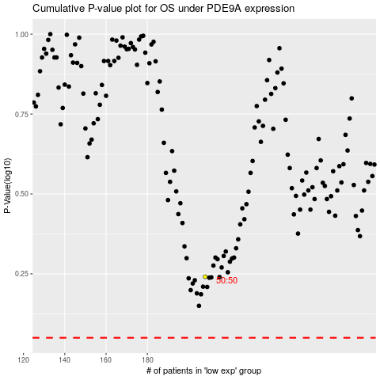

 |  |  |  |  |  | cases_OS | p_OS | rank | exp
 |  |  |  |  |  |  | cases_RFS | p_RFS | rank | exp

