PDF _multivariate
Reported by Tex Li-Hsing Chi. tex@gate.sinica.edu.tw 2019-08-17

Table 2. The clinicopathological features of HNSCC cohort and PDF expression. (Chi square test)
Cutoff at -0.38 (38.9%)
 |  | PDF expression |  | PDF expression |  | (Optimised)
 | Features | Low | (%) | High | (%) | Case no | P-value | Remark | Matthews
Gender | Female | 113 | 27.2 | 193 | 46.5 | 415 | 0.1736 | 0 | 0
2 | Male | 49 | 11.8 | 60 | 14.5
Age at diagnosis | <=65y | 108 | 26 | 166 | 40 | 415 | 0.9085 | 0 | 0
4 | >65y | 54 | 13 | 87 | 21
Clinical T Status | T1+T2 | 66 | 15.9 | 83 | 20 | 415 | 0.1238 | 0 | 0
6 | T3+T4 | 96 | 23.1 | 170 | 41
Clinical N Status | N0 | 81 | 19.5 | 135 | 32.5 | 415 | 0.5703 | 0 | 0
8 | N1-3 | 81 | 19.5 | 118 | 28.4
Clinical M Status | M0 | 161 | 38.8 | 251 | 60.5 | 415 | 1 | 0 | 0
10 | M1 | 1 | 0.2 | 2 | 0.5
Clinical Stage | Stage I+II | 40 | 9.6 | 62 | 14.9 | 415 | 1 | 0 | 0
12 | Stage III+IV | 122 | 29.4 | 191 | 46
Surgical Margin status | Negative | 128 | 30.8 | 190 | 45.8 | 415 | 0.4058 | 0 | 0
14 | Positive | 34 | 8.2 | 63 | 15.2
Tobacco Exposure | Low | 71 | 17.1 | 90 | 21.7 | 415 | 0.0992 | 0 | 0
16 | High | 91 | 21.9 | 163 | 39.3

Table 3. Univariate/Multivariate Cox's proportional hazards regression analyses on OS time of PDF gene expression in HNSCC

 |  | Univariate |  |  |  | Multivariate
 | Features | HR | CI95%(L) | CI95%(H) | P-value | HR | CI95%(L) | CI95%(H) | P-value
1 | Female | 1 |  |  |  | 1
Gender | Male | 1.157 | 0.843 | 1.587 | 0.367 | 1.213 | 0.867 | 1.697 | 0.26
11 | <=65y | 1 |  |  |  | 1
Age at diagnosis | >65y | 1.329 | 0.99 | 1.784 | 0.058 | 1.383 | 1.018 | 1.881 | 0.038
12 | T1+T2 | 1 |  |  |  | 1
Clinical T Status | T3+T4 | 1.409 | 1.028 | 1.931 | 0.033 | 2.113 | 1.116 | 4.003 | 0.022
13 | N0 | 1 |  |  |  | 1
Clinical N Status | N1-3 | 1.185 | 0.89 | 1.577 | 0.246 | 1.237 | 0.867 | 1.766 | 0.241
14 | M0 | 1 |  |  |  | 1
Clinical M Status | M1 | 4.097 | 1.009 | 16.644 | 0.049 | 8.607 | 1.871 | 39.595 | 0.006
15 | Stage I+II | 1 |  |  |  | 1
Clinical Stage | Stage III+IV | 1.245 | 0.882 | 1.759 | 0.213 | 0.534 | 0.248 | 1.149 | 0.109
16 | Negative | 1 |  |  |  | 1
Surgical Margin status | Positive | 1.591 | 1.155 | 2.191 | 0.004 | 1.661 | 1.202 | 2.295 | 0.002
17 | Low | 1 |  |  |  | 1
Tobacco Exposure | High | 1.364 | 1.008 | 1.844 | 0.044 | 1.413 | 1.025 | 1.95 | 0.035
18 | Low | 1 |  |  |  | 1
RNAseq(z-score) | High | 1.412 | 1.044 | 1.908 | 0.025 | 1.314 | 0.969 | 1.783 | 0.079

Table 4. Univariate/Multivariate Cox's proportional hazards regression analyses on RFS time of PDF gene expression in HNSCC

 |  | Univariate |  |  |  | Multivariate
 | Features | HR | CI95%(L) | CI95%(H) | P-value | HR | CI95%(L) | CI95%(H) | P-value
1 | Female | 1 |  |  |  | 1
Gender | Male | 1.157 | 0.843 | 1.587 | 0.367 | 1.213 | 0.867 | 1.697 | 0.26
11 | <=65y | 1 |  |  |  | 1
Age at diagnosis | >65y | 1.329 | 0.99 | 1.784 | 0.058 | 1.383 | 1.018 | 1.881 | 0.038
12 | T1+T2 | 1 |  |  |  | 1
Clinical T Status | T3+T4 | 1.409 | 1.028 | 1.931 | 0.033 | 2.113 | 1.116 | 4.003 | 0.022
13 | N0 | 1 |  |  |  | 1
Clinical N Status | N1-3 | 1.185 | 0.89 | 1.577 | 0.246 | 1.237 | 0.867 | 1.766 | 0.241
14 | M0 | 1 |  |  |  | 1
Clinical M Status | M1 | 4.097 | 1.009 | 16.644 | 0.049 | 8.607 | 1.871 | 39.595 | 0.006
15 | Stage I+II | 1 |  |  |  | 1
Clinical Stage | Stage III+IV | 1.245 | 0.882 | 1.759 | 0.213 | 0.534 | 0.248 | 1.149 | 0.109
16 | Negative | 1 |  |  |  | 1
Surgical Margin status | Positive | 1.591 | 1.155 | 2.191 | 0.004 | 1.661 | 1.202 | 2.295 | 0.002
17 | Low | 1 |  |  |  | 1
Tobacco Exposure | High | 1.364 | 1.008 | 1.844 | 0.044 | 1.413 | 1.025 | 1.95 | 0.035
18 | Low | 1 |  |  |  | 1
RNAseq(z-score) | High | 1.412 | 1.044 | 1.908 | 0.025 | 1.314 | 0.969 | 1.783 | 0.079

Kaplan-Meier survival estimate: Cutoff at -0.38 (38.9%)

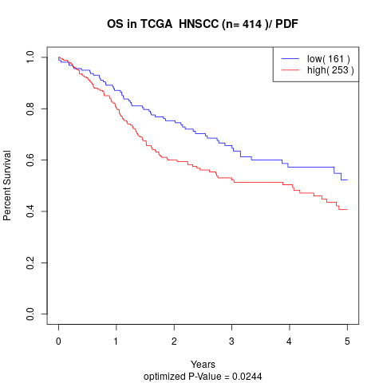

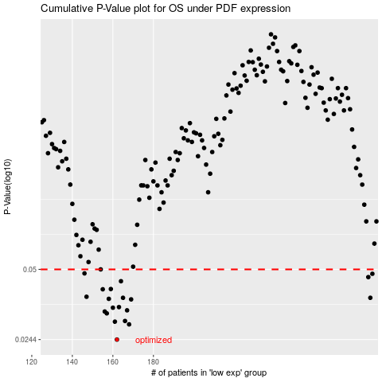

 |  |  |  |  |  | cases_OS | p_OS | rank | exp
 |  |  |  |  |  | 162 | 0.0244 | 70 | -0.38031440312
 |  |  |  |  |  | 168 | 0.0285 | 237 | -0.33738039211
 |  |  |  |  |  | 161 | 0.0293 | 95 | -0.39021895885
 |  |  |  |  |  | 166 | 0.0295 | 256 | -0.35337353089
 |  |  |  |  |  | 157 | 0.0319 | 55 | -0.40107882205
 |  |  |  |  |  | 156 | 0.0325 | 277 | -0.40116368819
 |  |  |  |  |  | 167 | 0.0329 | 194 | -0.34880052211
 |  |  |  |  |  | 160 | 0.0338 | 103 | -0.39232559206
 |  |  |  |  |  | 163 | 0.034 | 208 | -0.36623112825
 |  |  |  |  |  | 169 | 0.0368 | 115 | -0.33274504802
 |  |  |  |  |  | 158 | 0.037 | 254 | -0.3990495447
 |  |  |  |  |  | 165 | 0.0374 | 40 | -0.35629127422
 |  |  |  |  |  | 287 | 0.0374 | 260 | 0.14723537021
 |  |  |  |  |  | 147 | 0.0378 | 349 | -0.43437714531
 |  |  |  |  |  | 155 | 0.0408 | 149 | -0.41108626859
 |  |  |  |  |  | 159 | 0.0409 | 300 | -0.39903752826
 |  |  |  |  |  | 164 | 0.0443 | 93 | -0.35842269135
 |  |  |  |  |  | 286 | 0.0462 | 136 | 0.14676898189
 |  |  |  |  |  | 288 | 0.0478 | 97 | 0.14884932913
 |  |  |  |  |  | 146 | 0.048 | 127 | -0.43461071498
 |  |  |  |  |  | 154 | 0.05 | 42 | -0.4174429686
 |  |  |  |  |  |  | cases_RFS | p_RFS | rank | exp
 |  |  |  |  |  |  | 161 | 0.0244 | 95 | -0.39021895885
 |  |  |  |  |  |  | 167 | 0.0285 | 194 | -0.34880052211
 |  |  |  |  |  |  | 160 | 0.0293 | 103 | -0.39232559206
 |  |  |  |  |  |  | 165 | 0.0295 | 40 | -0.35629127422
 |  |  |  |  |  |  | 156 | 0.0319 | 277 | -0.40116368819
 |  |  |  |  |  |  | 155 | 0.0325 | 149 | -0.41108626859
 |  |  |  |  |  |  | 166 | 0.0329 | 256 | -0.35337353089
 |  |  |  |  |  |  | 159 | 0.0338 | 300 | -0.39903752826
 |  |  |  |  |  |  | 162 | 0.034 | 70 | -0.38031440312
 |  |  |  |  |  |  | 168 | 0.0368 | 237 | -0.33738039211
 |  |  |  |  |  |  | 157 | 0.037 | 55 | -0.40107882205
 |  |  |  |  |  |  | 164 | 0.0374 | 93 | -0.35842269135
 |  |  |  |  |  |  | 286 | 0.0374 | 136 | 0.14676898189
 |  |  |  |  |  |  | 146 | 0.0378 | 127 | -0.43461071498
 |  |  |  |  |  |  | 154 | 0.0408 | 42 | -0.4174429686
 |  |  |  |  |  |  | 158 | 0.0409 | 254 | -0.3990495447
 |  |  |  |  |  |  | 163 | 0.0443 | 208 | -0.36623112825
 |  |  |  |  |  |  | 285 | 0.0462 | 219 | 0.12820732775
 |  |  |  |  |  |  | 287 | 0.0478 | 260 | 0.14723537021
 |  |  |  |  |  |  | 145 | 0.048 | 188 | -0.43558705123
 |  |  |  |  |  |  | 153 | 0.05 | 402 | -0.42030738894

