PDGFRB _multivariate
Reported by Tex Li-Hsing Chi. tex@gate.sinica.edu.tw 2019-08-17

Table 2. The clinicopathological features of HNSCC cohort and PDGFRB expression. (Chi square test)
Cutoff at -0.222 (49.8%)
 |  | PDGFRB expression |  | PDGFRB expression |  | (Optimised)
 | Features | Low | (%) | High | (%) | Case no | P-value | Remark | Matthews
Gender | Female | 151 | 36.4 | 155 | 37.3 | 415 | 0.8007 | 0 | 0
2 | Male | 56 | 13.5 | 53 | 12.8
Age at diagnosis | <=65y | 138 | 33.3 | 136 | 32.8 | 415 | 0.8634 | 0 | 0
4 | >65y | 69 | 16.6 | 72 | 17.3
Clinical T Status | T1+T2 | 81 | 19.5 | 68 | 16.4 | 415 | 0.206 | 0 | 0
6 | T3+T4 | 126 | 30.4 | 140 | 33.7
Clinical N Status | N0 | 106 | 25.5 | 110 | 26.5 | 415 | 0.8075 | 0 | 0
8 | N1-3 | 101 | 24.3 | 98 | 23.6
Clinical M Status | M0 | 204 | 49.2 | 208 | 50.1 | 415 | 0.1232 | 0 | 0
10 | M1 | 3 | 0.7 | 0 | 0
Clinical Stage | Stage I+II | 49 | 11.8 | 53 | 12.8 | 415 | 0.7535 | 0 | 0
12 | Stage III+IV | 158 | 38.1 | 155 | 37.3
Surgical Margin status | Negative | 151 | 36.4 | 167 | 40.2 | 415 | 0.0828 | 0 | 0
14 | Positive | 56 | 13.5 | 41 | 9.9
Tobacco Exposure | Low | 84 | 20.2 | 77 | 18.6 | 415 | 0.4816 | 0 | 0
16 | High | 123 | 29.6 | 131 | 31.6

Table 3. Univariate/Multivariate Cox's proportional hazards regression analyses on OS time of PDGFRB gene expression in HNSCC

 |  | Univariate |  |  |  | Multivariate
 | Features | HR | CI95%(L) | CI95%(H) | P-value | HR | CI95%(L) | CI95%(H) | P-value
1 | Female | 1 |  |  |  | 1
Gender | Male | 1.157 | 0.843 | 1.587 | 0.367 | 1.19 | 0.85 | 1.664 | 0.31
11 | <=65y | 1 |  |  |  | 1
Age at diagnosis | >65y | 1.329 | 0.99 | 1.784 | 0.058 | 1.388 | 1.021 | 1.886 | 0.036
12 | T1+T2 | 1 |  |  |  | 1
Clinical T Status | T3+T4 | 1.409 | 1.028 | 1.931 | 0.033 | 2.27 | 1.196 | 4.311 | 0.012
13 | N0 | 1 |  |  |  | 1
Clinical N Status | N1-3 | 1.185 | 0.89 | 1.577 | 0.246 | 1.247 | 0.873 | 1.779 | 0.225
14 | M0 | 1 |  |  |  | 1
Clinical M Status | M1 | 4.097 | 1.009 | 16.644 | 0.049 | 9.038 | 1.966 | 41.547 | 0.005
15 | Stage I+II | 1 |  |  |  | 1
Clinical Stage | Stage III+IV | 1.245 | 0.882 | 1.759 | 0.213 | 0.487 | 0.226 | 1.05 | 0.067
16 | Negative | 1 |  |  |  | 1
Surgical Margin status | Positive | 1.591 | 1.155 | 2.191 | 0.004 | 1.653 | 1.195 | 2.286 | 0.002
17 | Low | 1 |  |  |  | 1
Tobacco Exposure | High | 1.364 | 1.008 | 1.844 | 0.044 | 1.448 | 1.051 | 1.994 | 0.024
18 | Low | 1 |  |  |  | 1
RNAseq(z-score) | High | 0.854 | 0.641 | 1.138 | 0.281 | 0.882 | 0.658 | 1.18 | 0.397

Table 4. Univariate/Multivariate Cox's proportional hazards regression analyses on RFS time of PDGFRB gene expression in HNSCC

 |  | Univariate |  |  |  | Multivariate
 | Features | HR | CI95%(L) | CI95%(H) | P-value | HR | CI95%(L) | CI95%(H) | P-value
1 | Female | 1 |  |  |  | 1
Gender | Male | 1.157 | 0.843 | 1.587 | 0.367 | 1.19 | 0.85 | 1.664 | 0.31
11 | <=65y | 1 |  |  |  | 1
Age at diagnosis | >65y | 1.329 | 0.99 | 1.784 | 0.058 | 1.388 | 1.021 | 1.886 | 0.036
12 | T1+T2 | 1 |  |  |  | 1
Clinical T Status | T3+T4 | 1.409 | 1.028 | 1.931 | 0.033 | 2.27 | 1.196 | 4.311 | 0.012
13 | N0 | 1 |  |  |  | 1
Clinical N Status | N1-3 | 1.185 | 0.89 | 1.577 | 0.246 | 1.247 | 0.873 | 1.779 | 0.225
14 | M0 | 1 |  |  |  | 1
Clinical M Status | M1 | 4.097 | 1.009 | 16.644 | 0.049 | 9.038 | 1.966 | 41.547 | 0.005
15 | Stage I+II | 1 |  |  |  | 1
Clinical Stage | Stage III+IV | 1.245 | 0.882 | 1.759 | 0.213 | 0.487 | 0.226 | 1.05 | 0.067
16 | Negative | 1 |  |  |  | 1
Surgical Margin status | Positive | 1.591 | 1.155 | 2.191 | 0.004 | 1.653 | 1.195 | 2.286 | 0.002
17 | Low | 1 |  |  |  | 1
Tobacco Exposure | High | 1.364 | 1.008 | 1.844 | 0.044 | 1.448 | 1.051 | 1.994 | 0.024
18 | Low | 1 |  |  |  | 1
RNAseq(z-score) | High | 0.854 | 0.641 | 1.138 | 0.281 | 0.882 | 0.658 | 1.18 | 0.397

Kaplan-Meier survival estimate: Cutoff at -0.222 (49.8%)



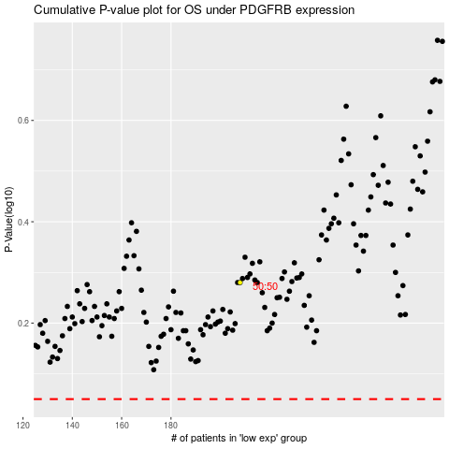

 |  |  |  |  |  | cases_OS | p_OS | rank | exp
 |  |  |  |  |  |  | cases_RFS | p_RFS | rank | exp

