PDHB _multivariate
Reported by Tex Li-Hsing Chi. tex@gate.sinica.edu.tw 2019-08-17

Table 2. The clinicopathological features of HNSCC cohort and PDHB expression. (Chi square test)
Cutoff at -0.339 (49.8%)
 |  | PDHB expression |  | PDHB expression |  | (Optimised)
 | Features | Low | (%) | High | (%) | Case no | P-value | Remark | Matthews
Gender | Female | 157 | 37.8 | 149 | 35.9 | 415 | 0.3881 | 0 | 0
2 | Male | 50 | 12 | 59 | 14.2
Age at diagnosis | <=65y | 142 | 34.2 | 132 | 31.8 | 415 | 0.3167 | 0 | 0
4 | >65y | 65 | 15.7 | 76 | 18.3
Clinical T Status | T1+T2 | 61 | 14.7 | 88 | 21.2 | 415 | 0.0087 | 1 | 0
6 | T3+T4 | 146 | 35.2 | 120 | 28.9
Clinical N Status | N0 | 102 | 24.6 | 114 | 27.5 | 415 | 0.3031 | 0 | 0
8 | N1-3 | 105 | 25.3 | 94 | 22.7
Clinical M Status | M0 | 204 | 49.2 | 208 | 50.1 | 415 | 0.1232 | 0 | 0
10 | M1 | 3 | 0.7 | 0 | 0
Clinical Stage | Stage I+II | 42 | 10.1 | 60 | 14.5 | 415 | 0.0561 | 0 | 0
12 | Stage III+IV | 165 | 39.8 | 148 | 35.7
Surgical Margin status | Negative | 170 | 41 | 148 | 35.7 | 415 | 0.0105 | 1 | 0
14 | Positive | 37 | 8.9 | 60 | 14.5
Tobacco Exposure | Low | 71 | 17.1 | 90 | 21.7 | 415 | 0.0698 | 0 | 0
16 | High | 136 | 32.8 | 118 | 28.4

Table 3. Univariate/Multivariate Cox's proportional hazards regression analyses on OS time of PDHB gene expression in HNSCC

 |  | Univariate |  |  |  | Multivariate
 | Features | HR | CI95%(L) | CI95%(H) | P-value | HR | CI95%(L) | CI95%(H) | P-value
1 | Female | 1 |  |  |  | 1
Gender | Male | 1.157 | 0.843 | 1.587 | 0.367 | 1.207 | 0.864 | 1.688 | 0.271
11 | <=65y | 1 |  |  |  | 1
Age at diagnosis | >65y | 1.329 | 0.99 | 1.784 | 0.058 | 1.393 | 1.025 | 1.894 | 0.034
12 | T1+T2 | 1 |  |  |  | 1
Clinical T Status | T3+T4 | 1.409 | 1.028 | 1.931 | 0.033 | 2.185 | 1.154 | 4.136 | 0.016
13 | N0 | 1 |  |  |  | 1
Clinical N Status | N1-3 | 1.185 | 0.89 | 1.577 | 0.246 | 1.237 | 0.867 | 1.766 | 0.24
14 | M0 | 1 |  |  |  | 1
Clinical M Status | M1 | 4.097 | 1.009 | 16.644 | 0.049 | 9.115 | 1.973 | 42.105 | 0.005
15 | Stage I+II | 1 |  |  |  | 1
Clinical Stage | Stage III+IV | 1.245 | 0.882 | 1.759 | 0.213 | 0.504 | 0.235 | 1.082 | 0.079
16 | Negative | 1 |  |  |  | 1
Surgical Margin status | Positive | 1.591 | 1.155 | 2.191 | 0.004 | 1.687 | 1.217 | 2.337 | 0.002
17 | Low | 1 |  |  |  | 1
Tobacco Exposure | High | 1.364 | 1.008 | 1.844 | 0.044 | 1.448 | 1.051 | 1.996 | 0.024
18 | Low | 1 |  |  |  | 1
RNAseq(z-score) | High | 0.928 | 0.696 | 1.235 | 0.607 | 0.942 | 0.7 | 1.267 | 0.692

Table 4. Univariate/Multivariate Cox's proportional hazards regression analyses on RFS time of PDHB gene expression in HNSCC

 |  | Univariate |  |  |  | Multivariate
 | Features | HR | CI95%(L) | CI95%(H) | P-value | HR | CI95%(L) | CI95%(H) | P-value
1 | Female | 1 |  |  |  | 1
Gender | Male | 1.157 | 0.843 | 1.587 | 0.367 | 1.207 | 0.864 | 1.688 | 0.271
11 | <=65y | 1 |  |  |  | 1
Age at diagnosis | >65y | 1.329 | 0.99 | 1.784 | 0.058 | 1.393 | 1.025 | 1.894 | 0.034
12 | T1+T2 | 1 |  |  |  | 1
Clinical T Status | T3+T4 | 1.409 | 1.028 | 1.931 | 0.033 | 2.185 | 1.154 | 4.136 | 0.016
13 | N0 | 1 |  |  |  | 1
Clinical N Status | N1-3 | 1.185 | 0.89 | 1.577 | 0.246 | 1.237 | 0.867 | 1.766 | 0.24
14 | M0 | 1 |  |  |  | 1
Clinical M Status | M1 | 4.097 | 1.009 | 16.644 | 0.049 | 9.115 | 1.973 | 42.105 | 0.005
15 | Stage I+II | 1 |  |  |  | 1
Clinical Stage | Stage III+IV | 1.245 | 0.882 | 1.759 | 0.213 | 0.504 | 0.235 | 1.082 | 0.079
16 | Negative | 1 |  |  |  | 1
Surgical Margin status | Positive | 1.591 | 1.155 | 2.191 | 0.004 | 1.687 | 1.217 | 2.337 | 0.002
17 | Low | 1 |  |  |  | 1
Tobacco Exposure | High | 1.364 | 1.008 | 1.844 | 0.044 | 1.448 | 1.051 | 1.996 | 0.024
18 | Low | 1 |  |  |  | 1
RNAseq(z-score) | High | 0.928 | 0.696 | 1.235 | 0.607 | 0.942 | 0.7 | 1.267 | 0.692

Kaplan-Meier survival estimate: Cutoff at -0.339 (49.8%)



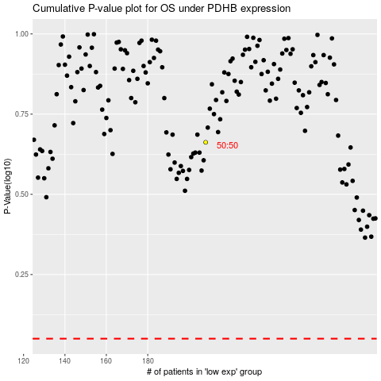

 |  |  |  |  |  | cases_OS | p_OS | rank | exp
 |  |  |  |  |  |  | cases_RFS | p_RFS | rank | exp

