PDHX _multivariate
Reported by Tex Li-Hsing Chi. tex@gate.sinica.edu.tw 2019-08-17

Table 2. The clinicopathological features of HNSCC cohort and PDHX expression. (Chi square test)
Cutoff at -0.245 (49.8%)
 |  | PDHX expression |  | PDHX expression |  | (Optimised)
 | Features | Low | (%) | High | (%) | Case no | P-value | Remark | Matthews
Gender | Female | 145 | 34.9 | 161 | 38.8 | 415 | 0.1116 | 0 | 0
2 | Male | 62 | 14.9 | 47 | 11.3
Age at diagnosis | <=65y | 143 | 34.5 | 131 | 31.6 | 415 | 0.2269 | 0 | 0
4 | >65y | 64 | 15.4 | 77 | 18.6
Clinical T Status | T1+T2 | 72 | 17.3 | 77 | 18.6 | 415 | 0.7095 | 0 | 0
6 | T3+T4 | 135 | 32.5 | 131 | 31.6
Clinical N Status | N0 | 103 | 24.8 | 113 | 27.2 | 415 | 0.4047 | 0 | 0
8 | N1-3 | 104 | 25.1 | 95 | 22.9
Clinical M Status | M0 | 204 | 49.2 | 208 | 50.1 | 415 | 0.1232 | 0 | 0
10 | M1 | 3 | 0.7 | 0 | 0
Clinical Stage | Stage I+II | 51 | 12.3 | 51 | 12.3 | 415 | 1 | 0 | 0
12 | Stage III+IV | 156 | 37.6 | 157 | 37.8
Surgical Margin status | Negative | 167 | 40.2 | 151 | 36.4 | 415 | 0.0632 | 0 | 0
14 | Positive | 40 | 9.6 | 57 | 13.7
Tobacco Exposure | Low | 79 | 19 | 82 | 19.8 | 415 | 0.8405 | 0 | 0
16 | High | 128 | 30.8 | 126 | 30.4

Table 3. Univariate/Multivariate Cox's proportional hazards regression analyses on OS time of PDHX gene expression in HNSCC

 |  | Univariate |  |  |  | Multivariate
 | Features | HR | CI95%(L) | CI95%(H) | P-value | HR | CI95%(L) | CI95%(H) | P-value
1 | Female | 1 |  |  |  | 1
Gender | Male | 1.157 | 0.843 | 1.587 | 0.367 | 1.214 | 0.865 | 1.704 | 0.263
11 | <=65y | 1 |  |  |  | 1
Age at diagnosis | >65y | 1.329 | 0.99 | 1.784 | 0.058 | 1.386 | 1.019 | 1.886 | 0.038
12 | T1+T2 | 1 |  |  |  | 1
Clinical T Status | T3+T4 | 1.409 | 1.028 | 1.931 | 0.033 | 2.207 | 1.167 | 4.173 | 0.015
13 | N0 | 1 |  |  |  | 1
Clinical N Status | N1-3 | 1.185 | 0.89 | 1.577 | 0.246 | 1.241 | 0.87 | 1.771 | 0.234
14 | M0 | 1 |  |  |  | 1
Clinical M Status | M1 | 4.097 | 1.009 | 16.644 | 0.049 | 9.707 | 2.095 | 44.967 | 0.004
15 | Stage I+II | 1 |  |  |  | 1
Clinical Stage | Stage III+IV | 1.245 | 0.882 | 1.759 | 0.213 | 0.501 | 0.233 | 1.077 | 0.077
16 | Negative | 1 |  |  |  | 1
Surgical Margin status | Positive | 1.591 | 1.155 | 2.191 | 0.004 | 1.661 | 1.199 | 2.3 | 0.002
17 | Low | 1 |  |  |  | 1
Tobacco Exposure | High | 1.364 | 1.008 | 1.844 | 0.044 | 1.455 | 1.056 | 2.005 | 0.022
18 | Low | 1 |  |  |  | 1
RNAseq(z-score) | High | 1.072 | 0.803 | 1.432 | 0.635 | 1.054 | 0.782 | 1.421 | 0.729

Table 4. Univariate/Multivariate Cox's proportional hazards regression analyses on RFS time of PDHX gene expression in HNSCC

 |  | Univariate |  |  |  | Multivariate
 | Features | HR | CI95%(L) | CI95%(H) | P-value | HR | CI95%(L) | CI95%(H) | P-value
1 | Female | 1 |  |  |  | 1
Gender | Male | 1.157 | 0.843 | 1.587 | 0.367 | 1.214 | 0.865 | 1.704 | 0.263
11 | <=65y | 1 |  |  |  | 1
Age at diagnosis | >65y | 1.329 | 0.99 | 1.784 | 0.058 | 1.386 | 1.019 | 1.886 | 0.038
12 | T1+T2 | 1 |  |  |  | 1
Clinical T Status | T3+T4 | 1.409 | 1.028 | 1.931 | 0.033 | 2.207 | 1.167 | 4.173 | 0.015
13 | N0 | 1 |  |  |  | 1
Clinical N Status | N1-3 | 1.185 | 0.89 | 1.577 | 0.246 | 1.241 | 0.87 | 1.771 | 0.234
14 | M0 | 1 |  |  |  | 1
Clinical M Status | M1 | 4.097 | 1.009 | 16.644 | 0.049 | 9.707 | 2.095 | 44.967 | 0.004
15 | Stage I+II | 1 |  |  |  | 1
Clinical Stage | Stage III+IV | 1.245 | 0.882 | 1.759 | 0.213 | 0.501 | 0.233 | 1.077 | 0.077
16 | Negative | 1 |  |  |  | 1
Surgical Margin status | Positive | 1.591 | 1.155 | 2.191 | 0.004 | 1.661 | 1.199 | 2.3 | 0.002
17 | Low | 1 |  |  |  | 1
Tobacco Exposure | High | 1.364 | 1.008 | 1.844 | 0.044 | 1.455 | 1.056 | 2.005 | 0.022
18 | Low | 1 |  |  |  | 1
RNAseq(z-score) | High | 1.072 | 0.803 | 1.432 | 0.635 | 1.054 | 0.782 | 1.421 | 0.729

Kaplan-Meier survival estimate: Cutoff at -0.245 (49.8%)



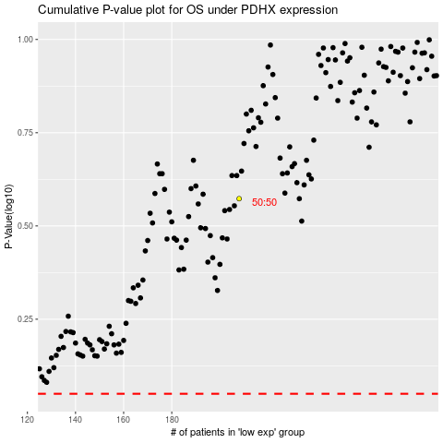

 |  |  |  |  |  | cases_OS | p_OS | rank | exp
 |  |  |  |  |  |  | cases_RFS | p_RFS | rank | exp

