PDIA5 _multivariate
Reported by Tex Li-Hsing Chi. tex@gate.sinica.edu.tw 2019-08-17

Table 2. The clinicopathological features of HNSCC cohort and PDIA5 expression. (Chi square test)
Cutoff at -0.047 (52.9%)
 |  | PDIA5 expression |  | PDIA5 expression |  | (Optimised)
 | Features | Low | (%) | High | (%) | Case no | P-value | Remark | Matthews
Gender | Female | 156 | 37.6 | 150 | 36.1 | 415 | 0.2014 | 0 | 0
2 | Male | 64 | 15.4 | 45 | 10.8
Age at diagnosis | <=65y | 151 | 36.4 | 123 | 29.6 | 415 | 0.2759 | 0 | 0
4 | >65y | 69 | 16.6 | 72 | 17.3
Clinical T Status | T1+T2 | 88 | 21.2 | 61 | 14.7 | 415 | 0.081 | 0 | 0
6 | T3+T4 | 132 | 31.8 | 134 | 32.3
Clinical N Status | N0 | 109 | 26.3 | 107 | 25.8 | 415 | 0.3243 | 0 | 0
8 | N1-3 | 111 | 26.7 | 88 | 21.2
Clinical M Status | M0 | 217 | 52.3 | 195 | 47 | 415 | 0.2509 | 0 | 0
10 | M1 | 3 | 0.7 | 0 | 0
Clinical Stage | Stage I+II | 55 | 13.3 | 47 | 11.3 | 415 | 0.9222 | 0 | 0
12 | Stage III+IV | 165 | 39.8 | 148 | 35.7
Surgical Margin status | Negative | 169 | 40.7 | 149 | 35.9 | 415 | 1 | 0 | 0
14 | Positive | 51 | 12.3 | 46 | 11.1
Tobacco Exposure | Low | 104 | 25.1 | 57 | 13.7 | 415 | 2e-04 | 1 | 0
16 | High | 116 | 28 | 138 | 33.3

Table 3. Univariate/Multivariate Cox's proportional hazards regression analyses on OS time of PDIA5 gene expression in HNSCC

 |  | Univariate |  |  |  | Multivariate
 | Features | HR | CI95%(L) | CI95%(H) | P-value | HR | CI95%(L) | CI95%(H) | P-value
1 | Female | 1 |  |  |  | 1
Gender | Male | 1.157 | 0.843 | 1.587 | 0.367 | 1.21 | 0.865 | 1.691 | 0.266
11 | <=65y | 1 |  |  |  | 1
Age at diagnosis | >65y | 1.329 | 0.99 | 1.784 | 0.058 | 1.346 | 0.989 | 1.833 | 0.059
12 | T1+T2 | 1 |  |  |  | 1
Clinical T Status | T3+T4 | 1.409 | 1.028 | 1.931 | 0.033 | 2.145 | 1.133 | 4.06 | 0.019
13 | N0 | 1 |  |  |  | 1
Clinical N Status | N1-3 | 1.185 | 0.89 | 1.577 | 0.246 | 1.279 | 0.894 | 1.831 | 0.178
14 | M0 | 1 |  |  |  | 1
Clinical M Status | M1 | 4.097 | 1.009 | 16.644 | 0.049 | 10.175 | 2.212 | 46.798 | 0.003
15 | Stage I+II | 1 |  |  |  | 1
Clinical Stage | Stage III+IV | 1.245 | 0.882 | 1.759 | 0.213 | 0.515 | 0.24 | 1.106 | 0.089
16 | Negative | 1 |  |  |  | 1
Surgical Margin status | Positive | 1.591 | 1.155 | 2.191 | 0.004 | 1.677 | 1.214 | 2.318 | 0.002
17 | Low | 1 |  |  |  | 1
Tobacco Exposure | High | 1.364 | 1.008 | 1.844 | 0.044 | 1.375 | 0.991 | 1.907 | 0.056
18 | Low | 1 |  |  |  | 1
RNAseq(z-score) | High | 1.341 | 1.004 | 1.791 | 0.047 | 1.276 | 0.943 | 1.727 | 0.115

Table 4. Univariate/Multivariate Cox's proportional hazards regression analyses on RFS time of PDIA5 gene expression in HNSCC

 |  | Univariate |  |  |  | Multivariate
 | Features | HR | CI95%(L) | CI95%(H) | P-value | HR | CI95%(L) | CI95%(H) | P-value
1 | Female | 1 |  |  |  | 1
Gender | Male | 1.157 | 0.843 | 1.587 | 0.367 | 1.21 | 0.865 | 1.691 | 0.266
11 | <=65y | 1 |  |  |  | 1
Age at diagnosis | >65y | 1.329 | 0.99 | 1.784 | 0.058 | 1.346 | 0.989 | 1.833 | 0.059
12 | T1+T2 | 1 |  |  |  | 1
Clinical T Status | T3+T4 | 1.409 | 1.028 | 1.931 | 0.033 | 2.145 | 1.133 | 4.06 | 0.019
13 | N0 | 1 |  |  |  | 1
Clinical N Status | N1-3 | 1.185 | 0.89 | 1.577 | 0.246 | 1.279 | 0.894 | 1.831 | 0.178
14 | M0 | 1 |  |  |  | 1
Clinical M Status | M1 | 4.097 | 1.009 | 16.644 | 0.049 | 10.175 | 2.212 | 46.798 | 0.003
15 | Stage I+II | 1 |  |  |  | 1
Clinical Stage | Stage III+IV | 1.245 | 0.882 | 1.759 | 0.213 | 0.515 | 0.24 | 1.106 | 0.089
16 | Negative | 1 |  |  |  | 1
Surgical Margin status | Positive | 1.591 | 1.155 | 2.191 | 0.004 | 1.677 | 1.214 | 2.318 | 0.002
17 | Low | 1 |  |  |  | 1
Tobacco Exposure | High | 1.364 | 1.008 | 1.844 | 0.044 | 1.375 | 0.991 | 1.907 | 0.056
18 | Low | 1 |  |  |  | 1
RNAseq(z-score) | High | 1.341 | 1.004 | 1.791 | 0.047 | 1.276 | 0.943 | 1.727 | 0.115

Kaplan-Meier survival estimate: Cutoff at -0.047 (52.9%)



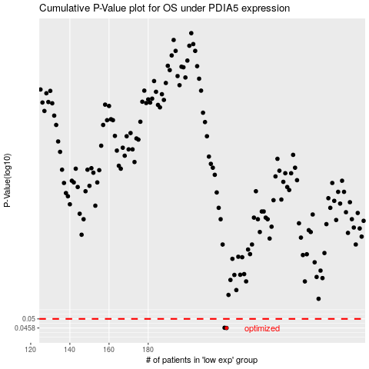

 |  |  |  |  |  | cases_OS | p_OS | rank | exp
 |  |  |  |  |  | 220 | 0.0458 | 285 | -0.046676939677
 |  |  |  |  |  | 219 | 0.0459 | 342 | -0.050066286706
 |  |  |  |  |  |  | cases_RFS | p_RFS | rank | exp
 |  |  |  |  |  |  | 219 | 0.0458 | 342 | -0.050066286706
 |  |  |  |  |  |  | 218 | 0.0459 | 245 | -0.057286966032

